SEPT3 _multivariate
Reported by Tex Li-Hsing Chi. tex@gate.sinica.edu.tw 2019-08-16

Table 2. The clinicopathological features of HNSCC cohort and SEPT3 expression. (Chi square test)
Cutoff at -0.34 (49.8%)
 |  | SEPT3 expression |  | SEPT3 expression |  | (Optimised)
 | Features | Low | (%) | High | (%) | Case no | P-value | Remark | Matthews
Gender | Female | 146 | 35.2 | 160 | 38.6 | 415 | 0.1714 | 0 | 0
2 | Male | 61 | 14.7 | 48 | 11.6
Age at diagnosis | <=65y | 133 | 32 | 141 | 34 | 415 | 0.5111 | 0 | 0
4 | >65y | 74 | 17.8 | 67 | 16.1
Clinical T Status | T1+T2 | 76 | 18.3 | 73 | 17.6 | 415 | 0.8092 | 0 | 0
6 | T3+T4 | 131 | 31.6 | 135 | 32.5
Clinical N Status | N0 | 114 | 27.5 | 102 | 24.6 | 415 | 0.2576 | 1 | 0
8 | N1-3 | 93 | 22.4 | 106 | 25.5
Clinical M Status | M0 | 206 | 49.6 | 206 | 49.6 | 415 | 1 | 0 | 0
10 | M1 | 1 | 0.2 | 2 | 0.5
Clinical Stage | Stage I+II | 58 | 14 | 44 | 10.6 | 415 | 0.131 | 0 | 0
12 | Stage III+IV | 149 | 35.9 | 164 | 39.5
Surgical Margin status | Negative | 161 | 38.8 | 157 | 37.8 | 415 | 0.6429 | 0 | 0
14 | Positive | 46 | 11.1 | 51 | 12.3
Tobacco Exposure | Low | 90 | 21.7 | 71 | 17.1 | 415 | 0.0559 | 0 | 0
16 | High | 117 | 28.2 | 137 | 33

Table 3. Univariate/Multivariate Cox's proportional hazards regression analyses on OS time of SEPT3 gene expression in HNSCC

 |  | Univariate |  |  |  | Multivariate
 | Features | HR | CI95%(L) | CI95%(H) | P-value | HR | CI95%(L) | CI95%(H) | P-value
1 | Female | 1 |  |  |  | 1
Gender | Male | 1.157 | 0.843 | 1.587 | 0.367 | 1.185 | 0.847 | 1.66 | 0.322
11 | <=65y | 1 |  |  |  | 1
Age at diagnosis | >65y | 1.329 | 0.99 | 1.784 | 0.058 | 1.398 | 1.029 | 1.9 | 0.032
12 | T1+T2 | 1 |  |  |  | 1
Clinical T Status | T3+T4 | 1.409 | 1.028 | 1.931 | 0.033 | 2.185 | 1.155 | 4.133 | 0.016
13 | N0 | 1 |  |  |  | 1
Clinical N Status | N1-3 | 1.185 | 0.89 | 1.577 | 0.246 | 1.243 | 0.871 | 1.773 | 0.231
14 | M0 | 1 |  |  |  | 1
Clinical M Status | M1 | 4.097 | 1.009 | 16.644 | 0.049 | 9.401 | 2.051 | 43.09 | 0.004
15 | Stage I+II | 1 |  |  |  | 1
Clinical Stage | Stage III+IV | 1.245 | 0.882 | 1.759 | 0.213 | 0.514 | 0.239 | 1.106 | 0.089
16 | Negative | 1 |  |  |  | 1
Surgical Margin status | Positive | 1.591 | 1.155 | 2.191 | 0.004 | 1.686 | 1.22 | 2.332 | 0.002
17 | Low | 1 |  |  |  | 1
Tobacco Exposure | High | 1.364 | 1.008 | 1.844 | 0.044 | 1.466 | 1.063 | 2.022 | 0.02
18 | Low | 1 |  |  |  | 1
RNAseq(z-score) | High | 0.943 | 0.706 | 1.258 | 0.688 | 0.896 | 0.667 | 1.204 | 0.466

Table 4. Univariate/Multivariate Cox's proportional hazards regression analyses on RFS time of SEPT3 gene expression in HNSCC

 |  | Univariate |  |  |  | Multivariate
 | Features | HR | CI95%(L) | CI95%(H) | P-value | HR | CI95%(L) | CI95%(H) | P-value
1 | Female | 1 |  |  |  | 1
Gender | Male | 1.157 | 0.843 | 1.587 | 0.367 | 1.185 | 0.847 | 1.66 | 0.322
11 | <=65y | 1 |  |  |  | 1
Age at diagnosis | >65y | 1.329 | 0.99 | 1.784 | 0.058 | 1.398 | 1.029 | 1.9 | 0.032
12 | T1+T2 | 1 |  |  |  | 1
Clinical T Status | T3+T4 | 1.409 | 1.028 | 1.931 | 0.033 | 2.185 | 1.155 | 4.133 | 0.016
13 | N0 | 1 |  |  |  | 1
Clinical N Status | N1-3 | 1.185 | 0.89 | 1.577 | 0.246 | 1.243 | 0.871 | 1.773 | 0.231
14 | M0 | 1 |  |  |  | 1
Clinical M Status | M1 | 4.097 | 1.009 | 16.644 | 0.049 | 9.401 | 2.051 | 43.09 | 0.004
15 | Stage I+II | 1 |  |  |  | 1
Clinical Stage | Stage III+IV | 1.245 | 0.882 | 1.759 | 0.213 | 0.514 | 0.239 | 1.106 | 0.089
16 | Negative | 1 |  |  |  | 1
Surgical Margin status | Positive | 1.591 | 1.155 | 2.191 | 0.004 | 1.686 | 1.22 | 2.332 | 0.002
17 | Low | 1 |  |  |  | 1
Tobacco Exposure | High | 1.364 | 1.008 | 1.844 | 0.044 | 1.466 | 1.063 | 2.022 | 0.02
18 | Low | 1 |  |  |  | 1
RNAseq(z-score) | High | 0.943 | 0.706 | 1.258 | 0.688 | 0.896 | 0.667 | 1.204 | 0.466

Kaplan-Meier survival estimate: Cutoff at -0.34 (49.8%)



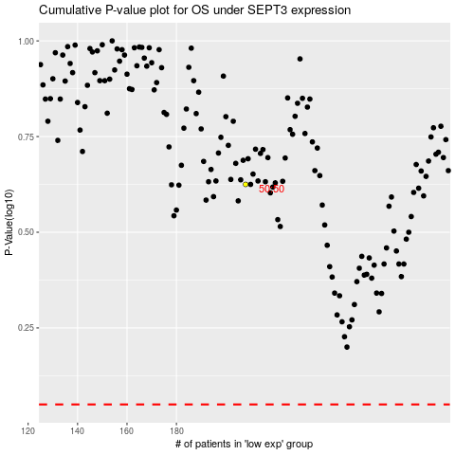

 |  |  |  |  |  | cases_OS | p_OS | rank | exp
 |  |  |  |  |  |  | cases_RFS | p_RFS | rank | exp

