SEPT5 _multivariate
Reported by Tex Li-Hsing Chi. tex@gate.sinica.edu.tw 2019-08-16

Table 2. The clinicopathological features of HNSCC cohort and SEPT5 expression. (Chi square test)
Cutoff at -0.332 (49.8%)
 |  | SEPT5 expression |  | SEPT5 expression |  | (Optimised)
 | Features | Low | (%) | High | (%) | Case no | P-value | Remark | Matthews
Gender | Female | 146 | 35.2 | 160 | 38.6 | 415 | 0.1714 | 0 | 0
2 | Male | 61 | 14.7 | 48 | 11.6
Age at diagnosis | <=65y | 136 | 32.8 | 138 | 33.3 | 415 | 0.9719 | 0 | 0
4 | >65y | 71 | 17.1 | 70 | 16.9
Clinical T Status | T1+T2 | 76 | 18.3 | 73 | 17.6 | 415 | 0.8092 | 0 | 0
6 | T3+T4 | 131 | 31.6 | 135 | 32.5
Clinical N Status | N0 | 97 | 23.4 | 119 | 28.7 | 415 | 0.0442 | 1 | 0
8 | N1-3 | 110 | 26.5 | 89 | 21.4
Clinical M Status | M0 | 204 | 49.2 | 208 | 50.1 | 415 | 0.1232 | 0 | 0
10 | M1 | 3 | 0.7 | 0 | 0
Clinical Stage | Stage I+II | 50 | 12 | 52 | 12.5 | 415 | 0.9315 | 0 | 0
12 | Stage III+IV | 157 | 37.8 | 156 | 37.6
Surgical Margin status | Negative | 155 | 37.3 | 163 | 39.3 | 415 | 0.4187 | 0 | 0
14 | Positive | 52 | 12.5 | 45 | 10.8
Tobacco Exposure | Low | 90 | 21.7 | 71 | 17.1 | 415 | 0.0559 | 0 | 0
16 | High | 117 | 28.2 | 137 | 33

Table 3. Univariate/Multivariate Cox's proportional hazards regression analyses on OS time of SEPT5 gene expression in HNSCC

 |  | Univariate |  |  |  | Multivariate
 | Features | HR | CI95%(L) | CI95%(H) | P-value | HR | CI95%(L) | CI95%(H) | P-value
1 | Female | 1 |  |  |  | 1
Gender | Male | 1.157 | 0.843 | 1.587 | 0.367 | 1.202 | 0.861 | 1.679 | 0.28
11 | <=65y | 1 |  |  |  | 1
Age at diagnosis | >65y | 1.329 | 0.99 | 1.784 | 0.058 | 1.392 | 1.024 | 1.893 | 0.035
12 | T1+T2 | 1 |  |  |  | 1
Clinical T Status | T3+T4 | 1.409 | 1.028 | 1.931 | 0.033 | 2.205 | 1.166 | 4.17 | 0.015
13 | N0 | 1 |  |  |  | 1
Clinical N Status | N1-3 | 1.185 | 0.89 | 1.577 | 0.246 | 1.237 | 0.865 | 1.768 | 0.243
14 | M0 | 1 |  |  |  | 1
Clinical M Status | M1 | 4.097 | 1.009 | 16.644 | 0.049 | 9.314 | 2.023 | 42.879 | 0.004
15 | Stage I+II | 1 |  |  |  | 1
Clinical Stage | Stage III+IV | 1.245 | 0.882 | 1.759 | 0.213 | 0.504 | 0.235 | 1.083 | 0.079
16 | Negative | 1 |  |  |  | 1
Surgical Margin status | Positive | 1.591 | 1.155 | 2.191 | 0.004 | 1.671 | 1.209 | 2.309 | 0.002
17 | Low | 1 |  |  |  | 1
Tobacco Exposure | High | 1.364 | 1.008 | 1.844 | 0.044 | 1.459 | 1.055 | 2.016 | 0.022
18 | Low | 1 |  |  |  | 1
RNAseq(z-score) | High | 0.986 | 0.74 | 1.313 | 0.922 | 0.975 | 0.728 | 1.307 | 0.866

Table 4. Univariate/Multivariate Cox's proportional hazards regression analyses on RFS time of SEPT5 gene expression in HNSCC

 |  | Univariate |  |  |  | Multivariate
 | Features | HR | CI95%(L) | CI95%(H) | P-value | HR | CI95%(L) | CI95%(H) | P-value
1 | Female | 1 |  |  |  | 1
Gender | Male | 1.157 | 0.843 | 1.587 | 0.367 | 1.202 | 0.861 | 1.679 | 0.28
11 | <=65y | 1 |  |  |  | 1
Age at diagnosis | >65y | 1.329 | 0.99 | 1.784 | 0.058 | 1.392 | 1.024 | 1.893 | 0.035
12 | T1+T2 | 1 |  |  |  | 1
Clinical T Status | T3+T4 | 1.409 | 1.028 | 1.931 | 0.033 | 2.205 | 1.166 | 4.17 | 0.015
13 | N0 | 1 |  |  |  | 1
Clinical N Status | N1-3 | 1.185 | 0.89 | 1.577 | 0.246 | 1.237 | 0.865 | 1.768 | 0.243
14 | M0 | 1 |  |  |  | 1
Clinical M Status | M1 | 4.097 | 1.009 | 16.644 | 0.049 | 9.314 | 2.023 | 42.879 | 0.004
15 | Stage I+II | 1 |  |  |  | 1
Clinical Stage | Stage III+IV | 1.245 | 0.882 | 1.759 | 0.213 | 0.504 | 0.235 | 1.083 | 0.079
16 | Negative | 1 |  |  |  | 1
Surgical Margin status | Positive | 1.591 | 1.155 | 2.191 | 0.004 | 1.671 | 1.209 | 2.309 | 0.002
17 | Low | 1 |  |  |  | 1
Tobacco Exposure | High | 1.364 | 1.008 | 1.844 | 0.044 | 1.459 | 1.055 | 2.016 | 0.022
18 | Low | 1 |  |  |  | 1
RNAseq(z-score) | High | 0.986 | 0.74 | 1.313 | 0.922 | 0.975 | 0.728 | 1.307 | 0.866

Kaplan-Meier survival estimate: Cutoff at -0.332 (49.8%)



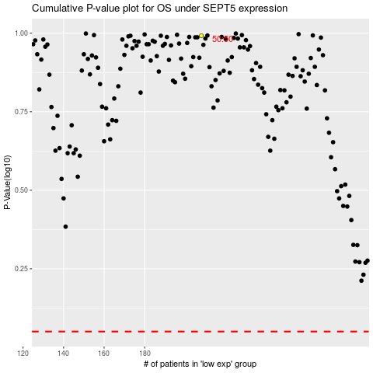

 |  |  |  |  |  | cases_OS | p_OS | rank | exp
 |  |  |  |  |  |  | cases_RFS | p_RFS | rank | exp

