SEPT6 _multivariate
Reported by Tex Li-Hsing Chi. tex@gate.sinica.edu.tw 2019-08-16

Table 2. The clinicopathological features of HNSCC cohort and SEPT6 expression. (Chi square test)
Cutoff at -0.232 (49.8%)
 |  | SEPT6 expression |  | SEPT6 expression |  | (Optimised)
 | Features | Low | (%) | High | (%) | Case no | P-value | Remark | Matthews
Gender | Female | 161 | 38.8 | 145 | 34.9 | 415 | 0.0792 | 0 | 0
2 | Male | 46 | 11.1 | 63 | 15.2
Age at diagnosis | <=65y | 141 | 34 | 133 | 32 | 415 | 0.4272 | 0 | 0
4 | >65y | 66 | 15.9 | 75 | 18.1
Clinical T Status | T1+T2 | 72 | 17.3 | 77 | 18.6 | 415 | 0.7095 | 0 | 0
6 | T3+T4 | 135 | 32.5 | 131 | 31.6
Clinical N Status | N0 | 114 | 27.5 | 102 | 24.6 | 415 | 0.2576 | 1 | 0
8 | N1-3 | 93 | 22.4 | 106 | 25.5
Clinical M Status | M0 | 205 | 49.4 | 207 | 49.9 | 415 | 0.6232 | 0 | 0
10 | M1 | 2 | 0.5 | 1 | 0.2
Clinical Stage | Stage I+II | 54 | 13 | 48 | 11.6 | 415 | 0.5498 | 0 | 0
12 | Stage III+IV | 153 | 36.9 | 160 | 38.6
Surgical Margin status | Negative | 152 | 36.6 | 166 | 40 | 415 | 0.1329 | 0 | 0
14 | Positive | 55 | 13.3 | 42 | 10.1
Tobacco Exposure | Low | 70 | 16.9 | 91 | 21.9 | 415 | 0.0439 | 1 | 0
16 | High | 137 | 33 | 117 | 28.2

Table 3. Univariate/Multivariate Cox's proportional hazards regression analyses on OS time of SEPT6 gene expression in HNSCC

 |  | Univariate |  |  |  | Multivariate
 | Features | HR | CI95%(L) | CI95%(H) | P-value | HR | CI95%(L) | CI95%(H) | P-value
1 | Female | 1 |  |  |  | 1
Gender | Male | 1.157 | 0.843 | 1.587 | 0.367 | 1.192 | 0.851 | 1.668 | 0.307
11 | <=65y | 1 |  |  |  | 1
Age at diagnosis | >65y | 1.329 | 0.99 | 1.784 | 0.058 | 1.391 | 1.023 | 1.89 | 0.035
12 | T1+T2 | 1 |  |  |  | 1
Clinical T Status | T3+T4 | 1.409 | 1.028 | 1.931 | 0.033 | 2.224 | 1.174 | 4.214 | 0.014
13 | N0 | 1 |  |  |  | 1
Clinical N Status | N1-3 | 1.185 | 0.89 | 1.577 | 0.246 | 1.245 | 0.872 | 1.776 | 0.228
14 | M0 | 1 |  |  |  | 1
Clinical M Status | M1 | 4.097 | 1.009 | 16.644 | 0.049 | 9.538 | 2.078 | 43.784 | 0.004
15 | Stage I+II | 1 |  |  |  | 1
Clinical Stage | Stage III+IV | 1.245 | 0.882 | 1.759 | 0.213 | 0.497 | 0.231 | 1.071 | 0.074
16 | Negative | 1 |  |  |  | 1
Surgical Margin status | Positive | 1.591 | 1.155 | 2.191 | 0.004 | 1.678 | 1.214 | 2.32 | 0.002
17 | Low | 1 |  |  |  | 1
Tobacco Exposure | High | 1.364 | 1.008 | 1.844 | 0.044 | 1.463 | 1.06 | 2.019 | 0.02
18 | Low | 1 |  |  |  | 1
RNAseq(z-score) | High | 0.998 | 0.748 | 1.33 | 0.987 | 1.064 | 0.793 | 1.429 | 0.679

Table 4. Univariate/Multivariate Cox's proportional hazards regression analyses on RFS time of SEPT6 gene expression in HNSCC

 |  | Univariate |  |  |  | Multivariate
 | Features | HR | CI95%(L) | CI95%(H) | P-value | HR | CI95%(L) | CI95%(H) | P-value
1 | Female | 1 |  |  |  | 1
Gender | Male | 1.157 | 0.843 | 1.587 | 0.367 | 1.192 | 0.851 | 1.668 | 0.307
11 | <=65y | 1 |  |  |  | 1
Age at diagnosis | >65y | 1.329 | 0.99 | 1.784 | 0.058 | 1.391 | 1.023 | 1.89 | 0.035
12 | T1+T2 | 1 |  |  |  | 1
Clinical T Status | T3+T4 | 1.409 | 1.028 | 1.931 | 0.033 | 2.224 | 1.174 | 4.214 | 0.014
13 | N0 | 1 |  |  |  | 1
Clinical N Status | N1-3 | 1.185 | 0.89 | 1.577 | 0.246 | 1.245 | 0.872 | 1.776 | 0.228
14 | M0 | 1 |  |  |  | 1
Clinical M Status | M1 | 4.097 | 1.009 | 16.644 | 0.049 | 9.538 | 2.078 | 43.784 | 0.004
15 | Stage I+II | 1 |  |  |  | 1
Clinical Stage | Stage III+IV | 1.245 | 0.882 | 1.759 | 0.213 | 0.497 | 0.231 | 1.071 | 0.074
16 | Negative | 1 |  |  |  | 1
Surgical Margin status | Positive | 1.591 | 1.155 | 2.191 | 0.004 | 1.678 | 1.214 | 2.32 | 0.002
17 | Low | 1 |  |  |  | 1
Tobacco Exposure | High | 1.364 | 1.008 | 1.844 | 0.044 | 1.463 | 1.06 | 2.019 | 0.02
18 | Low | 1 |  |  |  | 1
RNAseq(z-score) | High | 0.998 | 0.748 | 1.33 | 0.987 | 1.064 | 0.793 | 1.429 | 0.679

Kaplan-Meier survival estimate: Cutoff at -0.232 (49.8%)



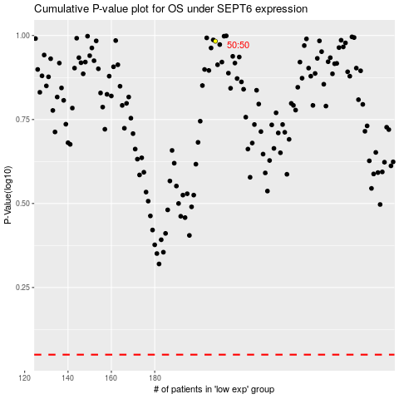

 |  |  |  |  |  | cases_OS | p_OS | rank | exp
 |  |  |  |  |  |  | cases_RFS | p_RFS | rank | exp

