SEPT7 _multivariate
Reported by Tex Li-Hsing Chi. tex@gate.sinica.edu.tw 2019-08-16

Table 2. The clinicopathological features of HNSCC cohort and SEPT7 expression. (Chi square test)
Cutoff at -0.097 (49.8%)
 |  | SEPT7 expression |  | SEPT7 expression |  | (Optimised)
 | Features | Low | (%) | High | (%) | Case no | P-value | Remark | Matthews
Gender | Female | 157 | 37.8 | 149 | 35.9 | 415 | 0.3881 | 0 | 0
2 | Male | 50 | 12 | 59 | 14.2
Age at diagnosis | <=65y | 138 | 33.3 | 136 | 32.8 | 415 | 0.8634 | 0 | 0
4 | >65y | 69 | 16.6 | 72 | 17.3
Clinical T Status | T1+T2 | 68 | 16.4 | 81 | 19.5 | 415 | 0.2336 | 0 | 0
6 | T3+T4 | 139 | 33.5 | 127 | 30.6
Clinical N Status | N0 | 106 | 25.5 | 110 | 26.5 | 415 | 0.8075 | 0 | 0
8 | N1-3 | 101 | 24.3 | 98 | 23.6
Clinical M Status | M0 | 207 | 49.9 | 205 | 49.4 | 415 | 0.2482 | 0 | 0
10 | M1 | 0 | 0 | 3 | 0.7
Clinical Stage | Stage I+II | 40 | 9.6 | 62 | 14.9 | 415 | 0.018 | 1 | 0
12 | Stage III+IV | 167 | 40.2 | 146 | 35.2
Surgical Margin status | Negative | 159 | 38.3 | 159 | 38.3 | 415 | 1 | 0 | 0
14 | Positive | 48 | 11.6 | 49 | 11.8
Tobacco Exposure | Low | 79 | 19 | 82 | 19.8 | 415 | 0.8405 | 0 | 0
16 | High | 128 | 30.8 | 126 | 30.4

Table 3. Univariate/Multivariate Cox's proportional hazards regression analyses on OS time of SEPT7 gene expression in HNSCC

 |  | Univariate |  |  |  | Multivariate
 | Features | HR | CI95%(L) | CI95%(H) | P-value | HR | CI95%(L) | CI95%(H) | P-value
1 | Female | 1 |  |  |  | 1
Gender | Male | 1.157 | 0.843 | 1.587 | 0.367 | 1.192 | 0.854 | 1.665 | 0.303
11 | <=65y | 1 |  |  |  | 1
Age at diagnosis | >65y | 1.329 | 0.99 | 1.784 | 0.058 | 1.388 | 1.021 | 1.887 | 0.036
12 | T1+T2 | 1 |  |  |  | 1
Clinical T Status | T3+T4 | 1.409 | 1.028 | 1.931 | 0.033 | 2.172 | 1.148 | 4.111 | 0.017
13 | N0 | 1 |  |  |  | 1
Clinical N Status | N1-3 | 1.185 | 0.89 | 1.577 | 0.246 | 1.232 | 0.863 | 1.758 | 0.251
14 | M0 | 1 |  |  |  | 1
Clinical M Status | M1 | 4.097 | 1.009 | 16.644 | 0.049 | 8.754 | 1.891 | 40.53 | 0.006
15 | Stage I+II | 1 |  |  |  | 1
Clinical Stage | Stage III+IV | 1.245 | 0.882 | 1.759 | 0.213 | 0.52 | 0.241 | 1.12 | 0.095
16 | Negative | 1 |  |  |  | 1
Surgical Margin status | Positive | 1.591 | 1.155 | 2.191 | 0.004 | 1.676 | 1.213 | 2.317 | 0.002
17 | Low | 1 |  |  |  | 1
Tobacco Exposure | High | 1.364 | 1.008 | 1.844 | 0.044 | 1.448 | 1.051 | 1.995 | 0.024
18 | Low | 1 |  |  |  | 1
RNAseq(z-score) | High | 1.153 | 0.865 | 1.536 | 0.332 | 1.124 | 0.84 | 1.506 | 0.431

Table 4. Univariate/Multivariate Cox's proportional hazards regression analyses on RFS time of SEPT7 gene expression in HNSCC

 |  | Univariate |  |  |  | Multivariate
 | Features | HR | CI95%(L) | CI95%(H) | P-value | HR | CI95%(L) | CI95%(H) | P-value
1 | Female | 1 |  |  |  | 1
Gender | Male | 1.157 | 0.843 | 1.587 | 0.367 | 1.192 | 0.854 | 1.665 | 0.303
11 | <=65y | 1 |  |  |  | 1
Age at diagnosis | >65y | 1.329 | 0.99 | 1.784 | 0.058 | 1.388 | 1.021 | 1.887 | 0.036
12 | T1+T2 | 1 |  |  |  | 1
Clinical T Status | T3+T4 | 1.409 | 1.028 | 1.931 | 0.033 | 2.172 | 1.148 | 4.111 | 0.017
13 | N0 | 1 |  |  |  | 1
Clinical N Status | N1-3 | 1.185 | 0.89 | 1.577 | 0.246 | 1.232 | 0.863 | 1.758 | 0.251
14 | M0 | 1 |  |  |  | 1
Clinical M Status | M1 | 4.097 | 1.009 | 16.644 | 0.049 | 8.754 | 1.891 | 40.53 | 0.006
15 | Stage I+II | 1 |  |  |  | 1
Clinical Stage | Stage III+IV | 1.245 | 0.882 | 1.759 | 0.213 | 0.52 | 0.241 | 1.12 | 0.095
16 | Negative | 1 |  |  |  | 1
Surgical Margin status | Positive | 1.591 | 1.155 | 2.191 | 0.004 | 1.676 | 1.213 | 2.317 | 0.002
17 | Low | 1 |  |  |  | 1
Tobacco Exposure | High | 1.364 | 1.008 | 1.844 | 0.044 | 1.448 | 1.051 | 1.995 | 0.024
18 | Low | 1 |  |  |  | 1
RNAseq(z-score) | High | 1.153 | 0.865 | 1.536 | 0.332 | 1.124 | 0.84 | 1.506 | 0.431

Kaplan-Meier survival estimate: Cutoff at -0.097 (49.8%)



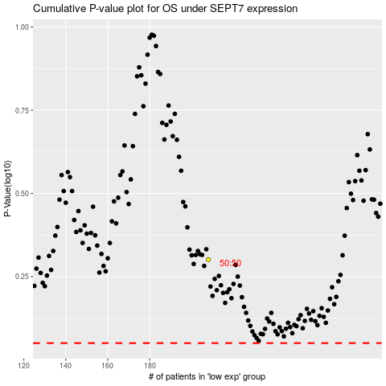

 |  |  |  |  |  | cases_OS | p_OS | rank | exp
 |  |  |  |  |  |  | cases_RFS | p_RFS | rank | exp

