SEPT7P2 _multivariate
Reported by Tex Li-Hsing Chi. tex@gate.sinica.edu.tw 2019-08-16

Table 2. The clinicopathological features of HNSCC cohort and SEPT7P2 expression. (Chi square test)
Cutoff at -0.218 (49.8%)
 |  | SEPT7P2 expression |  | SEPT7P2 expression |  | (Optimised)
 | Features | Low | (%) | High | (%) | Case no | P-value | Remark | Matthews
Gender | Female | 143 | 34.5 | 163 | 39.3 | 415 | 0.0416 | 1 | 0
2 | Male | 64 | 15.4 | 45 | 10.8
Age at diagnosis | <=65y | 136 | 32.8 | 138 | 33.3 | 415 | 0.9719 | 0 | 0
4 | >65y | 71 | 17.1 | 70 | 16.9
Clinical T Status | T1+T2 | 68 | 16.4 | 81 | 19.5 | 415 | 0.2336 | 0 | 0
6 | T3+T4 | 139 | 33.5 | 127 | 30.6
Clinical N Status | N0 | 103 | 24.8 | 113 | 27.2 | 415 | 0.4047 | 0 | 0
8 | N1-3 | 104 | 25.1 | 95 | 22.9
Clinical M Status | M0 | 206 | 49.6 | 206 | 49.6 | 415 | 1 | 0 | 0
10 | M1 | 1 | 0.2 | 2 | 0.5
Clinical Stage | Stage I+II | 50 | 12 | 52 | 12.5 | 415 | 0.9315 | 0 | 0
12 | Stage III+IV | 157 | 37.8 | 156 | 37.6
Surgical Margin status | Negative | 162 | 39 | 156 | 37.6 | 415 | 0.4867 | 0 | 0
14 | Positive | 45 | 10.8 | 52 | 12.5
Tobacco Exposure | Low | 83 | 20 | 78 | 18.8 | 415 | 0.6152 | 0 | 0
16 | High | 124 | 29.9 | 130 | 31.3

Table 3. Univariate/Multivariate Cox's proportional hazards regression analyses on OS time of SEPT7P2 gene expression in HNSCC

 |  | Univariate |  |  |  | Multivariate
 | Features | HR | CI95%(L) | CI95%(H) | P-value | HR | CI95%(L) | CI95%(H) | P-value
1 | Female | 1 |  |  |  | 1
Gender | Male | 1.157 | 0.843 | 1.587 | 0.367 | 1.197 | 0.855 | 1.677 | 0.295
11 | <=65y | 1 |  |  |  | 1
Age at diagnosis | >65y | 1.329 | 0.99 | 1.784 | 0.058 | 1.393 | 1.025 | 1.894 | 0.034
12 | T1+T2 | 1 |  |  |  | 1
Clinical T Status | T3+T4 | 1.409 | 1.028 | 1.931 | 0.033 | 2.191 | 1.156 | 4.153 | 0.016
13 | N0 | 1 |  |  |  | 1
Clinical N Status | N1-3 | 1.185 | 0.89 | 1.577 | 0.246 | 1.239 | 0.868 | 1.768 | 0.238
14 | M0 | 1 |  |  |  | 1
Clinical M Status | M1 | 4.097 | 1.009 | 16.644 | 0.049 | 9.382 | 2.046 | 43.016 | 0.004
15 | Stage I+II | 1 |  |  |  | 1
Clinical Stage | Stage III+IV | 1.245 | 0.882 | 1.759 | 0.213 | 0.508 | 0.236 | 1.093 | 0.083
16 | Negative | 1 |  |  |  | 1
Surgical Margin status | Positive | 1.591 | 1.155 | 2.191 | 0.004 | 1.672 | 1.21 | 2.31 | 0.002
17 | Low | 1 |  |  |  | 1
Tobacco Exposure | High | 1.364 | 1.008 | 1.844 | 0.044 | 1.454 | 1.055 | 2.004 | 0.022
18 | Low | 1 |  |  |  | 1
RNAseq(z-score) | High | 0.93 | 0.697 | 1.241 | 0.623 | 0.973 | 0.726 | 1.306 | 0.857

Table 4. Univariate/Multivariate Cox's proportional hazards regression analyses on RFS time of SEPT7P2 gene expression in HNSCC

 |  | Univariate |  |  |  | Multivariate
 | Features | HR | CI95%(L) | CI95%(H) | P-value | HR | CI95%(L) | CI95%(H) | P-value
1 | Female | 1 |  |  |  | 1
Gender | Male | 1.157 | 0.843 | 1.587 | 0.367 | 1.197 | 0.855 | 1.677 | 0.295
11 | <=65y | 1 |  |  |  | 1
Age at diagnosis | >65y | 1.329 | 0.99 | 1.784 | 0.058 | 1.393 | 1.025 | 1.894 | 0.034
12 | T1+T2 | 1 |  |  |  | 1
Clinical T Status | T3+T4 | 1.409 | 1.028 | 1.931 | 0.033 | 2.191 | 1.156 | 4.153 | 0.016
13 | N0 | 1 |  |  |  | 1
Clinical N Status | N1-3 | 1.185 | 0.89 | 1.577 | 0.246 | 1.239 | 0.868 | 1.768 | 0.238
14 | M0 | 1 |  |  |  | 1
Clinical M Status | M1 | 4.097 | 1.009 | 16.644 | 0.049 | 9.382 | 2.046 | 43.016 | 0.004
15 | Stage I+II | 1 |  |  |  | 1
Clinical Stage | Stage III+IV | 1.245 | 0.882 | 1.759 | 0.213 | 0.508 | 0.236 | 1.093 | 0.083
16 | Negative | 1 |  |  |  | 1
Surgical Margin status | Positive | 1.591 | 1.155 | 2.191 | 0.004 | 1.672 | 1.21 | 2.31 | 0.002
17 | Low | 1 |  |  |  | 1
Tobacco Exposure | High | 1.364 | 1.008 | 1.844 | 0.044 | 1.454 | 1.055 | 2.004 | 0.022
18 | Low | 1 |  |  |  | 1
RNAseq(z-score) | High | 0.93 | 0.697 | 1.241 | 0.623 | 0.973 | 0.726 | 1.306 | 0.857

Kaplan-Meier survival estimate: Cutoff at -0.218 (49.8%)



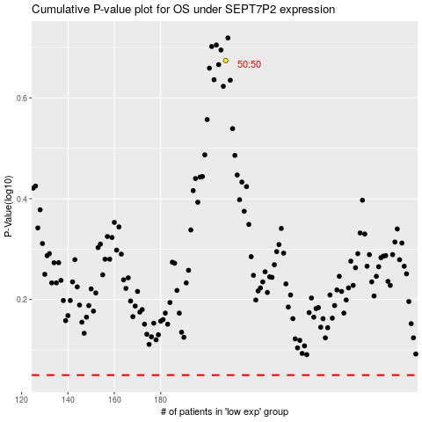

 |  |  |  |  |  | cases_OS | p_OS | rank | exp
 |  |  |  |  |  |  | cases_RFS | p_RFS | rank | exp

