SEPT8 _multivariate
Reported by Tex Li-Hsing Chi. tex@gate.sinica.edu.tw 2019-08-16

Table 2. The clinicopathological features of HNSCC cohort and SEPT8 expression. (Chi square test)
Cutoff at -0.211 (49.8%)
 |  | SEPT8 expression |  | SEPT8 expression |  | (Optimised)
 | Features | Low | (%) | High | (%) | Case no | P-value | Remark | Matthews
Gender | Female | 164 | 39.5 | 142 | 34.2 | 415 | 0.0153 | 1 | 0
2 | Male | 43 | 10.4 | 66 | 15.9
Age at diagnosis | <=65y | 132 | 31.8 | 142 | 34.2 | 415 | 0.3874 | 0 | 0
4 | >65y | 75 | 18.1 | 66 | 15.9
Clinical T Status | T1+T2 | 70 | 16.9 | 79 | 19 | 415 | 0.4343 | 0 | 0
6 | T3+T4 | 137 | 33 | 129 | 31.1
Clinical N Status | N0 | 107 | 25.8 | 109 | 26.3 | 415 | 0.9624 | 0 | 0
8 | N1-3 | 100 | 24.1 | 99 | 23.9
Clinical M Status | M0 | 205 | 49.4 | 207 | 49.9 | 415 | 0.6232 | 0 | 0
10 | M1 | 2 | 0.5 | 1 | 0.2
Clinical Stage | Stage I+II | 47 | 11.3 | 55 | 13.3 | 415 | 0.4413 | 0 | 0
12 | Stage III+IV | 160 | 38.6 | 153 | 36.9
Surgical Margin status | Negative | 165 | 39.8 | 153 | 36.9 | 415 | 0.1639 | 0 | 0
14 | Positive | 42 | 10.1 | 55 | 13.3
Tobacco Exposure | Low | 78 | 18.8 | 83 | 20 | 415 | 0.6873 | 0 | 0
16 | High | 129 | 31.1 | 125 | 30.1

Table 3. Univariate/Multivariate Cox's proportional hazards regression analyses on OS time of SEPT8 gene expression in HNSCC

 |  | Univariate |  |  |  | Multivariate
 | Features | HR | CI95%(L) | CI95%(H) | P-value | HR | CI95%(L) | CI95%(H) | P-value
1 | Female | 1 |  |  |  | 1
Gender | Male | 1.157 | 0.843 | 1.587 | 0.367 | 1.172 | 0.838 | 1.639 | 0.355
11 | <=65y | 1 |  |  |  | 1
Age at diagnosis | >65y | 1.329 | 0.99 | 1.784 | 0.058 | 1.408 | 1.035 | 1.917 | 0.029
12 | T1+T2 | 1 |  |  |  | 1
Clinical T Status | T3+T4 | 1.409 | 1.028 | 1.931 | 0.033 | 2.245 | 1.186 | 4.25 | 0.013
13 | N0 | 1 |  |  |  | 1
Clinical N Status | N1-3 | 1.185 | 0.89 | 1.577 | 0.246 | 1.248 | 0.875 | 1.78 | 0.221
14 | M0 | 1 |  |  |  | 1
Clinical M Status | M1 | 4.097 | 1.009 | 16.644 | 0.049 | 9.648 | 2.103 | 44.265 | 0.004
15 | Stage I+II | 1 |  |  |  | 1
Clinical Stage | Stage III+IV | 1.245 | 0.882 | 1.759 | 0.213 | 0.515 | 0.24 | 1.106 | 0.089
16 | Negative | 1 |  |  |  | 1
Surgical Margin status | Positive | 1.591 | 1.155 | 2.191 | 0.004 | 1.633 | 1.179 | 2.26 | 0.003
17 | Low | 1 |  |  |  | 1
Tobacco Exposure | High | 1.364 | 1.008 | 1.844 | 0.044 | 1.456 | 1.057 | 2.006 | 0.021
18 | Low | 1 |  |  |  | 1
RNAseq(z-score) | High | 1.197 | 0.897 | 1.596 | 0.222 | 1.224 | 0.909 | 1.648 | 0.183

Table 4. Univariate/Multivariate Cox's proportional hazards regression analyses on RFS time of SEPT8 gene expression in HNSCC

 |  | Univariate |  |  |  | Multivariate
 | Features | HR | CI95%(L) | CI95%(H) | P-value | HR | CI95%(L) | CI95%(H) | P-value
1 | Female | 1 |  |  |  | 1
Gender | Male | 1.157 | 0.843 | 1.587 | 0.367 | 1.172 | 0.838 | 1.639 | 0.355
11 | <=65y | 1 |  |  |  | 1
Age at diagnosis | >65y | 1.329 | 0.99 | 1.784 | 0.058 | 1.408 | 1.035 | 1.917 | 0.029
12 | T1+T2 | 1 |  |  |  | 1
Clinical T Status | T3+T4 | 1.409 | 1.028 | 1.931 | 0.033 | 2.245 | 1.186 | 4.25 | 0.013
13 | N0 | 1 |  |  |  | 1
Clinical N Status | N1-3 | 1.185 | 0.89 | 1.577 | 0.246 | 1.248 | 0.875 | 1.78 | 0.221
14 | M0 | 1 |  |  |  | 1
Clinical M Status | M1 | 4.097 | 1.009 | 16.644 | 0.049 | 9.648 | 2.103 | 44.265 | 0.004
15 | Stage I+II | 1 |  |  |  | 1
Clinical Stage | Stage III+IV | 1.245 | 0.882 | 1.759 | 0.213 | 0.515 | 0.24 | 1.106 | 0.089
16 | Negative | 1 |  |  |  | 1
Surgical Margin status | Positive | 1.591 | 1.155 | 2.191 | 0.004 | 1.633 | 1.179 | 2.26 | 0.003
17 | Low | 1 |  |  |  | 1
Tobacco Exposure | High | 1.364 | 1.008 | 1.844 | 0.044 | 1.456 | 1.057 | 2.006 | 0.021
18 | Low | 1 |  |  |  | 1
RNAseq(z-score) | High | 1.197 | 0.897 | 1.596 | 0.222 | 1.224 | 0.909 | 1.648 | 0.183

Kaplan-Meier survival estimate: Cutoff at -0.211 (49.8%)



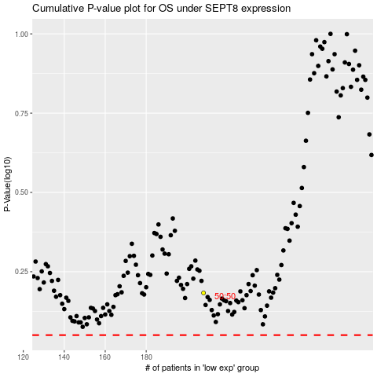

 |  |  |  |  |  | cases_OS | p_OS | rank | exp
 |  |  |  |  |  |  | cases_RFS | p_RFS | rank | exp

