SERHL2 _multivariate
Reported by Tex Li-Hsing Chi. tex@gate.sinica.edu.tw 2019-08-16

Table 2. The clinicopathological features of HNSCC cohort and SERHL2 expression. (Chi square test)
Cutoff at -0.357 (49.8%)
 |  | SERHL2 expression |  | SERHL2 expression |  | (Optimised)
 | Features | Low | (%) | High | (%) | Case no | P-value | Remark | Matthews
Gender | Female | 138 | 33.3 | 168 | 40.5 | 415 | 0.0016 | 1 | 0
2 | Male | 69 | 16.6 | 40 | 9.6
Age at diagnosis | <=65y | 137 | 33 | 137 | 33 | 415 | 1 | 0 | 0
4 | >65y | 70 | 16.9 | 71 | 17.1
Clinical T Status | T1+T2 | 78 | 18.8 | 71 | 17.1 | 415 | 0.5152 | 0 | 0
6 | T3+T4 | 129 | 31.1 | 137 | 33
Clinical N Status | N0 | 102 | 24.6 | 114 | 27.5 | 415 | 0.3031 | 0 | 0
8 | N1-3 | 105 | 25.3 | 94 | 22.7
Clinical M Status | M0 | 206 | 49.6 | 206 | 49.6 | 415 | 1 | 0 | 0
10 | M1 | 1 | 0.2 | 2 | 0.5
Clinical Stage | Stage I+II | 56 | 13.5 | 46 | 11.1 | 415 | 0.2918 | 0 | 0
12 | Stage III+IV | 151 | 36.4 | 162 | 39
Surgical Margin status | Negative | 160 | 38.6 | 158 | 38.1 | 415 | 0.8167 | 0 | 0
14 | Positive | 47 | 11.3 | 50 | 12
Tobacco Exposure | Low | 99 | 23.9 | 62 | 14.9 | 415 | 2e-04 | 1 | 0
16 | High | 108 | 26 | 146 | 35.2

Table 3. Univariate/Multivariate Cox's proportional hazards regression analyses on OS time of SERHL2 gene expression in HNSCC

 |  | Univariate |  |  |  | Multivariate
 | Features | HR | CI95%(L) | CI95%(H) | P-value | HR | CI95%(L) | CI95%(H) | P-value
1 | Female | 1 |  |  |  | 1
Gender | Male | 1.157 | 0.843 | 1.587 | 0.367 | 1.185 | 0.844 | 1.663 | 0.327
11 | <=65y | 1 |  |  |  | 1
Age at diagnosis | >65y | 1.329 | 0.99 | 1.784 | 0.058 | 1.397 | 1.027 | 1.901 | 0.033
12 | T1+T2 | 1 |  |  |  | 1
Clinical T Status | T3+T4 | 1.409 | 1.028 | 1.931 | 0.033 | 2.196 | 1.161 | 4.152 | 0.016
13 | N0 | 1 |  |  |  | 1
Clinical N Status | N1-3 | 1.185 | 0.89 | 1.577 | 0.246 | 1.228 | 0.859 | 1.756 | 0.26
14 | M0 | 1 |  |  |  | 1
Clinical M Status | M1 | 4.097 | 1.009 | 16.644 | 0.049 | 9.455 | 2.062 | 43.348 | 0.004
15 | Stage I+II | 1 |  |  |  | 1
Clinical Stage | Stage III+IV | 1.245 | 0.882 | 1.759 | 0.213 | 0.512 | 0.238 | 1.101 | 0.087
16 | Negative | 1 |  |  |  | 1
Surgical Margin status | Positive | 1.591 | 1.155 | 2.191 | 0.004 | 1.668 | 1.207 | 2.304 | 0.002
17 | Low | 1 |  |  |  | 1
Tobacco Exposure | High | 1.364 | 1.008 | 1.844 | 0.044 | 1.472 | 1.064 | 2.038 | 0.02
18 | Low | 1 |  |  |  | 1
RNAseq(z-score) | High | 0.947 | 0.711 | 1.262 | 0.709 | 0.927 | 0.685 | 1.253 | 0.621

Table 4. Univariate/Multivariate Cox's proportional hazards regression analyses on RFS time of SERHL2 gene expression in HNSCC

 |  | Univariate |  |  |  | Multivariate
 | Features | HR | CI95%(L) | CI95%(H) | P-value | HR | CI95%(L) | CI95%(H) | P-value
1 | Female | 1 |  |  |  | 1
Gender | Male | 1.157 | 0.843 | 1.587 | 0.367 | 1.185 | 0.844 | 1.663 | 0.327
11 | <=65y | 1 |  |  |  | 1
Age at diagnosis | >65y | 1.329 | 0.99 | 1.784 | 0.058 | 1.397 | 1.027 | 1.901 | 0.033
12 | T1+T2 | 1 |  |  |  | 1
Clinical T Status | T3+T4 | 1.409 | 1.028 | 1.931 | 0.033 | 2.196 | 1.161 | 4.152 | 0.016
13 | N0 | 1 |  |  |  | 1
Clinical N Status | N1-3 | 1.185 | 0.89 | 1.577 | 0.246 | 1.228 | 0.859 | 1.756 | 0.26
14 | M0 | 1 |  |  |  | 1
Clinical M Status | M1 | 4.097 | 1.009 | 16.644 | 0.049 | 9.455 | 2.062 | 43.348 | 0.004
15 | Stage I+II | 1 |  |  |  | 1
Clinical Stage | Stage III+IV | 1.245 | 0.882 | 1.759 | 0.213 | 0.512 | 0.238 | 1.101 | 0.087
16 | Negative | 1 |  |  |  | 1
Surgical Margin status | Positive | 1.591 | 1.155 | 2.191 | 0.004 | 1.668 | 1.207 | 2.304 | 0.002
17 | Low | 1 |  |  |  | 1
Tobacco Exposure | High | 1.364 | 1.008 | 1.844 | 0.044 | 1.472 | 1.064 | 2.038 | 0.02
18 | Low | 1 |  |  |  | 1
RNAseq(z-score) | High | 0.947 | 0.711 | 1.262 | 0.709 | 0.927 | 0.685 | 1.253 | 0.621

Kaplan-Meier survival estimate: Cutoff at -0.357 (49.8%)

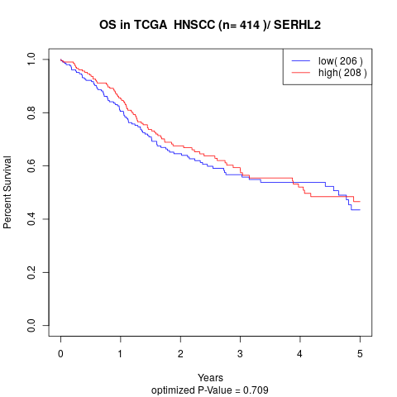

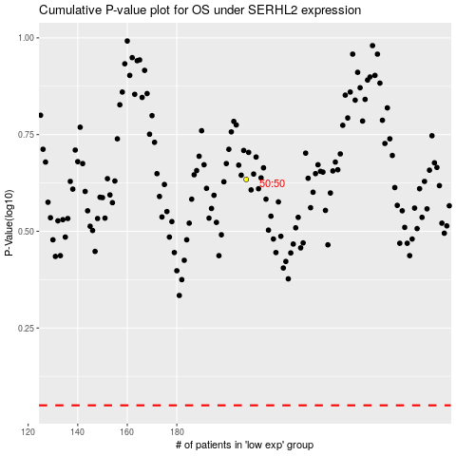

 |  |  |  |  |  | cases_OS | p_OS | rank | exp
 |  |  |  |  |  |  | cases_RFS | p_RFS | rank | exp

