SERINC1 _multivariate
Reported by Tex Li-Hsing Chi. tex@gate.sinica.edu.tw 2019-08-16

Table 2. The clinicopathological features of HNSCC cohort and SERINC1 expression. (Chi square test)
Cutoff at -0.244 (41.8%)
 |  | SERINC1 expression |  | SERINC1 expression |  | (Optimised)
 | Features | Low | (%) | High | (%) | Case no | P-value | Remark | Matthews
Gender | Female | 133 | 32 | 173 | 41.7 | 415 | 0.2639 | 0 | 0
2 | Male | 40 | 9.6 | 69 | 16.6
Age at diagnosis | <=65y | 112 | 27 | 162 | 39 | 415 | 0.7174 | 0 | 0
4 | >65y | 61 | 14.7 | 80 | 19.3
Clinical T Status | T1+T2 | 59 | 14.2 | 90 | 21.7 | 415 | 0.5876 | 0 | 0
6 | T3+T4 | 114 | 27.5 | 152 | 36.6
Clinical N Status | N0 | 94 | 22.7 | 122 | 29.4 | 415 | 0.4909 | 0 | 0
8 | N1-3 | 79 | 19 | 120 | 28.9
Clinical M Status | M0 | 171 | 41.2 | 241 | 58.1 | 415 | 0.5734 | 0 | 0
10 | M1 | 2 | 0.5 | 1 | 0.2
Clinical Stage | Stage I+II | 38 | 9.2 | 64 | 15.4 | 415 | 0.3525 | 0 | 0
12 | Stage III+IV | 135 | 32.5 | 178 | 42.9
Surgical Margin status | Negative | 132 | 31.8 | 186 | 44.8 | 415 | 0.9068 | 0 | 0
14 | Positive | 41 | 9.9 | 56 | 13.5
Tobacco Exposure | Low | 70 | 16.9 | 91 | 21.9 | 415 | 0.6096 | 0 | 0
16 | High | 103 | 24.8 | 151 | 36.4

Table 3. Univariate/Multivariate Cox's proportional hazards regression analyses on OS time of SERINC1 gene expression in HNSCC

 |  | Univariate |  |  |  | Multivariate
 | Features | HR | CI95%(L) | CI95%(H) | P-value | HR | CI95%(L) | CI95%(H) | P-value
1 | Female | 1 |  |  |  | 1
Gender | Male | 1.157 | 0.843 | 1.587 | 0.367 | 1.182 | 0.847 | 1.649 | 0.325
11 | <=65y | 1 |  |  |  | 1
Age at diagnosis | >65y | 1.329 | 0.99 | 1.784 | 0.058 | 1.43 | 1.05 | 1.947 | 0.023
12 | T1+T2 | 1 |  |  |  | 1
Clinical T Status | T3+T4 | 1.409 | 1.028 | 1.931 | 0.033 | 2.195 | 1.16 | 4.154 | 0.016
13 | N0 | 1 |  |  |  | 1
Clinical N Status | N1-3 | 1.185 | 0.89 | 1.577 | 0.246 | 1.21 | 0.847 | 1.728 | 0.295
14 | M0 | 1 |  |  |  | 1
Clinical M Status | M1 | 4.097 | 1.009 | 16.644 | 0.049 | 10.187 | 2.22 | 46.747 | 0.003
15 | Stage I+II | 1 |  |  |  | 1
Clinical Stage | Stage III+IV | 1.245 | 0.882 | 1.759 | 0.213 | 0.521 | 0.243 | 1.121 | 0.095
16 | Negative | 1 |  |  |  | 1
Surgical Margin status | Positive | 1.591 | 1.155 | 2.191 | 0.004 | 1.702 | 1.231 | 2.352 | 0.001
17 | Low | 1 |  |  |  | 1
Tobacco Exposure | High | 1.364 | 1.008 | 1.844 | 0.044 | 1.41 | 1.022 | 1.944 | 0.036
18 | Low | 1 |  |  |  | 1
RNAseq(z-score) | High | 1.423 | 1.056 | 1.917 | 0.02 | 1.47 | 1.087 | 1.986 | 0.012

Table 4. Univariate/Multivariate Cox's proportional hazards regression analyses on RFS time of SERINC1 gene expression in HNSCC

 |  | Univariate |  |  |  | Multivariate
 | Features | HR | CI95%(L) | CI95%(H) | P-value | HR | CI95%(L) | CI95%(H) | P-value
1 | Female | 1 |  |  |  | 1
Gender | Male | 1.157 | 0.843 | 1.587 | 0.367 | 1.182 | 0.847 | 1.649 | 0.325
11 | <=65y | 1 |  |  |  | 1
Age at diagnosis | >65y | 1.329 | 0.99 | 1.784 | 0.058 | 1.43 | 1.05 | 1.947 | 0.023
12 | T1+T2 | 1 |  |  |  | 1
Clinical T Status | T3+T4 | 1.409 | 1.028 | 1.931 | 0.033 | 2.195 | 1.16 | 4.154 | 0.016
13 | N0 | 1 |  |  |  | 1
Clinical N Status | N1-3 | 1.185 | 0.89 | 1.577 | 0.246 | 1.21 | 0.847 | 1.728 | 0.295
14 | M0 | 1 |  |  |  | 1
Clinical M Status | M1 | 4.097 | 1.009 | 16.644 | 0.049 | 10.187 | 2.22 | 46.747 | 0.003
15 | Stage I+II | 1 |  |  |  | 1
Clinical Stage | Stage III+IV | 1.245 | 0.882 | 1.759 | 0.213 | 0.521 | 0.243 | 1.121 | 0.095
16 | Negative | 1 |  |  |  | 1
Surgical Margin status | Positive | 1.591 | 1.155 | 2.191 | 0.004 | 1.702 | 1.231 | 2.352 | 0.001
17 | Low | 1 |  |  |  | 1
Tobacco Exposure | High | 1.364 | 1.008 | 1.844 | 0.044 | 1.41 | 1.022 | 1.944 | 0.036
18 | Low | 1 |  |  |  | 1
RNAseq(z-score) | High | 1.423 | 1.056 | 1.917 | 0.02 | 1.47 | 1.087 | 1.986 | 0.012

Kaplan-Meier survival estimate: Cutoff at -0.244 (41.8%)

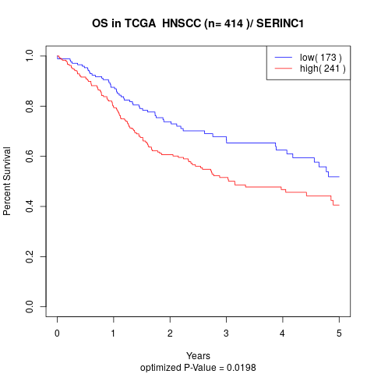

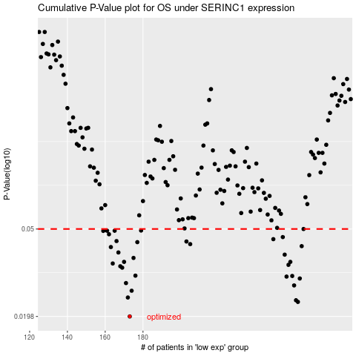

 |  |  |  |  |  | cases_OS | p_OS | rank | exp
 |  |  |  |  |  | 173 | 0.0198 | 65 | -0.24381564586
 |  |  |  |  |  | 262 | 0.0231 | 369 | 0.2456292813
 |  |  |  |  |  | 261 | 0.0235 | 154 | 0.24423327163
 |  |  |  |  |  | 172 | 0.0242 | 160 | -0.24394201111
 |  |  |  |  |  | 174 | 0.026 | 201 | -0.22410758434
 |  |  |  |  |  | 260 | 0.0275 | 294 | 0.23811318667
 |  |  |  |  |  | 171 | 0.0282 | 96 | -0.24606553768
 |  |  |  |  |  | 263 | 0.0296 | 191 | 0.26253763244
 |  |  |  |  |  | 256 | 0.0302 | 240 | 0.21757243803
 |  |  |  |  |  | 259 | 0.0304 | 393 | 0.23119216241
 |  |  |  |  |  | 176 | 0.0305 | 274 | -0.22122640281
 |  |  |  |  |  | 169 | 0.0332 | 218 | -0.25176485226
 |  |  |  |  |  | 168 | 0.0337 | 13 | -0.26080215923
 |  |  |  |  |  | 257 | 0.0342 | 212 | 0.21818145955
 |  |  |  |  |  | 164 | 0.0347 | 99 | -0.26505583022
 |  |  |  |  |  | 258 | 0.0353 | 16 | 0.21953829868
 |  |  |  |  |  | 170 | 0.0353 | 112 | -0.24732507646
 |  |  |  |  |  | 175 | 0.0368 | 164 | -0.22155863702
 |  |  |  |  |  | 255 | 0.0381 | 139 | 0.20607471991
 |  |  |  |  |  | 167 | 0.039 | 293 | -0.26307467697
 |  |  |  |  |  | 163 | 0.0413 | 170 | -0.27286838687
 |  |  |  |  |  | 264 | 0.0417 | 209 | 0.26602488429
 |  |  |  |  |  | 205 | 0.0426 | 133 | -0.083990602971
 |  |  |  |  |  | 177 | 0.0435 | 66 | -0.22090651001
 |  |  |  |  |  | 203 | 0.0438 | 284 | -0.088348281604
 |  |  |  |  |  | 166 | 0.044 | 309 | -0.2631684001
 |  |  |  |  |  | 249 | 0.0449 | 115 | 0.16206607383
 |  |  |  |  |  | 254 | 0.0459 | 17 | 0.2049691804
 |  |  |  |  |  | 162 | 0.0473 | 292 | -0.2776166978
 |  |  |  |  |  | 159 | 0.049 | 138 | -0.28200487223
 |  |  |  |  |  | 161 | 0.0491 | 145 | -0.27830906852
 |  |  |  |  |  | 165 | 0.0491 | 312 | -0.26338196007
 |  |  |  |  |  | 179 | 0.0492 | 285 | -0.21385464897
 |  |  |  |  |  | 265 | 0.05 | 155 | 0.26835445866
 |  |  |  |  |  |  | cases_RFS | p_RFS | rank | exp
 |  |  |  |  |  |  | 172 | 0.0198 | 160 | -0.24394201111
 |  |  |  |  |  |  | 261 | 0.0231 | 154 | 0.24423327163
 |  |  |  |  |  |  | 260 | 0.0235 | 294 | 0.23811318667
 |  |  |  |  |  |  | 171 | 0.0242 | 96 | -0.24606553768
 |  |  |  |  |  |  | 173 | 0.026 | 65 | -0.24381564586
 |  |  |  |  |  |  | 259 | 0.0275 | 393 | 0.23119216241
 |  |  |  |  |  |  | 170 | 0.0282 | 112 | -0.24732507646
 |  |  |  |  |  |  | 262 | 0.0296 | 369 | 0.2456292813
 |  |  |  |  |  |  | 255 | 0.0302 | 139 | 0.20607471991
 |  |  |  |  |  |  | 258 | 0.0304 | 16 | 0.21953829868
 |  |  |  |  |  |  | 175 | 0.0305 | 164 | -0.22155863702
 |  |  |  |  |  |  | 168 | 0.0332 | 13 | -0.26080215923
 |  |  |  |  |  |  | 167 | 0.0337 | 293 | -0.26307467697
 |  |  |  |  |  |  | 256 | 0.0342 | 240 | 0.21757243803
 |  |  |  |  |  |  | 163 | 0.0347 | 170 | -0.27286838687
 |  |  |  |  |  |  | 257 | 0.0353 | 212 | 0.21818145955
 |  |  |  |  |  |  | 169 | 0.0353 | 218 | -0.25176485226
 |  |  |  |  |  |  | 174 | 0.0368 | 201 | -0.22410758434
 |  |  |  |  |  |  | 254 | 0.0381 | 17 | 0.2049691804
 |  |  |  |  |  |  | 166 | 0.039 | 309 | -0.2631684001
 |  |  |  |  |  |  | 162 | 0.0413 | 292 | -0.2776166978
 |  |  |  |  |  |  | 263 | 0.0417 | 191 | 0.26253763244
 |  |  |  |  |  |  | 204 | 0.0426 | 321 | -0.086691045518
 |  |  |  |  |  |  | 176 | 0.0435 | 274 | -0.22122640281
 |  |  |  |  |  |  | 202 | 0.0438 | 340 | -0.099114279603
 |  |  |  |  |  |  | 165 | 0.044 | 312 | -0.26338196007
 |  |  |  |  |  |  | 248 | 0.0449 | 83 | 0.15998547388
 |  |  |  |  |  |  | 253 | 0.0459 | 141 | 0.2038022916
 |  |  |  |  |  |  | 161 | 0.0473 | 145 | -0.27830906852
 |  |  |  |  |  |  | 158 | 0.049 | 50 | -0.28682463811
 |  |  |  |  |  |  | 164 | 0.0491 | 99 | -0.26505583022
 |  |  |  |  |  |  | 160 | 0.0491 | 190 | -0.28053347267
 |  |  |  |  |  |  | 178 | 0.0492 | 93 | -0.22042653667
 |  |  |  |  |  |  | 264 | 0.05 | 209 | 0.26602488429

