SERINC2 _multivariate
Reported by Tex Li-Hsing Chi. tex@gate.sinica.edu.tw 2019-08-16

Table 2. The clinicopathological features of HNSCC cohort and SERINC2 expression. (Chi square test)
Cutoff at -0.073 (50.0%)
 |  | SERINC2 expression |  | SERINC2 expression |  | (Optimised)
 | Features | Low | (%) | High | (%) | Case no | P-value | Remark | Matthews
Gender | Female | 160 | 38.6 | 146 | 35.2 | 415 | 0.1254 | 0 | 0
2 | Male | 47 | 11.3 | 62 | 14.9
Age at diagnosis | <=65y | 141 | 34 | 133 | 32 | 415 | 0.4272 | 0 | 0
4 | >65y | 66 | 15.9 | 75 | 18.1
Clinical T Status | T1+T2 | 76 | 18.3 | 73 | 17.6 | 415 | 0.8092 | 0 | 0
6 | T3+T4 | 131 | 31.6 | 135 | 32.5
Clinical N Status | N0 | 100 | 24.1 | 116 | 28 | 415 | 0.1548 | 0 | 0
8 | N1-3 | 107 | 25.8 | 92 | 22.2
Clinical M Status | M0 | 207 | 49.9 | 205 | 49.4 | 415 | 0.2482 | 0 | 0
10 | M1 | 0 | 0 | 3 | 0.7
Clinical Stage | Stage I+II | 44 | 10.6 | 58 | 14 | 415 | 0.1459 | 0 | 0
12 | Stage III+IV | 163 | 39.3 | 150 | 36.1
Surgical Margin status | Negative | 156 | 37.6 | 162 | 39 | 415 | 0.5636 | 0 | 0
14 | Positive | 51 | 12.3 | 46 | 11.1
Tobacco Exposure | Low | 69 | 16.6 | 92 | 22.2 | 415 | 0.0266 | 1 | 0
16 | High | 138 | 33.3 | 116 | 28

Table 3. Univariate/Multivariate Cox's proportional hazards regression analyses on OS time of SERINC2 gene expression in HNSCC

 |  | Univariate |  |  |  | Multivariate
 | Features | HR | CI95%(L) | CI95%(H) | P-value | HR | CI95%(L) | CI95%(H) | P-value
1 | Female | 1 |  |  |  | 1
Gender | Male | 1.157 | 0.843 | 1.587 | 0.367 | 1.188 | 0.849 | 1.661 | 0.315
11 | <=65y | 1 |  |  |  | 1
Age at diagnosis | >65y | 1.329 | 0.99 | 1.784 | 0.058 | 1.394 | 1.026 | 1.895 | 0.034
12 | T1+T2 | 1 |  |  |  | 1
Clinical T Status | T3+T4 | 1.409 | 1.028 | 1.931 | 0.033 | 2.137 | 1.126 | 4.053 | 0.02
13 | N0 | 1 |  |  |  | 1
Clinical N Status | N1-3 | 1.185 | 0.89 | 1.577 | 0.246 | 1.247 | 0.874 | 1.778 | 0.223
14 | M0 | 1 |  |  |  | 1
Clinical M Status | M1 | 4.097 | 1.009 | 16.644 | 0.049 | 8.446 | 1.813 | 39.347 | 0.007
15 | Stage I+II | 1 |  |  |  | 1
Clinical Stage | Stage III+IV | 1.245 | 0.882 | 1.759 | 0.213 | 0.531 | 0.245 | 1.148 | 0.108
16 | Negative | 1 |  |  |  | 1
Surgical Margin status | Positive | 1.591 | 1.155 | 2.191 | 0.004 | 1.672 | 1.211 | 2.31 | 0.002
17 | Low | 1 |  |  |  | 1
Tobacco Exposure | High | 1.364 | 1.008 | 1.844 | 0.044 | 1.467 | 1.064 | 2.024 | 0.019
18 | Low | 1 |  |  |  | 1
RNAseq(z-score) | High | 1.15 | 0.861 | 1.535 | 0.344 | 1.152 | 0.854 | 1.553 | 0.353

Table 4. Univariate/Multivariate Cox's proportional hazards regression analyses on RFS time of SERINC2 gene expression in HNSCC

 |  | Univariate |  |  |  | Multivariate
 | Features | HR | CI95%(L) | CI95%(H) | P-value | HR | CI95%(L) | CI95%(H) | P-value
1 | Female | 1 |  |  |  | 1
Gender | Male | 1.157 | 0.843 | 1.587 | 0.367 | 1.188 | 0.849 | 1.661 | 0.315
11 | <=65y | 1 |  |  |  | 1
Age at diagnosis | >65y | 1.329 | 0.99 | 1.784 | 0.058 | 1.394 | 1.026 | 1.895 | 0.034
12 | T1+T2 | 1 |  |  |  | 1
Clinical T Status | T3+T4 | 1.409 | 1.028 | 1.931 | 0.033 | 2.137 | 1.126 | 4.053 | 0.02
13 | N0 | 1 |  |  |  | 1
Clinical N Status | N1-3 | 1.185 | 0.89 | 1.577 | 0.246 | 1.247 | 0.874 | 1.778 | 0.223
14 | M0 | 1 |  |  |  | 1
Clinical M Status | M1 | 4.097 | 1.009 | 16.644 | 0.049 | 8.446 | 1.813 | 39.347 | 0.007
15 | Stage I+II | 1 |  |  |  | 1
Clinical Stage | Stage III+IV | 1.245 | 0.882 | 1.759 | 0.213 | 0.531 | 0.245 | 1.148 | 0.108
16 | Negative | 1 |  |  |  | 1
Surgical Margin status | Positive | 1.591 | 1.155 | 2.191 | 0.004 | 1.672 | 1.211 | 2.31 | 0.002
17 | Low | 1 |  |  |  | 1
Tobacco Exposure | High | 1.364 | 1.008 | 1.844 | 0.044 | 1.467 | 1.064 | 2.024 | 0.019
18 | Low | 1 |  |  |  | 1
RNAseq(z-score) | High | 1.15 | 0.861 | 1.535 | 0.344 | 1.152 | 0.854 | 1.553 | 0.353

Kaplan-Meier survival estimate: Cutoff at -0.073 (50.0%)



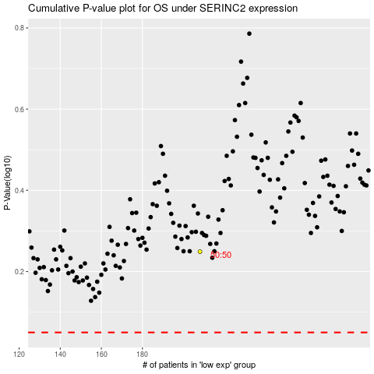

 |  |  |  |  |  | cases_OS | p_OS | rank | exp
 |  |  |  |  |  |  | cases_RFS | p_RFS | rank | exp

