SERP2 _multivariate
Reported by Tex Li-Hsing Chi. tex@gate.sinica.edu.tw 2019-08-16

Table 2. The clinicopathological features of HNSCC cohort and SERP2 expression. (Chi square test)
Cutoff at -0.469 (35.7%)
 |  | SERP2 expression |  | SERP2 expression |  | (Optimised)
 | Features | Low | (%) | High | (%) | Case no | P-value | Remark | Matthews
Gender | Female | 113 | 27.2 | 193 | 46.5 | 415 | 0.4323 | 0 | 0
2 | Male | 35 | 8.4 | 74 | 17.8
Age at diagnosis | <=65y | 99 | 23.9 | 175 | 42.2 | 415 | 0.8652 | 0 | 0
4 | >65y | 49 | 11.8 | 92 | 22.2
Clinical T Status | T1+T2 | 43 | 10.4 | 106 | 25.5 | 415 | 0.0395 | 1 | 0
6 | T3+T4 | 105 | 25.3 | 161 | 38.8
Clinical N Status | N0 | 76 | 18.3 | 140 | 33.7 | 415 | 0.9132 | 0 | 0
8 | N1-3 | 72 | 17.3 | 127 | 30.6
Clinical M Status | M0 | 146 | 35.2 | 266 | 64.1 | 415 | 0.2904 | 0 | 0
10 | M1 | 2 | 0.5 | 1 | 0.2
Clinical Stage | Stage I+II | 27 | 6.5 | 75 | 18.1 | 415 | 0.0346 | 1 | 0
12 | Stage III+IV | 121 | 29.2 | 192 | 46.3
Surgical Margin status | Negative | 112 | 27 | 206 | 49.6 | 415 | 0.8088 | 0 | 0
14 | Positive | 36 | 8.7 | 61 | 14.7
Tobacco Exposure | Low | 58 | 14 | 103 | 24.8 | 415 | 0.9166 | 0 | 0
16 | High | 90 | 21.7 | 164 | 39.5

Table 3. Univariate/Multivariate Cox's proportional hazards regression analyses on OS time of SERP2 gene expression in HNSCC

 |  | Univariate |  |  |  | Multivariate
 | Features | HR | CI95%(L) | CI95%(H) | P-value | HR | CI95%(L) | CI95%(H) | P-value
1 | Female | 1 |  |  |  | 1
Gender | Male | 1.157 | 0.843 | 1.587 | 0.367 | 1.208 | 0.864 | 1.689 | 0.27
11 | <=65y | 1 |  |  |  | 1
Age at diagnosis | >65y | 1.329 | 0.99 | 1.784 | 0.058 | 1.405 | 1.033 | 1.911 | 0.03
12 | T1+T2 | 1 |  |  |  | 1
Clinical T Status | T3+T4 | 1.409 | 1.028 | 1.931 | 0.033 | 2.194 | 1.161 | 4.147 | 0.016
13 | N0 | 1 |  |  |  | 1
Clinical N Status | N1-3 | 1.185 | 0.89 | 1.577 | 0.246 | 1.251 | 0.877 | 1.785 | 0.216
14 | M0 | 1 |  |  |  | 1
Clinical M Status | M1 | 4.097 | 1.009 | 16.644 | 0.049 | 8.767 | 1.909 | 40.27 | 0.005
15 | Stage I+II | 1 |  |  |  | 1
Clinical Stage | Stage III+IV | 1.245 | 0.882 | 1.759 | 0.213 | 0.492 | 0.229 | 1.056 | 0.069
16 | Negative | 1 |  |  |  | 1
Surgical Margin status | Positive | 1.591 | 1.155 | 2.191 | 0.004 | 1.655 | 1.198 | 2.288 | 0.002
17 | Low | 1 |  |  |  | 1
Tobacco Exposure | High | 1.364 | 1.008 | 1.844 | 0.044 | 1.473 | 1.068 | 2.031 | 0.018
18 | Low | 1 |  |  |  | 1
RNAseq(z-score) | High | 0.741 | 0.553 | 0.993 | 0.045 | 0.758 | 0.565 | 1.018 | 0.065

Table 4. Univariate/Multivariate Cox's proportional hazards regression analyses on RFS time of SERP2 gene expression in HNSCC

 |  | Univariate |  |  |  | Multivariate
 | Features | HR | CI95%(L) | CI95%(H) | P-value | HR | CI95%(L) | CI95%(H) | P-value
1 | Female | 1 |  |  |  | 1
Gender | Male | 1.157 | 0.843 | 1.587 | 0.367 | 1.208 | 0.864 | 1.689 | 0.27
11 | <=65y | 1 |  |  |  | 1
Age at diagnosis | >65y | 1.329 | 0.99 | 1.784 | 0.058 | 1.405 | 1.033 | 1.911 | 0.03
12 | T1+T2 | 1 |  |  |  | 1
Clinical T Status | T3+T4 | 1.409 | 1.028 | 1.931 | 0.033 | 2.194 | 1.161 | 4.147 | 0.016
13 | N0 | 1 |  |  |  | 1
Clinical N Status | N1-3 | 1.185 | 0.89 | 1.577 | 0.246 | 1.251 | 0.877 | 1.785 | 0.216
14 | M0 | 1 |  |  |  | 1
Clinical M Status | M1 | 4.097 | 1.009 | 16.644 | 0.049 | 8.767 | 1.909 | 40.27 | 0.005
15 | Stage I+II | 1 |  |  |  | 1
Clinical Stage | Stage III+IV | 1.245 | 0.882 | 1.759 | 0.213 | 0.492 | 0.229 | 1.056 | 0.069
16 | Negative | 1 |  |  |  | 1
Surgical Margin status | Positive | 1.591 | 1.155 | 2.191 | 0.004 | 1.655 | 1.198 | 2.288 | 0.002
17 | Low | 1 |  |  |  | 1
Tobacco Exposure | High | 1.364 | 1.008 | 1.844 | 0.044 | 1.473 | 1.068 | 2.031 | 0.018
18 | Low | 1 |  |  |  | 1
RNAseq(z-score) | High | 0.741 | 0.553 | 0.993 | 0.045 | 0.758 | 0.565 | 1.018 | 0.065

Kaplan-Meier survival estimate: Cutoff at -0.469 (35.7%)



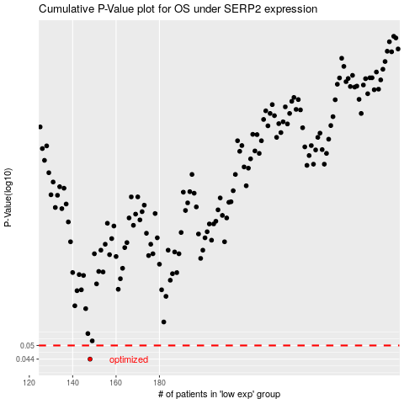

 |  |  |  |  |  | cases_OS | p_OS | rank | exp
 |  |  |  |  |  | 148 | 0.044 | 381 | -0.4689990078
 |  |  |  |  |  |  | cases_RFS | p_RFS | rank | exp
 |  |  |  |  |  |  | 147 | 0.044 | 86 | -0.46922412715

