SERPINA11 _multivariate
Reported by Tex Li-Hsing Chi. tex@gate.sinica.edu.tw 2019-08-16

Table 2. The clinicopathological features of HNSCC cohort and SERPINA11 expression. (Chi square test)
Cutoff at -0.246 (49.8%)
 |  | SERPINA11 expression |  | SERPINA11 expression |  | (Optimised)
 | Features | Low | (%) | High | (%) | Case no | P-value | Remark | Matthews
Gender | Female | 148 | 35.7 | 158 | 38.1 | 415 | 0.3567 | 0 | 0
2 | Male | 59 | 14.2 | 50 | 12
Age at diagnosis | <=65y | 133 | 32 | 141 | 34 | 415 | 0.5111 | 0 | 0
4 | >65y | 74 | 17.8 | 67 | 16.1
Clinical T Status | T1+T2 | 75 | 18.1 | 74 | 17.8 | 415 | 0.9707 | 0 | 0
6 | T3+T4 | 132 | 31.8 | 134 | 32.3
Clinical N Status | N0 | 109 | 26.3 | 107 | 25.8 | 415 | 0.8812 | 0 | 0
8 | N1-3 | 98 | 23.6 | 101 | 24.3
Clinical M Status | M0 | 206 | 49.6 | 206 | 49.6 | 415 | 1 | 0 | 0
10 | M1 | 1 | 0.2 | 2 | 0.5
Clinical Stage | Stage I+II | 48 | 11.6 | 54 | 13 | 415 | 0.5878 | 0 | 0
12 | Stage III+IV | 159 | 38.3 | 154 | 37.1
Surgical Margin status | Negative | 159 | 38.3 | 159 | 38.3 | 415 | 1 | 0 | 0
14 | Positive | 48 | 11.6 | 49 | 11.8
Tobacco Exposure | Low | 92 | 22.2 | 69 | 16.6 | 415 | 0.0206 | 1 | 0
16 | High | 115 | 27.7 | 139 | 33.5

Table 3. Univariate/Multivariate Cox's proportional hazards regression analyses on OS time of SERPINA11 gene expression in HNSCC

 |  | Univariate |  |  |  | Multivariate
 | Features | HR | CI95%(L) | CI95%(H) | P-value | HR | CI95%(L) | CI95%(H) | P-value
1 | Female | 1 |  |  |  | 1
Gender | Male | 1.157 | 0.843 | 1.587 | 0.367 | 1.195 | 0.855 | 1.67 | 0.298
11 | <=65y | 1 |  |  |  | 1
Age at diagnosis | >65y | 1.329 | 0.99 | 1.784 | 0.058 | 1.398 | 1.028 | 1.901 | 0.033
12 | T1+T2 | 1 |  |  |  | 1
Clinical T Status | T3+T4 | 1.409 | 1.028 | 1.931 | 0.033 | 2.232 | 1.179 | 4.223 | 0.014
13 | N0 | 1 |  |  |  | 1
Clinical N Status | N1-3 | 1.185 | 0.89 | 1.577 | 0.246 | 1.25 | 0.876 | 1.785 | 0.219
14 | M0 | 1 |  |  |  | 1
Clinical M Status | M1 | 4.097 | 1.009 | 16.644 | 0.049 | 9.874 | 2.146 | 45.44 | 0.003
15 | Stage I+II | 1 |  |  |  | 1
Clinical Stage | Stage III+IV | 1.245 | 0.882 | 1.759 | 0.213 | 0.491 | 0.228 | 1.057 | 0.069
16 | Negative | 1 |  |  |  | 1
Surgical Margin status | Positive | 1.591 | 1.155 | 2.191 | 0.004 | 1.681 | 1.216 | 2.323 | 0.002
17 | Low | 1 |  |  |  | 1
Tobacco Exposure | High | 1.364 | 1.008 | 1.844 | 0.044 | 1.48 | 1.071 | 2.046 | 0.018
18 | Low | 1 |  |  |  | 1
RNAseq(z-score) | High | 0.959 | 0.72 | 1.278 | 0.777 | 0.881 | 0.659 | 1.179 | 0.395

Table 4. Univariate/Multivariate Cox's proportional hazards regression analyses on RFS time of SERPINA11 gene expression in HNSCC

 |  | Univariate |  |  |  | Multivariate
 | Features | HR | CI95%(L) | CI95%(H) | P-value | HR | CI95%(L) | CI95%(H) | P-value
1 | Female | 1 |  |  |  | 1
Gender | Male | 1.157 | 0.843 | 1.587 | 0.367 | 1.195 | 0.855 | 1.67 | 0.298
11 | <=65y | 1 |  |  |  | 1
Age at diagnosis | >65y | 1.329 | 0.99 | 1.784 | 0.058 | 1.398 | 1.028 | 1.901 | 0.033
12 | T1+T2 | 1 |  |  |  | 1
Clinical T Status | T3+T4 | 1.409 | 1.028 | 1.931 | 0.033 | 2.232 | 1.179 | 4.223 | 0.014
13 | N0 | 1 |  |  |  | 1
Clinical N Status | N1-3 | 1.185 | 0.89 | 1.577 | 0.246 | 1.25 | 0.876 | 1.785 | 0.219
14 | M0 | 1 |  |  |  | 1
Clinical M Status | M1 | 4.097 | 1.009 | 16.644 | 0.049 | 9.874 | 2.146 | 45.44 | 0.003
15 | Stage I+II | 1 |  |  |  | 1
Clinical Stage | Stage III+IV | 1.245 | 0.882 | 1.759 | 0.213 | 0.491 | 0.228 | 1.057 | 0.069
16 | Negative | 1 |  |  |  | 1
Surgical Margin status | Positive | 1.591 | 1.155 | 2.191 | 0.004 | 1.681 | 1.216 | 2.323 | 0.002
17 | Low | 1 |  |  |  | 1
Tobacco Exposure | High | 1.364 | 1.008 | 1.844 | 0.044 | 1.48 | 1.071 | 2.046 | 0.018
18 | Low | 1 |  |  |  | 1
RNAseq(z-score) | High | 0.959 | 0.72 | 1.278 | 0.777 | 0.881 | 0.659 | 1.179 | 0.395

Kaplan-Meier survival estimate: Cutoff at -0.246 (49.8%)



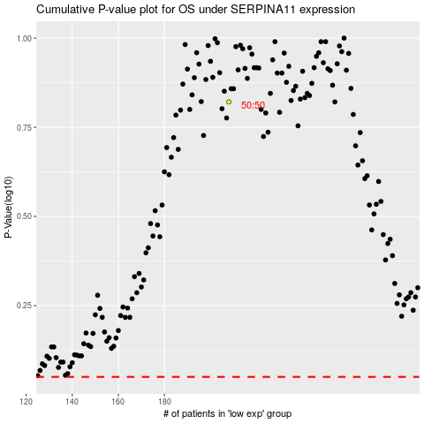

 |  |  |  |  |  | cases_OS | p_OS | rank | exp
 |  |  |  |  |  |  | cases_RFS | p_RFS | rank | exp

