SERPINA3 _multivariate
Reported by Tex Li-Hsing Chi. tex@gate.sinica.edu.tw 2019-08-16

Table 2. The clinicopathological features of HNSCC cohort and SERPINA3 expression. (Chi square test)
Cutoff at -0.192 (50.0%)
 |  | SERPINA3 expression |  | SERPINA3 expression |  | (Optimised)
 | Features | Low | (%) | High | (%) | Case no | P-value | Remark | Matthews
Gender | Female | 167 | 40.2 | 139 | 33.5 | 415 | 0.002 | 1 | 0
2 | Male | 40 | 9.6 | 69 | 16.6
Age at diagnosis | <=65y | 138 | 33.3 | 136 | 32.8 | 415 | 0.8634 | 0 | 0
4 | >65y | 69 | 16.6 | 72 | 17.3
Clinical T Status | T1+T2 | 67 | 16.1 | 82 | 19.8 | 415 | 0.1628 | 0 | 0
6 | T3+T4 | 140 | 33.7 | 126 | 30.4
Clinical N Status | N0 | 105 | 25.3 | 111 | 26.7 | 415 | 0.6598 | 0 | 0
8 | N1-3 | 102 | 24.6 | 97 | 23.4
Clinical M Status | M0 | 204 | 49.2 | 208 | 50.1 | 415 | 0.1232 | 0 | 0
10 | M1 | 3 | 0.7 | 0 | 0
Clinical Stage | Stage I+II | 41 | 9.9 | 61 | 14.7 | 415 | 0.0325 | 1 | 0
12 | Stage III+IV | 166 | 40 | 147 | 35.4
Surgical Margin status | Negative | 159 | 38.3 | 159 | 38.3 | 415 | 1 | 0 | 0
14 | Positive | 48 | 11.6 | 49 | 11.8
Tobacco Exposure | Low | 78 | 18.8 | 83 | 20 | 415 | 0.6873 | 0 | 0
16 | High | 129 | 31.1 | 125 | 30.1

Table 3. Univariate/Multivariate Cox's proportional hazards regression analyses on OS time of SERPINA3 gene expression in HNSCC

 |  | Univariate |  |  |  | Multivariate
 | Features | HR | CI95%(L) | CI95%(H) | P-value | HR | CI95%(L) | CI95%(H) | P-value
1 | Female | 1 |  |  |  | 1
Gender | Male | 1.157 | 0.843 | 1.587 | 0.367 | 1.235 | 0.882 | 1.73 | 0.219
11 | <=65y | 1 |  |  |  | 1
Age at diagnosis | >65y | 1.329 | 0.99 | 1.784 | 0.058 | 1.394 | 1.026 | 1.895 | 0.034
12 | T1+T2 | 1 |  |  |  | 1
Clinical T Status | T3+T4 | 1.409 | 1.028 | 1.931 | 0.033 | 2.217 | 1.172 | 4.193 | 0.014
13 | N0 | 1 |  |  |  | 1
Clinical N Status | N1-3 | 1.185 | 0.89 | 1.577 | 0.246 | 1.261 | 0.883 | 1.801 | 0.202
14 | M0 | 1 |  |  |  | 1
Clinical M Status | M1 | 4.097 | 1.009 | 16.644 | 0.049 | 8.619 | 1.872 | 39.693 | 0.006
15 | Stage I+II | 1 |  |  |  | 1
Clinical Stage | Stage III+IV | 1.245 | 0.882 | 1.759 | 0.213 | 0.492 | 0.229 | 1.058 | 0.069
16 | Negative | 1 |  |  |  | 1
Surgical Margin status | Positive | 1.591 | 1.155 | 2.191 | 0.004 | 1.672 | 1.21 | 2.309 | 0.002
17 | Low | 1 |  |  |  | 1
Tobacco Exposure | High | 1.364 | 1.008 | 1.844 | 0.044 | 1.461 | 1.061 | 2.011 | 0.02
18 | Low | 1 |  |  |  | 1
RNAseq(z-score) | High | 0.839 | 0.629 | 1.12 | 0.234 | 0.819 | 0.611 | 1.097 | 0.18

Table 4. Univariate/Multivariate Cox's proportional hazards regression analyses on RFS time of SERPINA3 gene expression in HNSCC

 |  | Univariate |  |  |  | Multivariate
 | Features | HR | CI95%(L) | CI95%(H) | P-value | HR | CI95%(L) | CI95%(H) | P-value
1 | Female | 1 |  |  |  | 1
Gender | Male | 1.157 | 0.843 | 1.587 | 0.367 | 1.235 | 0.882 | 1.73 | 0.219
11 | <=65y | 1 |  |  |  | 1
Age at diagnosis | >65y | 1.329 | 0.99 | 1.784 | 0.058 | 1.394 | 1.026 | 1.895 | 0.034
12 | T1+T2 | 1 |  |  |  | 1
Clinical T Status | T3+T4 | 1.409 | 1.028 | 1.931 | 0.033 | 2.217 | 1.172 | 4.193 | 0.014
13 | N0 | 1 |  |  |  | 1
Clinical N Status | N1-3 | 1.185 | 0.89 | 1.577 | 0.246 | 1.261 | 0.883 | 1.801 | 0.202
14 | M0 | 1 |  |  |  | 1
Clinical M Status | M1 | 4.097 | 1.009 | 16.644 | 0.049 | 8.619 | 1.872 | 39.693 | 0.006
15 | Stage I+II | 1 |  |  |  | 1
Clinical Stage | Stage III+IV | 1.245 | 0.882 | 1.759 | 0.213 | 0.492 | 0.229 | 1.058 | 0.069
16 | Negative | 1 |  |  |  | 1
Surgical Margin status | Positive | 1.591 | 1.155 | 2.191 | 0.004 | 1.672 | 1.21 | 2.309 | 0.002
17 | Low | 1 |  |  |  | 1
Tobacco Exposure | High | 1.364 | 1.008 | 1.844 | 0.044 | 1.461 | 1.061 | 2.011 | 0.02
18 | Low | 1 |  |  |  | 1
RNAseq(z-score) | High | 0.839 | 0.629 | 1.12 | 0.234 | 0.819 | 0.611 | 1.097 | 0.18

Kaplan-Meier survival estimate: Cutoff at -0.192 (50.0%)



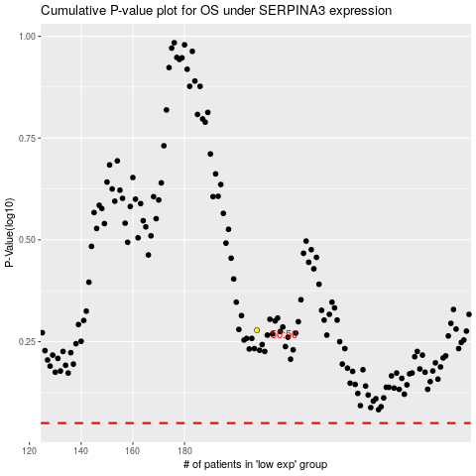

 |  |  |  |  |  | cases_OS | p_OS | rank | exp
 |  |  |  |  |  |  | cases_RFS | p_RFS | rank | exp

