SERPINA6 _multivariate
Reported by Tex Li-Hsing Chi. tex@gate.sinica.edu.tw 2019-08-16

Table 2. The clinicopathological features of HNSCC cohort and SERPINA6 expression. (Chi square test)
Cutoff at -0.102 (30.9%)
 |  | SERPINA6 expression |  | SERPINA6 expression |  | (Optimised)
 | Features | Low | (%) | High | (%) | Case no | P-value | Remark | Matthews
Gender | Female | 94 | 22.7 | 212 | 51.1 | 415 | 1 | 0 | 0
2 | Male | 34 | 8.2 | 75 | 18.1
Age at diagnosis | <=65y | 78 | 18.8 | 196 | 47.2 | 415 | 0.1774 | 0 | 0
4 | >65y | 50 | 12 | 91 | 21.9
Clinical T Status | T1+T2 | 46 | 11.1 | 103 | 24.8 | 415 | 1 | 0 | 0
6 | T3+T4 | 82 | 19.8 | 184 | 44.3
Clinical N Status | N0 | 68 | 16.4 | 148 | 35.7 | 415 | 0.8518 | 0 | 0
8 | N1-3 | 60 | 14.5 | 139 | 33.5
Clinical M Status | M0 | 128 | 30.8 | 284 | 68.4 | 415 | 0.5558 | 0 | 0
10 | M1 | 0 | 0 | 3 | 0.7
Clinical Stage | Stage I+II | 30 | 7.2 | 72 | 17.3 | 415 | 0.8126 | 0 | 0
12 | Stage III+IV | 98 | 23.6 | 215 | 51.8
Surgical Margin status | Negative | 94 | 22.7 | 224 | 54 | 415 | 0.3168 | 0 | 0
14 | Positive | 34 | 8.2 | 63 | 15.2
Tobacco Exposure | Low | 50 | 12 | 111 | 26.7 | 415 | 1 | 0 | 0
16 | High | 78 | 18.8 | 176 | 42.4

Table 3. Univariate/Multivariate Cox's proportional hazards regression analyses on OS time of SERPINA6 gene expression in HNSCC

 |  | Univariate |  |  |  | Multivariate
 | Features | HR | CI95%(L) | CI95%(H) | P-value | HR | CI95%(L) | CI95%(H) | P-value
1 | Female | 1 |  |  |  | 1
Gender | Male | 1.157 | 0.843 | 1.587 | 0.367 | 1.208 | 0.865 | 1.688 | 0.268
11 | <=65y | 1 |  |  |  | 1
Age at diagnosis | >65y | 1.329 | 0.99 | 1.784 | 0.058 | 1.384 | 1.018 | 1.882 | 0.038
12 | T1+T2 | 1 |  |  |  | 1
Clinical T Status | T3+T4 | 1.409 | 1.028 | 1.931 | 0.033 | 2.197 | 1.161 | 4.156 | 0.016
13 | N0 | 1 |  |  |  | 1
Clinical N Status | N1-3 | 1.185 | 0.89 | 1.577 | 0.246 | 1.26 | 0.883 | 1.797 | 0.203
14 | M0 | 1 |  |  |  | 1
Clinical M Status | M1 | 4.097 | 1.009 | 16.644 | 0.049 | 8.387 | 1.824 | 38.556 | 0.006
15 | Stage I+II | 1 |  |  |  | 1
Clinical Stage | Stage III+IV | 1.245 | 0.882 | 1.759 | 0.213 | 0.511 | 0.238 | 1.097 | 0.085
16 | Negative | 1 |  |  |  | 1
Surgical Margin status | Positive | 1.591 | 1.155 | 2.191 | 0.004 | 1.692 | 1.225 | 2.338 | 0.001
17 | Low | 1 |  |  |  | 1
Tobacco Exposure | High | 1.364 | 1.008 | 1.844 | 0.044 | 1.497 | 1.087 | 2.063 | 0.014
18 | Low | 1 |  |  |  | 1
RNAseq(z-score) | High | 1.43 | 1.026 | 1.993 | 0.035 | 1.467 | 1.051 | 2.048 | 0.024

Table 4. Univariate/Multivariate Cox's proportional hazards regression analyses on RFS time of SERPINA6 gene expression in HNSCC

 |  | Univariate |  |  |  | Multivariate
 | Features | HR | CI95%(L) | CI95%(H) | P-value | HR | CI95%(L) | CI95%(H) | P-value
1 | Female | 1 |  |  |  | 1
Gender | Male | 1.157 | 0.843 | 1.587 | 0.367 | 1.208 | 0.865 | 1.688 | 0.268
11 | <=65y | 1 |  |  |  | 1
Age at diagnosis | >65y | 1.329 | 0.99 | 1.784 | 0.058 | 1.384 | 1.018 | 1.882 | 0.038
12 | T1+T2 | 1 |  |  |  | 1
Clinical T Status | T3+T4 | 1.409 | 1.028 | 1.931 | 0.033 | 2.197 | 1.161 | 4.156 | 0.016
13 | N0 | 1 |  |  |  | 1
Clinical N Status | N1-3 | 1.185 | 0.89 | 1.577 | 0.246 | 1.26 | 0.883 | 1.797 | 0.203
14 | M0 | 1 |  |  |  | 1
Clinical M Status | M1 | 4.097 | 1.009 | 16.644 | 0.049 | 8.387 | 1.824 | 38.556 | 0.006
15 | Stage I+II | 1 |  |  |  | 1
Clinical Stage | Stage III+IV | 1.245 | 0.882 | 1.759 | 0.213 | 0.511 | 0.238 | 1.097 | 0.085
16 | Negative | 1 |  |  |  | 1
Surgical Margin status | Positive | 1.591 | 1.155 | 2.191 | 0.004 | 1.692 | 1.225 | 2.338 | 0.001
17 | Low | 1 |  |  |  | 1
Tobacco Exposure | High | 1.364 | 1.008 | 1.844 | 0.044 | 1.497 | 1.087 | 2.063 | 0.014
18 | Low | 1 |  |  |  | 1
RNAseq(z-score) | High | 1.43 | 1.026 | 1.993 | 0.035 | 1.467 | 1.051 | 2.048 | 0.024

Kaplan-Meier survival estimate: Cutoff at -0.102 (30.9%)



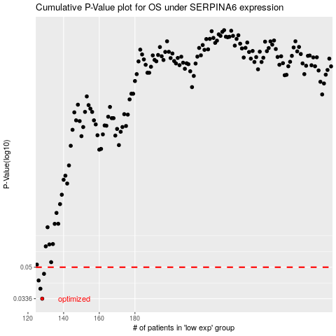

 |  |  |  |  |  | cases_OS | p_OS | rank | exp
 |  |  |  |  |  | 128 | 0.0336 | 67 | -0.10222845147
 |  |  |  |  |  | 127 | 0.0381 | 309 | -0.10265780526
 |  |  |  |  |  | 126 | 0.0423 | 346 | -0.10328012704
 |  |  |  |  |  | 129 | 0.046 | 155 | -0.10218503367
 |  |  |  |  |  |  | cases_RFS | p_RFS | rank | exp
 |  |  |  |  |  |  | 127 | 0.0336 | 309 | -0.10265780526
 |  |  |  |  |  |  | 126 | 0.0381 | 346 | -0.10328012704
 |  |  |  |  |  |  | 125 | 0.0423 | 233 | -0.10337661103
 |  |  |  |  |  |  | 128 | 0.046 | 67 | -0.10222845147

