SERPINB2 _multivariate
Reported by Tex Li-Hsing Chi. tex@gate.sinica.edu.tw 2019-08-16

Table 2. The clinicopathological features of HNSCC cohort and SERPINB2 expression. (Chi square test)
Cutoff at -0.38 (50.0%)
 |  | SERPINB2 expression |  | SERPINB2 expression |  | (Optimised)
 | Features | Low | (%) | High | (%) | Case no | P-value | Remark | Matthews
Gender | Female | 156 | 37.6 | 150 | 36.1 | 415 | 0.5222 | 0 | 0
2 | Male | 51 | 12.3 | 58 | 14
Age at diagnosis | <=65y | 137 | 33 | 137 | 33 | 415 | 1 | 0 | 0
4 | >65y | 70 | 16.9 | 71 | 17.1
Clinical T Status | T1+T2 | 75 | 18.1 | 74 | 17.8 | 415 | 0.9707 | 0 | 0
6 | T3+T4 | 132 | 31.8 | 134 | 32.3
Clinical N Status | N0 | 105 | 25.3 | 111 | 26.7 | 415 | 0.6598 | 0 | 0
8 | N1-3 | 102 | 24.6 | 97 | 23.4
Clinical M Status | M0 | 205 | 49.4 | 207 | 49.9 | 415 | 0.6232 | 0 | 0
10 | M1 | 2 | 0.5 | 1 | 0.2
Clinical Stage | Stage I+II | 50 | 12 | 52 | 12.5 | 415 | 0.9315 | 0 | 0
12 | Stage III+IV | 157 | 37.8 | 156 | 37.6
Surgical Margin status | Negative | 153 | 36.9 | 165 | 39.8 | 415 | 0.2036 | 0 | 0
14 | Positive | 54 | 13 | 43 | 10.4
Tobacco Exposure | Low | 77 | 18.6 | 84 | 20.2 | 415 | 0.5459 | 0 | 0
16 | High | 130 | 31.3 | 124 | 29.9

Table 3. Univariate/Multivariate Cox's proportional hazards regression analyses on OS time of SERPINB2 gene expression in HNSCC

 |  | Univariate |  |  |  | Multivariate
 | Features | HR | CI95%(L) | CI95%(H) | P-value | HR | CI95%(L) | CI95%(H) | P-value
1 | Female | 1 |  |  |  | 1
Gender | Male | 1.157 | 0.843 | 1.587 | 0.367 | 1.196 | 0.855 | 1.673 | 0.295
11 | <=65y | 1 |  |  |  | 1
Age at diagnosis | >65y | 1.329 | 0.99 | 1.784 | 0.058 | 1.394 | 1.025 | 1.895 | 0.034
12 | T1+T2 | 1 |  |  |  | 1
Clinical T Status | T3+T4 | 1.409 | 1.028 | 1.931 | 0.033 | 2.209 | 1.168 | 4.179 | 0.015
13 | N0 | 1 |  |  |  | 1
Clinical N Status | N1-3 | 1.185 | 0.89 | 1.577 | 0.246 | 1.246 | 0.873 | 1.779 | 0.226
14 | M0 | 1 |  |  |  | 1
Clinical M Status | M1 | 4.097 | 1.009 | 16.644 | 0.049 | 9.439 | 2.059 | 43.272 | 0.004
15 | Stage I+II | 1 |  |  |  | 1
Clinical Stage | Stage III+IV | 1.245 | 0.882 | 1.759 | 0.213 | 0.504 | 0.235 | 1.081 | 0.079
16 | Negative | 1 |  |  |  | 1
Surgical Margin status | Positive | 1.591 | 1.155 | 2.191 | 0.004 | 1.679 | 1.214 | 2.323 | 0.002
17 | Low | 1 |  |  |  | 1
Tobacco Exposure | High | 1.364 | 1.008 | 1.844 | 0.044 | 1.456 | 1.056 | 2.006 | 0.022
18 | Low | 1 |  |  |  | 1
RNAseq(z-score) | High | 1.01 | 0.758 | 1.345 | 0.947 | 1.052 | 0.787 | 1.406 | 0.734

Table 4. Univariate/Multivariate Cox's proportional hazards regression analyses on RFS time of SERPINB2 gene expression in HNSCC

 |  | Univariate |  |  |  | Multivariate
 | Features | HR | CI95%(L) | CI95%(H) | P-value | HR | CI95%(L) | CI95%(H) | P-value
1 | Female | 1 |  |  |  | 1
Gender | Male | 1.157 | 0.843 | 1.587 | 0.367 | 1.196 | 0.855 | 1.673 | 0.295
11 | <=65y | 1 |  |  |  | 1
Age at diagnosis | >65y | 1.329 | 0.99 | 1.784 | 0.058 | 1.394 | 1.025 | 1.895 | 0.034
12 | T1+T2 | 1 |  |  |  | 1
Clinical T Status | T3+T4 | 1.409 | 1.028 | 1.931 | 0.033 | 2.209 | 1.168 | 4.179 | 0.015
13 | N0 | 1 |  |  |  | 1
Clinical N Status | N1-3 | 1.185 | 0.89 | 1.577 | 0.246 | 1.246 | 0.873 | 1.779 | 0.226
14 | M0 | 1 |  |  |  | 1
Clinical M Status | M1 | 4.097 | 1.009 | 16.644 | 0.049 | 9.439 | 2.059 | 43.272 | 0.004
15 | Stage I+II | 1 |  |  |  | 1
Clinical Stage | Stage III+IV | 1.245 | 0.882 | 1.759 | 0.213 | 0.504 | 0.235 | 1.081 | 0.079
16 | Negative | 1 |  |  |  | 1
Surgical Margin status | Positive | 1.591 | 1.155 | 2.191 | 0.004 | 1.679 | 1.214 | 2.323 | 0.002
17 | Low | 1 |  |  |  | 1
Tobacco Exposure | High | 1.364 | 1.008 | 1.844 | 0.044 | 1.456 | 1.056 | 2.006 | 0.022
18 | Low | 1 |  |  |  | 1
RNAseq(z-score) | High | 1.01 | 0.758 | 1.345 | 0.947 | 1.052 | 0.787 | 1.406 | 0.734

Kaplan-Meier survival estimate: Cutoff at -0.38 (50.0%)

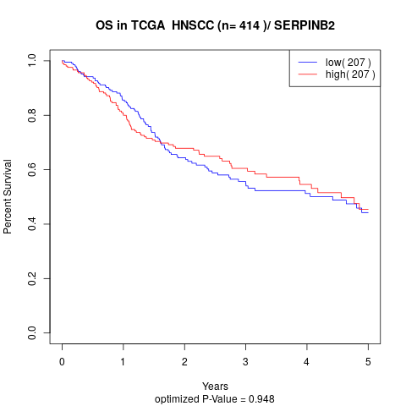

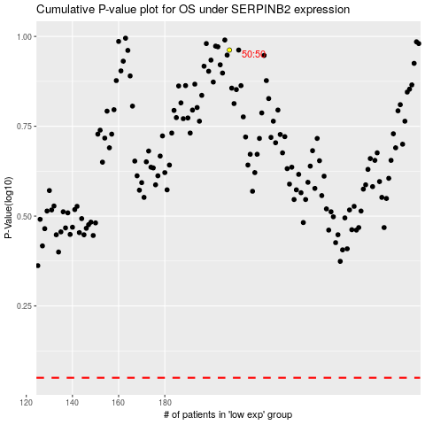

 |  |  |  |  |  | cases_OS | p_OS | rank | exp
 |  |  |  |  |  |  | cases_RFS | p_RFS | rank | exp

