SERPINB3 _multivariate
Reported by Tex Li-Hsing Chi. tex@gate.sinica.edu.tw 2019-08-16

Table 2. The clinicopathological features of HNSCC cohort and SERPINB3 expression. (Chi square test)
Cutoff at -0.397 (50.0%)
 |  | SERPINB3 expression |  | SERPINB3 expression |  | (Optimised)
 | Features | Low | (%) | High | (%) | Case no | P-value | Remark | Matthews
Gender | Female | 162 | 39 | 144 | 34.7 | 415 | 0.0479 | 1 | 0
2 | Male | 45 | 10.8 | 64 | 15.4
Age at diagnosis | <=65y | 145 | 34.9 | 129 | 31.1 | 415 | 0.1046 | 0 | 0
4 | >65y | 62 | 14.9 | 79 | 19
Clinical T Status | T1+T2 | 72 | 17.3 | 77 | 18.6 | 415 | 0.7095 | 0 | 0
6 | T3+T4 | 135 | 32.5 | 131 | 31.6
Clinical N Status | N0 | 98 | 23.6 | 118 | 28.4 | 415 | 0.0694 | 0 | 0
8 | N1-3 | 109 | 26.3 | 90 | 21.7
Clinical M Status | M0 | 206 | 49.6 | 206 | 49.6 | 415 | 1 | 0 | 0
10 | M1 | 1 | 0.2 | 2 | 0.5
Clinical Stage | Stage I+II | 46 | 11.1 | 56 | 13.5 | 415 | 0.3182 | 0 | 0
12 | Stage III+IV | 161 | 38.8 | 152 | 36.6
Surgical Margin status | Negative | 155 | 37.3 | 163 | 39.3 | 415 | 0.4187 | 0 | 0
14 | Positive | 52 | 12.5 | 45 | 10.8
Tobacco Exposure | Low | 73 | 17.6 | 88 | 21.2 | 415 | 0.1587 | 0 | 0
16 | High | 134 | 32.3 | 120 | 28.9

Table 3. Univariate/Multivariate Cox's proportional hazards regression analyses on OS time of SERPINB3 gene expression in HNSCC

 |  | Univariate |  |  |  | Multivariate
 | Features | HR | CI95%(L) | CI95%(H) | P-value | HR | CI95%(L) | CI95%(H) | P-value
1 | Female | 1 |  |  |  | 1
Gender | Male | 1.157 | 0.843 | 1.587 | 0.367 | 1.202 | 0.859 | 1.68 | 0.283
11 | <=65y | 1 |  |  |  | 1
Age at diagnosis | >65y | 1.329 | 0.99 | 1.784 | 0.058 | 1.392 | 1.023 | 1.893 | 0.035
12 | T1+T2 | 1 |  |  |  | 1
Clinical T Status | T3+T4 | 1.409 | 1.028 | 1.931 | 0.033 | 2.203 | 1.164 | 4.167 | 0.015
13 | N0 | 1 |  |  |  | 1
Clinical N Status | N1-3 | 1.185 | 0.89 | 1.577 | 0.246 | 1.241 | 0.868 | 1.773 | 0.236
14 | M0 | 1 |  |  |  | 1
Clinical M Status | M1 | 4.097 | 1.009 | 16.644 | 0.049 | 9.404 | 2.045 | 43.235 | 0.004
15 | Stage I+II | 1 |  |  |  | 1
Clinical Stage | Stage III+IV | 1.245 | 0.882 | 1.759 | 0.213 | 0.505 | 0.235 | 1.083 | 0.079
16 | Negative | 1 |  |  |  | 1
Surgical Margin status | Positive | 1.591 | 1.155 | 2.191 | 0.004 | 1.672 | 1.209 | 2.311 | 0.002
17 | Low | 1 |  |  |  | 1
Tobacco Exposure | High | 1.364 | 1.008 | 1.844 | 0.044 | 1.453 | 1.055 | 2.002 | 0.022
18 | Low | 1 |  |  |  | 1
RNAseq(z-score) | High | 0.984 | 0.737 | 1.313 | 0.911 | 1.001 | 0.745 | 1.344 | 0.995

Table 4. Univariate/Multivariate Cox's proportional hazards regression analyses on RFS time of SERPINB3 gene expression in HNSCC

 |  | Univariate |  |  |  | Multivariate
 | Features | HR | CI95%(L) | CI95%(H) | P-value | HR | CI95%(L) | CI95%(H) | P-value
1 | Female | 1 |  |  |  | 1
Gender | Male | 1.157 | 0.843 | 1.587 | 0.367 | 1.202 | 0.859 | 1.68 | 0.283
11 | <=65y | 1 |  |  |  | 1
Age at diagnosis | >65y | 1.329 | 0.99 | 1.784 | 0.058 | 1.392 | 1.023 | 1.893 | 0.035
12 | T1+T2 | 1 |  |  |  | 1
Clinical T Status | T3+T4 | 1.409 | 1.028 | 1.931 | 0.033 | 2.203 | 1.164 | 4.167 | 0.015
13 | N0 | 1 |  |  |  | 1
Clinical N Status | N1-3 | 1.185 | 0.89 | 1.577 | 0.246 | 1.241 | 0.868 | 1.773 | 0.236
14 | M0 | 1 |  |  |  | 1
Clinical M Status | M1 | 4.097 | 1.009 | 16.644 | 0.049 | 9.404 | 2.045 | 43.235 | 0.004
15 | Stage I+II | 1 |  |  |  | 1
Clinical Stage | Stage III+IV | 1.245 | 0.882 | 1.759 | 0.213 | 0.505 | 0.235 | 1.083 | 0.079
16 | Negative | 1 |  |  |  | 1
Surgical Margin status | Positive | 1.591 | 1.155 | 2.191 | 0.004 | 1.672 | 1.209 | 2.311 | 0.002
17 | Low | 1 |  |  |  | 1
Tobacco Exposure | High | 1.364 | 1.008 | 1.844 | 0.044 | 1.453 | 1.055 | 2.002 | 0.022
18 | Low | 1 |  |  |  | 1
RNAseq(z-score) | High | 0.984 | 0.737 | 1.313 | 0.911 | 1.001 | 0.745 | 1.344 | 0.995

Kaplan-Meier survival estimate: Cutoff at -0.397 (50.0%)



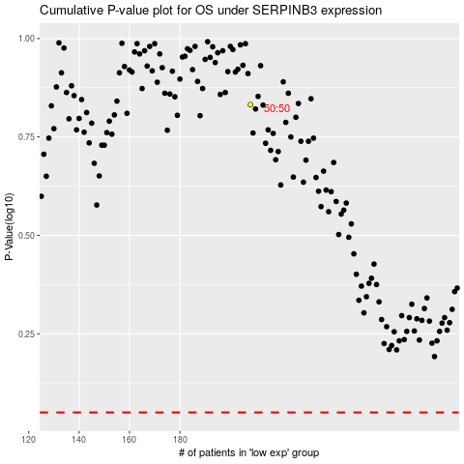

 |  |  |  |  |  | cases_OS | p_OS | rank | exp
 |  |  |  |  |  |  | cases_RFS | p_RFS | rank | exp

