SERPINB4 _multivariate
Reported by Tex Li-Hsing Chi. tex@gate.sinica.edu.tw 2019-08-16

Table 2. The clinicopathological features of HNSCC cohort and SERPINB4 expression. (Chi square test)
Cutoff at -0.423 (50.0%)
 |  | SERPINB4 expression |  | SERPINB4 expression |  | (Optimised)
 | Features | Low | (%) | High | (%) | Case no | P-value | Remark | Matthews
Gender | Female | 164 | 39.5 | 142 | 34.2 | 415 | 0.0153 | 1 | 0
2 | Male | 43 | 10.4 | 66 | 15.9
Age at diagnosis | <=65y | 144 | 34.7 | 130 | 31.3 | 415 | 0.1568 | 0 | 0
4 | >65y | 63 | 15.2 | 78 | 18.8
Clinical T Status | T1+T2 | 68 | 16.4 | 81 | 19.5 | 415 | 0.2336 | 0 | 0
6 | T3+T4 | 139 | 33.5 | 127 | 30.6
Clinical N Status | N0 | 97 | 23.4 | 119 | 28.7 | 415 | 0.0442 | 1 | 0
8 | N1-3 | 110 | 26.5 | 89 | 21.4
Clinical M Status | M0 | 205 | 49.4 | 207 | 49.9 | 415 | 0.6232 | 0 | 0
10 | M1 | 2 | 0.5 | 1 | 0.2
Clinical Stage | Stage I+II | 43 | 10.4 | 59 | 14.2 | 415 | 0.0925 | 0 | 0
12 | Stage III+IV | 164 | 39.5 | 149 | 35.9
Surgical Margin status | Negative | 157 | 37.8 | 161 | 38.8 | 415 | 0.729 | 0 | 0
14 | Positive | 50 | 12 | 47 | 11.3
Tobacco Exposure | Low | 71 | 17.1 | 90 | 21.7 | 415 | 0.0698 | 0 | 0
16 | High | 136 | 32.8 | 118 | 28.4

Table 3. Univariate/Multivariate Cox's proportional hazards regression analyses on OS time of SERPINB4 gene expression in HNSCC

 |  | Univariate |  |  |  | Multivariate
 | Features | HR | CI95%(L) | CI95%(H) | P-value | HR | CI95%(L) | CI95%(H) | P-value
1 | Female | 1 |  |  |  | 1
Gender | Male | 1.157 | 0.843 | 1.587 | 0.367 | 1.21 | 0.865 | 1.691 | 0.265
11 | <=65y | 1 |  |  |  | 1
Age at diagnosis | >65y | 1.329 | 0.99 | 1.784 | 0.058 | 1.41 | 1.034 | 1.922 | 0.03
12 | T1+T2 | 1 |  |  |  | 1
Clinical T Status | T3+T4 | 1.409 | 1.028 | 1.931 | 0.033 | 2.185 | 1.155 | 4.134 | 0.016
13 | N0 | 1 |  |  |  | 1
Clinical N Status | N1-3 | 1.185 | 0.89 | 1.577 | 0.246 | 1.239 | 0.868 | 1.768 | 0.238
14 | M0 | 1 |  |  |  | 1
Clinical M Status | M1 | 4.097 | 1.009 | 16.644 | 0.049 | 9.286 | 2.025 | 42.584 | 0.004
15 | Stage I+II | 1 |  |  |  | 1
Clinical Stage | Stage III+IV | 1.245 | 0.882 | 1.759 | 0.213 | 0.505 | 0.235 | 1.083 | 0.079
16 | Negative | 1 |  |  |  | 1
Surgical Margin status | Positive | 1.591 | 1.155 | 2.191 | 0.004 | 1.66 | 1.201 | 2.296 | 0.002
17 | Low | 1 |  |  |  | 1
Tobacco Exposure | High | 1.364 | 1.008 | 1.844 | 0.044 | 1.45 | 1.053 | 1.998 | 0.023
18 | Low | 1 |  |  |  | 1
RNAseq(z-score) | High | 0.897 | 0.673 | 1.196 | 0.458 | 0.912 | 0.68 | 1.223 | 0.539

Table 4. Univariate/Multivariate Cox's proportional hazards regression analyses on RFS time of SERPINB4 gene expression in HNSCC

 |  | Univariate |  |  |  | Multivariate
 | Features | HR | CI95%(L) | CI95%(H) | P-value | HR | CI95%(L) | CI95%(H) | P-value
1 | Female | 1 |  |  |  | 1
Gender | Male | 1.157 | 0.843 | 1.587 | 0.367 | 1.21 | 0.865 | 1.691 | 0.265
11 | <=65y | 1 |  |  |  | 1
Age at diagnosis | >65y | 1.329 | 0.99 | 1.784 | 0.058 | 1.41 | 1.034 | 1.922 | 0.03
12 | T1+T2 | 1 |  |  |  | 1
Clinical T Status | T3+T4 | 1.409 | 1.028 | 1.931 | 0.033 | 2.185 | 1.155 | 4.134 | 0.016
13 | N0 | 1 |  |  |  | 1
Clinical N Status | N1-3 | 1.185 | 0.89 | 1.577 | 0.246 | 1.239 | 0.868 | 1.768 | 0.238
14 | M0 | 1 |  |  |  | 1
Clinical M Status | M1 | 4.097 | 1.009 | 16.644 | 0.049 | 9.286 | 2.025 | 42.584 | 0.004
15 | Stage I+II | 1 |  |  |  | 1
Clinical Stage | Stage III+IV | 1.245 | 0.882 | 1.759 | 0.213 | 0.505 | 0.235 | 1.083 | 0.079
16 | Negative | 1 |  |  |  | 1
Surgical Margin status | Positive | 1.591 | 1.155 | 2.191 | 0.004 | 1.66 | 1.201 | 2.296 | 0.002
17 | Low | 1 |  |  |  | 1
Tobacco Exposure | High | 1.364 | 1.008 | 1.844 | 0.044 | 1.45 | 1.053 | 1.998 | 0.023
18 | Low | 1 |  |  |  | 1
RNAseq(z-score) | High | 0.897 | 0.673 | 1.196 | 0.458 | 0.912 | 0.68 | 1.223 | 0.539

Kaplan-Meier survival estimate: Cutoff at -0.423 (50.0%)

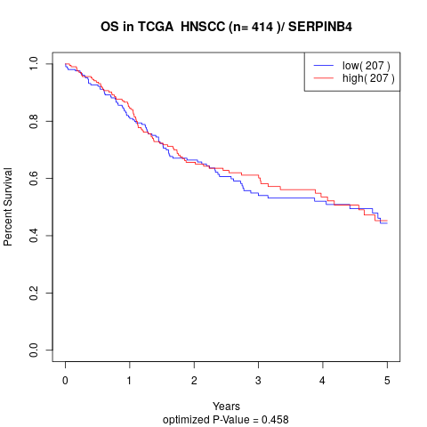

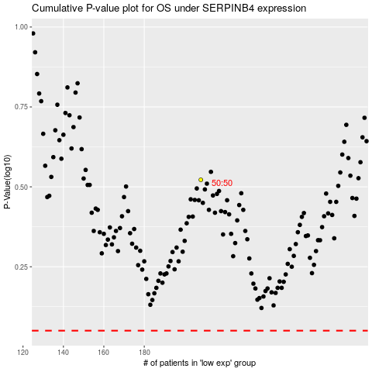

 |  |  |  |  |  | cases_OS | p_OS | rank | exp
 |  |  |  |  |  |  | cases_RFS | p_RFS | rank | exp

