SERPINB6 _multivariate
Reported by Tex Li-Hsing Chi. tex@gate.sinica.edu.tw 2019-08-16

Table 2. The clinicopathological features of HNSCC cohort and SERPINB6 expression. (Chi square test)
Cutoff at -0.562 (30.9%)
 |  | SERPINB6 expression |  | SERPINB6 expression |  | (Optimised)
 | Features | Low | (%) | High | (%) | Case no | P-value | Remark | Matthews
Gender | Female | 99 | 23.9 | 207 | 49.9 | 415 | 0.3198 | 0 | 0
2 | Male | 29 | 7 | 80 | 19.3
Age at diagnosis | <=65y | 98 | 23.6 | 176 | 42.4 | 415 | 0.0036 | 1 | 0
4 | >65y | 30 | 7.2 | 111 | 26.7
Clinical T Status | T1+T2 | 37 | 8.9 | 112 | 27 | 415 | 0.061 | 0 | 0
6 | T3+T4 | 91 | 21.9 | 175 | 42.2
Clinical N Status | N0 | 67 | 16.1 | 149 | 35.9 | 415 | 1 | 0 | 0
8 | N1-3 | 61 | 14.7 | 138 | 33.3
Clinical M Status | M0 | 128 | 30.8 | 284 | 68.4 | 415 | 0.5558 | 0 | 0
10 | M1 | 0 | 0 | 3 | 0.7
Clinical Stage | Stage I+II | 25 | 6 | 77 | 18.6 | 415 | 0.1412 | 0 | 0
12 | Stage III+IV | 103 | 24.8 | 210 | 50.6
Surgical Margin status | Negative | 101 | 24.3 | 217 | 52.3 | 415 | 0.5305 | 0 | 0
14 | Positive | 27 | 6.5 | 70 | 16.9
Tobacco Exposure | Low | 33 | 8 | 128 | 30.8 | 415 | 3e-04 | 1 | 0
16 | High | 95 | 22.9 | 159 | 38.3

Table 3. Univariate/Multivariate Cox's proportional hazards regression analyses on OS time of SERPINB6 gene expression in HNSCC

 |  | Univariate |  |  |  | Multivariate
 | Features | HR | CI95%(L) | CI95%(H) | P-value | HR | CI95%(L) | CI95%(H) | P-value
1 | Female | 1 |  |  |  | 1
Gender | Male | 1.157 | 0.843 | 1.587 | 0.367 | 1.162 | 0.831 | 1.625 | 0.38
11 | <=65y | 1 |  |  |  | 1
Age at diagnosis | >65y | 1.329 | 0.99 | 1.784 | 0.058 | 1.344 | 0.987 | 1.831 | 0.061
12 | T1+T2 | 1 |  |  |  | 1
Clinical T Status | T3+T4 | 1.409 | 1.028 | 1.931 | 0.033 | 2.29 | 1.21 | 4.335 | 0.011
13 | N0 | 1 |  |  |  | 1
Clinical N Status | N1-3 | 1.185 | 0.89 | 1.577 | 0.246 | 1.22 | 0.855 | 1.741 | 0.272
14 | M0 | 1 |  |  |  | 1
Clinical M Status | M1 | 4.097 | 1.009 | 16.644 | 0.049 | 8.622 | 1.878 | 39.589 | 0.006
15 | Stage I+II | 1 |  |  |  | 1
Clinical Stage | Stage III+IV | 1.245 | 0.882 | 1.759 | 0.213 | 0.516 | 0.24 | 1.109 | 0.09
16 | Negative | 1 |  |  |  | 1
Surgical Margin status | Positive | 1.591 | 1.155 | 2.191 | 0.004 | 1.645 | 1.19 | 2.272 | 0.003
17 | Low | 1 |  |  |  | 1
Tobacco Exposure | High | 1.364 | 1.008 | 1.844 | 0.044 | 1.516 | 1.096 | 2.095 | 0.012
18 | Low | 1 |  |  |  | 1
RNAseq(z-score) | High | 1.386 | 1.007 | 1.909 | 0.045 | 1.442 | 1.034 | 2.011 | 0.031

Table 4. Univariate/Multivariate Cox's proportional hazards regression analyses on RFS time of SERPINB6 gene expression in HNSCC

 |  | Univariate |  |  |  | Multivariate
 | Features | HR | CI95%(L) | CI95%(H) | P-value | HR | CI95%(L) | CI95%(H) | P-value
1 | Female | 1 |  |  |  | 1
Gender | Male | 1.157 | 0.843 | 1.587 | 0.367 | 1.162 | 0.831 | 1.625 | 0.38
11 | <=65y | 1 |  |  |  | 1
Age at diagnosis | >65y | 1.329 | 0.99 | 1.784 | 0.058 | 1.344 | 0.987 | 1.831 | 0.061
12 | T1+T2 | 1 |  |  |  | 1
Clinical T Status | T3+T4 | 1.409 | 1.028 | 1.931 | 0.033 | 2.29 | 1.21 | 4.335 | 0.011
13 | N0 | 1 |  |  |  | 1
Clinical N Status | N1-3 | 1.185 | 0.89 | 1.577 | 0.246 | 1.22 | 0.855 | 1.741 | 0.272
14 | M0 | 1 |  |  |  | 1
Clinical M Status | M1 | 4.097 | 1.009 | 16.644 | 0.049 | 8.622 | 1.878 | 39.589 | 0.006
15 | Stage I+II | 1 |  |  |  | 1
Clinical Stage | Stage III+IV | 1.245 | 0.882 | 1.759 | 0.213 | 0.516 | 0.24 | 1.109 | 0.09
16 | Negative | 1 |  |  |  | 1
Surgical Margin status | Positive | 1.591 | 1.155 | 2.191 | 0.004 | 1.645 | 1.19 | 2.272 | 0.003
17 | Low | 1 |  |  |  | 1
Tobacco Exposure | High | 1.364 | 1.008 | 1.844 | 0.044 | 1.516 | 1.096 | 2.095 | 0.012
18 | Low | 1 |  |  |  | 1
RNAseq(z-score) | High | 1.386 | 1.007 | 1.909 | 0.045 | 1.442 | 1.034 | 2.011 | 0.031

Kaplan-Meier survival estimate: Cutoff at -0.562 (30.9%)



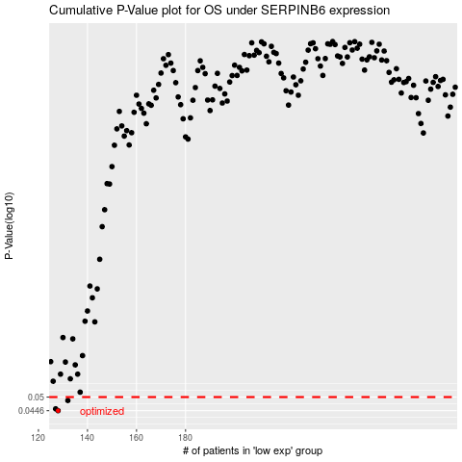

 |  |  |  |  |  | cases_OS | p_OS | rank | exp
 |  |  |  |  |  | 128 | 0.0446 | 113 | -0.56156865548
 |  |  |  |  |  | 127 | 0.0453 | 291 | -0.56988497223
 |  |  |  |  |  | 132 | 0.0486 | 82 | -0.53041313368
 |  |  |  |  |  |  | cases_RFS | p_RFS | rank | exp
 |  |  |  |  |  |  | 127 | 0.0446 | 291 | -0.56988497223
 |  |  |  |  |  |  | 126 | 0.0453 | 73 | -0.5746500539
 |  |  |  |  |  |  | 131 | 0.0486 | 57 | -0.54988152508

