SERPINB7 _multivariate
Reported by Tex Li-Hsing Chi. tex@gate.sinica.edu.tw 2019-08-16

Table 2. The clinicopathological features of HNSCC cohort and SERPINB7 expression. (Chi square test)
Cutoff at -0.121 (63.5%)
 |  | SERPINB7 expression |  | SERPINB7 expression |  | (Optimised)
 | Features | Low | (%) | High | (%) | Case no | P-value | Remark | Matthews
Gender | Female | 202 | 48.7 | 104 | 25.1 | 415 | 0.0794 | 0 | 0
2 | Male | 61 | 14.7 | 48 | 11.6
Age at diagnosis | <=65y | 182 | 43.9 | 92 | 22.2 | 415 | 0.091 | 0 | 0
4 | >65y | 81 | 19.5 | 60 | 14.5
Clinical T Status | T1+T2 | 104 | 25.1 | 45 | 10.8 | 415 | 0.054 | 0 | 0
6 | T3+T4 | 159 | 38.3 | 107 | 25.8
Clinical N Status | N0 | 142 | 34.2 | 74 | 17.8 | 415 | 0.3468 | 0 | 0
8 | N1-3 | 121 | 29.2 | 78 | 18.8
Clinical M Status | M0 | 261 | 62.9 | 151 | 36.4 | 415 | 1 | 0 | 0
10 | M1 | 2 | 0.5 | 1 | 0.2
Clinical Stage | Stage I+II | 71 | 17.1 | 31 | 7.5 | 415 | 0.1656 | 0 | 0
12 | Stage III+IV | 192 | 46.3 | 121 | 29.2
Surgical Margin status | Negative | 201 | 48.4 | 117 | 28.2 | 415 | 1 | 0 | 0
14 | Positive | 62 | 14.9 | 35 | 8.4
Tobacco Exposure | Low | 92 | 22.2 | 69 | 16.6 | 415 | 0.0373 | 1 | 0
16 | High | 171 | 41.2 | 83 | 20

Table 3. Univariate/Multivariate Cox's proportional hazards regression analyses on OS time of SERPINB7 gene expression in HNSCC

 |  | Univariate |  |  |  | Multivariate
 | Features | HR | CI95%(L) | CI95%(H) | P-value | HR | CI95%(L) | CI95%(H) | P-value
1 | Female | 1 |  |  |  | 1
Gender | Male | 1.157 | 0.843 | 1.587 | 0.367 | 1.269 | 0.909 | 1.772 | 0.161
11 | <=65y | 1 |  |  |  | 1
Age at diagnosis | >65y | 1.329 | 0.99 | 1.784 | 0.058 | 1.434 | 1.055 | 1.95 | 0.021
12 | T1+T2 | 1 |  |  |  | 1
Clinical T Status | T3+T4 | 1.409 | 1.028 | 1.931 | 0.033 | 2.297 | 1.212 | 4.354 | 0.011
13 | N0 | 1 |  |  |  | 1
Clinical N Status | N1-3 | 1.185 | 0.89 | 1.577 | 0.246 | 1.261 | 0.883 | 1.801 | 0.202
14 | M0 | 1 |  |  |  | 1
Clinical M Status | M1 | 4.097 | 1.009 | 16.644 | 0.049 | 10.062 | 2.191 | 46.214 | 0.003
15 | Stage I+II | 1 |  |  |  | 1
Clinical Stage | Stage III+IV | 1.245 | 0.882 | 1.759 | 0.213 | 0.489 | 0.227 | 1.051 | 0.067
16 | Negative | 1 |  |  |  | 1
Surgical Margin status | Positive | 1.591 | 1.155 | 2.191 | 0.004 | 1.707 | 1.234 | 2.361 | 0.001
17 | Low | 1 |  |  |  | 1
Tobacco Exposure | High | 1.364 | 1.008 | 1.844 | 0.044 | 1.385 | 1.006 | 1.906 | 0.046
18 | Low | 1 |  |  |  | 1
RNAseq(z-score) | High | 0.694 | 0.508 | 0.95 | 0.022 | 0.635 | 0.46 | 0.876 | 0.006

Table 4. Univariate/Multivariate Cox's proportional hazards regression analyses on RFS time of SERPINB7 gene expression in HNSCC

 |  | Univariate |  |  |  | Multivariate
 | Features | HR | CI95%(L) | CI95%(H) | P-value | HR | CI95%(L) | CI95%(H) | P-value
1 | Female | 1 |  |  |  | 1
Gender | Male | 1.157 | 0.843 | 1.587 | 0.367 | 1.269 | 0.909 | 1.772 | 0.161
11 | <=65y | 1 |  |  |  | 1
Age at diagnosis | >65y | 1.329 | 0.99 | 1.784 | 0.058 | 1.434 | 1.055 | 1.95 | 0.021
12 | T1+T2 | 1 |  |  |  | 1
Clinical T Status | T3+T4 | 1.409 | 1.028 | 1.931 | 0.033 | 2.297 | 1.212 | 4.354 | 0.011
13 | N0 | 1 |  |  |  | 1
Clinical N Status | N1-3 | 1.185 | 0.89 | 1.577 | 0.246 | 1.261 | 0.883 | 1.801 | 0.202
14 | M0 | 1 |  |  |  | 1
Clinical M Status | M1 | 4.097 | 1.009 | 16.644 | 0.049 | 10.062 | 2.191 | 46.214 | 0.003
15 | Stage I+II | 1 |  |  |  | 1
Clinical Stage | Stage III+IV | 1.245 | 0.882 | 1.759 | 0.213 | 0.489 | 0.227 | 1.051 | 0.067
16 | Negative | 1 |  |  |  | 1
Surgical Margin status | Positive | 1.591 | 1.155 | 2.191 | 0.004 | 1.707 | 1.234 | 2.361 | 0.001
17 | Low | 1 |  |  |  | 1
Tobacco Exposure | High | 1.364 | 1.008 | 1.844 | 0.044 | 1.385 | 1.006 | 1.906 | 0.046
18 | Low | 1 |  |  |  | 1
RNAseq(z-score) | High | 0.694 | 0.508 | 0.95 | 0.022 | 0.635 | 0.46 | 0.876 | 0.006

Kaplan-Meier survival estimate: Cutoff at -0.121 (63.5%)

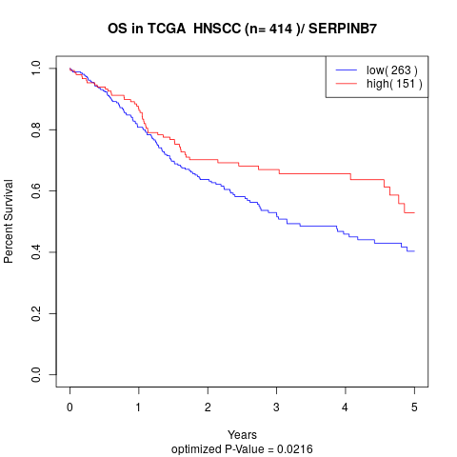

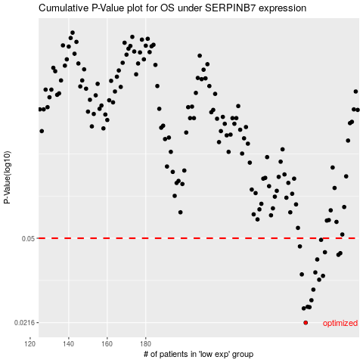

 |  |  |  |  |  | cases_OS | p_OS | rank | exp
 |  |  |  |  |  | 263 | 0.0216 | 305 | -0.12122013087
 |  |  |  |  |  | 262 | 0.0249 | 401 | -0.12137558009
 |  |  |  |  |  | 265 | 0.0252 | 319 | -0.08776324524
 |  |  |  |  |  | 264 | 0.0253 | 259 | -0.11630841006
 |  |  |  |  |  | 266 | 0.027 | 147 | -0.087636262487
 |  |  |  |  |  | 267 | 0.03 | 334 | -0.086110655406
 |  |  |  |  |  | 270 | 0.0331 | 232 | -0.070412656704
 |  |  |  |  |  | 272 | 0.0344 | 105 | -0.064777831903
 |  |  |  |  |  | 261 | 0.0349 | 61 | -0.13646336387
 |  |  |  |  |  | 268 | 0.0356 | 383 | -0.081671142986
 |  |  |  |  |  | 269 | 0.0405 | 371 | -0.072868726422
 |  |  |  |  |  | 280 | 0.0424 | 13 | -0.042322118052
 |  |  |  |  |  | 281 | 0.0431 | 31 | -0.037451422436
 |  |  |  |  |  | 273 | 0.0435 | 110 | -0.062790621582
 |  |  |  |  |  | 260 | 0.0461 | 409 | -0.14598023284
 |  |  |  |  |  | 271 | 0.0492 | 398 | -0.064874673695
 |  |  |  |  |  |  | cases_RFS | p_RFS | rank | exp
 |  |  |  |  |  |  | 262 | 0.0216 | 401 | -0.12137558009
 |  |  |  |  |  |  | 261 | 0.0249 | 61 | -0.13646336387
 |  |  |  |  |  |  | 264 | 0.0252 | 259 | -0.11630841006
 |  |  |  |  |  |  | 263 | 0.0253 | 305 | -0.12122013087
 |  |  |  |  |  |  | 265 | 0.027 | 319 | -0.08776324524
 |  |  |  |  |  |  | 266 | 0.03 | 147 | -0.087636262487
 |  |  |  |  |  |  | 269 | 0.0331 | 371 | -0.072868726422
 |  |  |  |  |  |  | 271 | 0.0344 | 398 | -0.064874673695
 |  |  |  |  |  |  | 260 | 0.0349 | 409 | -0.14598023284
 |  |  |  |  |  |  | 267 | 0.0356 | 334 | -0.086110655406
 |  |  |  |  |  |  | 268 | 0.0405 | 383 | -0.081671142986
 |  |  |  |  |  |  | 279 | 0.0424 | 283 | -0.04282014162
 |  |  |  |  |  |  | 280 | 0.0431 | 13 | -0.042322118052
 |  |  |  |  |  |  | 272 | 0.0435 | 105 | -0.064777831903
 |  |  |  |  |  |  | 259 | 0.0461 | 267 | -0.1470456321
 |  |  |  |  |  |  | 270 | 0.0492 | 232 | -0.070412656704

