SERPINB9 _multivariate
Reported by Tex Li-Hsing Chi. tex@gate.sinica.edu.tw 2019-08-16

Table 2. The clinicopathological features of HNSCC cohort and SERPINB9 expression. (Chi square test)
Cutoff at -0.227 (49.8%)
 |  | SERPINB9 expression |  | SERPINB9 expression |  | (Optimised)
 | Features | Low | (%) | High | (%) | Case no | P-value | Remark | Matthews
Gender | Female | 163 | 39.3 | 143 | 34.5 | 415 | 0.0277 | 1 | 0
2 | Male | 44 | 10.6 | 65 | 15.7
Age at diagnosis | <=65y | 148 | 35.7 | 126 | 30.4 | 415 | 0.0248 | 1 | 0
4 | >65y | 59 | 14.2 | 82 | 19.8
Clinical T Status | T1+T2 | 66 | 15.9 | 83 | 20 | 415 | 0.1095 | 0 | 0
6 | T3+T4 | 141 | 34 | 125 | 30.1
Clinical N Status | N0 | 107 | 25.8 | 109 | 26.3 | 415 | 0.9624 | 0 | 0
8 | N1-3 | 100 | 24.1 | 99 | 23.9
Clinical M Status | M0 | 204 | 49.2 | 208 | 50.1 | 415 | 0.1232 | 0 | 0
10 | M1 | 3 | 0.7 | 0 | 0
Clinical Stage | Stage I+II | 43 | 10.4 | 59 | 14.2 | 415 | 0.0925 | 0 | 0
12 | Stage III+IV | 164 | 39.5 | 149 | 35.9
Surgical Margin status | Negative | 153 | 36.9 | 165 | 39.8 | 415 | 0.2036 | 0 | 0
14 | Positive | 54 | 13 | 43 | 10.4
Tobacco Exposure | Low | 74 | 17.8 | 87 | 21 | 415 | 0.227 | 0 | 0
16 | High | 133 | 32 | 121 | 29.2

Table 3. Univariate/Multivariate Cox's proportional hazards regression analyses on OS time of SERPINB9 gene expression in HNSCC

 |  | Univariate |  |  |  | Multivariate
 | Features | HR | CI95%(L) | CI95%(H) | P-value | HR | CI95%(L) | CI95%(H) | P-value
1 | Female | 1 |  |  |  | 1
Gender | Male | 1.157 | 0.843 | 1.587 | 0.367 | 1.196 | 0.856 | 1.671 | 0.294
11 | <=65y | 1 |  |  |  | 1
Age at diagnosis | >65y | 1.329 | 0.99 | 1.784 | 0.058 | 1.382 | 1.015 | 1.881 | 0.04
12 | T1+T2 | 1 |  |  |  | 1
Clinical T Status | T3+T4 | 1.409 | 1.028 | 1.931 | 0.033 | 2.221 | 1.174 | 4.202 | 0.014
13 | N0 | 1 |  |  |  | 1
Clinical N Status | N1-3 | 1.185 | 0.89 | 1.577 | 0.246 | 1.237 | 0.867 | 1.765 | 0.241
14 | M0 | 1 |  |  |  | 1
Clinical M Status | M1 | 4.097 | 1.009 | 16.644 | 0.049 | 9.864 | 2.132 | 45.628 | 0.003
15 | Stage I+II | 1 |  |  |  | 1
Clinical Stage | Stage III+IV | 1.245 | 0.882 | 1.759 | 0.213 | 0.51 | 0.237 | 1.096 | 0.085
16 | Negative | 1 |  |  |  | 1
Surgical Margin status | Positive | 1.591 | 1.155 | 2.191 | 0.004 | 1.681 | 1.216 | 2.323 | 0.002
17 | Low | 1 |  |  |  | 1
Tobacco Exposure | High | 1.364 | 1.008 | 1.844 | 0.044 | 1.456 | 1.057 | 2.006 | 0.022
18 | Low | 1 |  |  |  | 1
RNAseq(z-score) | High | 1.028 | 0.772 | 1.369 | 0.851 | 1.09 | 0.811 | 1.465 | 0.569

Table 4. Univariate/Multivariate Cox's proportional hazards regression analyses on RFS time of SERPINB9 gene expression in HNSCC

 |  | Univariate |  |  |  | Multivariate
 | Features | HR | CI95%(L) | CI95%(H) | P-value | HR | CI95%(L) | CI95%(H) | P-value
1 | Female | 1 |  |  |  | 1
Gender | Male | 1.157 | 0.843 | 1.587 | 0.367 | 1.196 | 0.856 | 1.671 | 0.294
11 | <=65y | 1 |  |  |  | 1
Age at diagnosis | >65y | 1.329 | 0.99 | 1.784 | 0.058 | 1.382 | 1.015 | 1.881 | 0.04
12 | T1+T2 | 1 |  |  |  | 1
Clinical T Status | T3+T4 | 1.409 | 1.028 | 1.931 | 0.033 | 2.221 | 1.174 | 4.202 | 0.014
13 | N0 | 1 |  |  |  | 1
Clinical N Status | N1-3 | 1.185 | 0.89 | 1.577 | 0.246 | 1.237 | 0.867 | 1.765 | 0.241
14 | M0 | 1 |  |  |  | 1
Clinical M Status | M1 | 4.097 | 1.009 | 16.644 | 0.049 | 9.864 | 2.132 | 45.628 | 0.003
15 | Stage I+II | 1 |  |  |  | 1
Clinical Stage | Stage III+IV | 1.245 | 0.882 | 1.759 | 0.213 | 0.51 | 0.237 | 1.096 | 0.085
16 | Negative | 1 |  |  |  | 1
Surgical Margin status | Positive | 1.591 | 1.155 | 2.191 | 0.004 | 1.681 | 1.216 | 2.323 | 0.002
17 | Low | 1 |  |  |  | 1
Tobacco Exposure | High | 1.364 | 1.008 | 1.844 | 0.044 | 1.456 | 1.057 | 2.006 | 0.022
18 | Low | 1 |  |  |  | 1
RNAseq(z-score) | High | 1.028 | 0.772 | 1.369 | 0.851 | 1.09 | 0.811 | 1.465 | 0.569

Kaplan-Meier survival estimate: Cutoff at -0.227 (49.8%)



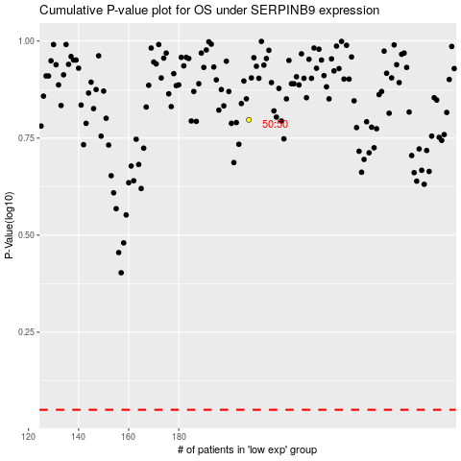

 |  |  |  |  |  | cases_OS | p_OS | rank | exp
 |  |  |  |  |  |  | cases_RFS | p_RFS | rank | exp

