SERPINC1 _multivariate
Reported by Tex Li-Hsing Chi. tex@gate.sinica.edu.tw 2019-08-16

Table 2. The clinicopathological features of HNSCC cohort and SERPINC1 expression. (Chi square test)
Cutoff at -0.219 (52.9%)
 |  | SERPINC1 expression |  | SERPINC1 expression |  | (Optimised)
 | Features | Low | (%) | High | (%) | Case no | P-value | Remark | Matthews
Gender | Female | 159 | 38.3 | 147 | 35.4 | 415 | 0.5437 | 0 | 0
2 | Male | 61 | 14.7 | 48 | 11.6
Age at diagnosis | <=65y | 143 | 34.5 | 131 | 31.6 | 415 | 0.7158 | 0 | 0
4 | >65y | 77 | 18.6 | 64 | 15.4
Clinical T Status | T1+T2 | 76 | 18.3 | 73 | 17.6 | 415 | 0.61 | 0 | 0
6 | T3+T4 | 144 | 34.7 | 122 | 29.4
Clinical N Status | N0 | 118 | 28.4 | 98 | 23.6 | 415 | 0.5556 | 0 | 0
8 | N1-3 | 102 | 24.6 | 97 | 23.4
Clinical M Status | M0 | 219 | 52.8 | 193 | 46.5 | 415 | 0.6028 | 0 | 0
10 | M1 | 1 | 0.2 | 2 | 0.5
Clinical Stage | Stage I+II | 53 | 12.8 | 49 | 11.8 | 415 | 0.896 | 0 | 0
12 | Stage III+IV | 167 | 40.2 | 146 | 35.2
Surgical Margin status | Negative | 172 | 41.4 | 146 | 35.2 | 415 | 0.4858 | 0 | 0
14 | Positive | 48 | 11.6 | 49 | 11.8
Tobacco Exposure | Low | 75 | 18.1 | 86 | 20.7 | 415 | 0.0435 | 1 | 0
16 | High | 145 | 34.9 | 109 | 26.3

Table 3. Univariate/Multivariate Cox's proportional hazards regression analyses on OS time of SERPINC1 gene expression in HNSCC

 |  | Univariate |  |  |  | Multivariate
 | Features | HR | CI95%(L) | CI95%(H) | P-value | HR | CI95%(L) | CI95%(H) | P-value
1 | Female | 1 |  |  |  | 1
Gender | Male | 1.157 | 0.843 | 1.587 | 0.367 | 1.213 | 0.869 | 1.694 | 0.256
11 | <=65y | 1 |  |  |  | 1
Age at diagnosis | >65y | 1.329 | 0.99 | 1.784 | 0.058 | 1.359 | 1.001 | 1.846 | 0.05
12 | T1+T2 | 1 |  |  |  | 1
Clinical T Status | T3+T4 | 1.409 | 1.028 | 1.931 | 0.033 | 2.226 | 1.177 | 4.213 | 0.014
13 | N0 | 1 |  |  |  | 1
Clinical N Status | N1-3 | 1.185 | 0.89 | 1.577 | 0.246 | 1.257 | 0.881 | 1.793 | 0.206
14 | M0 | 1 |  |  |  | 1
Clinical M Status | M1 | 4.097 | 1.009 | 16.644 | 0.049 | 10.546 | 2.289 | 48.592 | 0.003
15 | Stage I+II | 1 |  |  |  | 1
Clinical Stage | Stage III+IV | 1.245 | 0.882 | 1.759 | 0.213 | 0.488 | 0.227 | 1.049 | 0.066
16 | Negative | 1 |  |  |  | 1
Surgical Margin status | Positive | 1.591 | 1.155 | 2.191 | 0.004 | 1.716 | 1.24 | 2.376 | 0.001
17 | Low | 1 |  |  |  | 1
Tobacco Exposure | High | 1.364 | 1.008 | 1.844 | 0.044 | 1.425 | 1.035 | 1.963 | 0.03
18 | Low | 1 |  |  |  | 1
RNAseq(z-score) | High | 0.738 | 0.548 | 0.993 | 0.045 | 0.735 | 0.544 | 0.993 | 0.045

Table 4. Univariate/Multivariate Cox's proportional hazards regression analyses on RFS time of SERPINC1 gene expression in HNSCC

 |  | Univariate |  |  |  | Multivariate
 | Features | HR | CI95%(L) | CI95%(H) | P-value | HR | CI95%(L) | CI95%(H) | P-value
1 | Female | 1 |  |  |  | 1
Gender | Male | 1.157 | 0.843 | 1.587 | 0.367 | 1.213 | 0.869 | 1.694 | 0.256
11 | <=65y | 1 |  |  |  | 1
Age at diagnosis | >65y | 1.329 | 0.99 | 1.784 | 0.058 | 1.359 | 1.001 | 1.846 | 0.05
12 | T1+T2 | 1 |  |  |  | 1
Clinical T Status | T3+T4 | 1.409 | 1.028 | 1.931 | 0.033 | 2.226 | 1.177 | 4.213 | 0.014
13 | N0 | 1 |  |  |  | 1
Clinical N Status | N1-3 | 1.185 | 0.89 | 1.577 | 0.246 | 1.257 | 0.881 | 1.793 | 0.206
14 | M0 | 1 |  |  |  | 1
Clinical M Status | M1 | 4.097 | 1.009 | 16.644 | 0.049 | 10.546 | 2.289 | 48.592 | 0.003
15 | Stage I+II | 1 |  |  |  | 1
Clinical Stage | Stage III+IV | 1.245 | 0.882 | 1.759 | 0.213 | 0.488 | 0.227 | 1.049 | 0.066
16 | Negative | 1 |  |  |  | 1
Surgical Margin status | Positive | 1.591 | 1.155 | 2.191 | 0.004 | 1.716 | 1.24 | 2.376 | 0.001
17 | Low | 1 |  |  |  | 1
Tobacco Exposure | High | 1.364 | 1.008 | 1.844 | 0.044 | 1.425 | 1.035 | 1.963 | 0.03
18 | Low | 1 |  |  |  | 1
RNAseq(z-score) | High | 0.738 | 0.548 | 0.993 | 0.045 | 0.735 | 0.544 | 0.993 | 0.045

Kaplan-Meier survival estimate: Cutoff at -0.219 (52.9%)



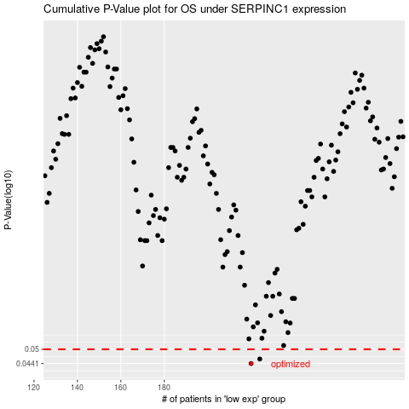

 |  |  |  |  |  | cases_OS | p_OS | rank | exp
 |  |  |  |  |  | 220 | 0.0441 | 368 | -0.21901650443
 |  |  |  |  |  | 224 | 0.0459 | 324 | -0.21476625501
 |  |  |  |  |  |  | cases_RFS | p_RFS | rank | exp
 |  |  |  |  |  |  | 219 | 0.0441 | 200 | -0.21961653965
 |  |  |  |  |  |  | 223 | 0.0459 | 285 | -0.2154329608

