SERTAD1 _multivariate
Reported by Tex Li-Hsing Chi. tex@gate.sinica.edu.tw 2019-08-16

Table 2. The clinicopathological features of HNSCC cohort and SERTAD1 expression. (Chi square test)
Cutoff at -0.3 (50.0%)
 |  | SERTAD1 expression |  | SERTAD1 expression |  | (Optimised)
 | Features | Low | (%) | High | (%) | Case no | P-value | Remark | Matthews
Gender | Female | 162 | 39 | 144 | 34.7 | 415 | 0.0479 | 1 | 0
2 | Male | 45 | 10.8 | 64 | 15.4
Age at diagnosis | <=65y | 140 | 33.7 | 134 | 32.3 | 415 | 0.5574 | 0 | 0
4 | >65y | 67 | 16.1 | 74 | 17.8
Clinical T Status | T1+T2 | 69 | 16.6 | 80 | 19.3 | 415 | 0.3239 | 0 | 0
6 | T3+T4 | 138 | 33.3 | 128 | 30.8
Clinical N Status | N0 | 111 | 26.7 | 105 | 25.3 | 415 | 0.5875 | 0 | 0
8 | N1-3 | 96 | 23.1 | 103 | 24.8
Clinical M Status | M0 | 206 | 49.6 | 206 | 49.6 | 415 | 1 | 0 | 0
10 | M1 | 1 | 0.2 | 2 | 0.5
Clinical Stage | Stage I+II | 46 | 11.1 | 56 | 13.5 | 415 | 0.3182 | 0 | 0
12 | Stage III+IV | 161 | 38.8 | 152 | 36.6
Surgical Margin status | Negative | 158 | 38.1 | 160 | 38.6 | 415 | 0.9081 | 0 | 0
14 | Positive | 49 | 11.8 | 48 | 11.6
Tobacco Exposure | Low | 73 | 17.6 | 88 | 21.2 | 415 | 0.1587 | 0 | 0
16 | High | 134 | 32.3 | 120 | 28.9

Table 3. Univariate/Multivariate Cox's proportional hazards regression analyses on OS time of SERTAD1 gene expression in HNSCC

 |  | Univariate |  |  |  | Multivariate
 | Features | HR | CI95%(L) | CI95%(H) | P-value | HR | CI95%(L) | CI95%(H) | P-value
1 | Female | 1 |  |  |  | 1
Gender | Male | 1.157 | 0.843 | 1.587 | 0.367 | 1.197 | 0.855 | 1.675 | 0.294
11 | <=65y | 1 |  |  |  | 1
Age at diagnosis | >65y | 1.329 | 0.99 | 1.784 | 0.058 | 1.391 | 1.023 | 1.891 | 0.035
12 | T1+T2 | 1 |  |  |  | 1
Clinical T Status | T3+T4 | 1.409 | 1.028 | 1.931 | 0.033 | 2.206 | 1.166 | 4.171 | 0.015
13 | N0 | 1 |  |  |  | 1
Clinical N Status | N1-3 | 1.185 | 0.89 | 1.577 | 0.246 | 1.236 | 0.864 | 1.766 | 0.246
14 | M0 | 1 |  |  |  | 1
Clinical M Status | M1 | 4.097 | 1.009 | 16.644 | 0.049 | 9.329 | 2.031 | 42.845 | 0.004
15 | Stage I+II | 1 |  |  |  | 1
Clinical Stage | Stage III+IV | 1.245 | 0.882 | 1.759 | 0.213 | 0.506 | 0.236 | 1.087 | 0.081
16 | Negative | 1 |  |  |  | 1
Surgical Margin status | Positive | 1.591 | 1.155 | 2.191 | 0.004 | 1.669 | 1.207 | 2.307 | 0.002
17 | Low | 1 |  |  |  | 1
Tobacco Exposure | High | 1.364 | 1.008 | 1.844 | 0.044 | 1.456 | 1.056 | 2.007 | 0.022
18 | Low | 1 |  |  |  | 1
RNAseq(z-score) | High | 1.068 | 0.802 | 1.422 | 0.654 | 1.033 | 0.77 | 1.384 | 0.831

Table 4. Univariate/Multivariate Cox's proportional hazards regression analyses on RFS time of SERTAD1 gene expression in HNSCC

 |  | Univariate |  |  |  | Multivariate
 | Features | HR | CI95%(L) | CI95%(H) | P-value | HR | CI95%(L) | CI95%(H) | P-value
1 | Female | 1 |  |  |  | 1
Gender | Male | 1.157 | 0.843 | 1.587 | 0.367 | 1.197 | 0.855 | 1.675 | 0.294
11 | <=65y | 1 |  |  |  | 1
Age at diagnosis | >65y | 1.329 | 0.99 | 1.784 | 0.058 | 1.391 | 1.023 | 1.891 | 0.035
12 | T1+T2 | 1 |  |  |  | 1
Clinical T Status | T3+T4 | 1.409 | 1.028 | 1.931 | 0.033 | 2.206 | 1.166 | 4.171 | 0.015
13 | N0 | 1 |  |  |  | 1
Clinical N Status | N1-3 | 1.185 | 0.89 | 1.577 | 0.246 | 1.236 | 0.864 | 1.766 | 0.246
14 | M0 | 1 |  |  |  | 1
Clinical M Status | M1 | 4.097 | 1.009 | 16.644 | 0.049 | 9.329 | 2.031 | 42.845 | 0.004
15 | Stage I+II | 1 |  |  |  | 1
Clinical Stage | Stage III+IV | 1.245 | 0.882 | 1.759 | 0.213 | 0.506 | 0.236 | 1.087 | 0.081
16 | Negative | 1 |  |  |  | 1
Surgical Margin status | Positive | 1.591 | 1.155 | 2.191 | 0.004 | 1.669 | 1.207 | 2.307 | 0.002
17 | Low | 1 |  |  |  | 1
Tobacco Exposure | High | 1.364 | 1.008 | 1.844 | 0.044 | 1.456 | 1.056 | 2.007 | 0.022
18 | Low | 1 |  |  |  | 1
RNAseq(z-score) | High | 1.068 | 0.802 | 1.422 | 0.654 | 1.033 | 0.77 | 1.384 | 0.831

Kaplan-Meier survival estimate: Cutoff at -0.3 (50.0%)



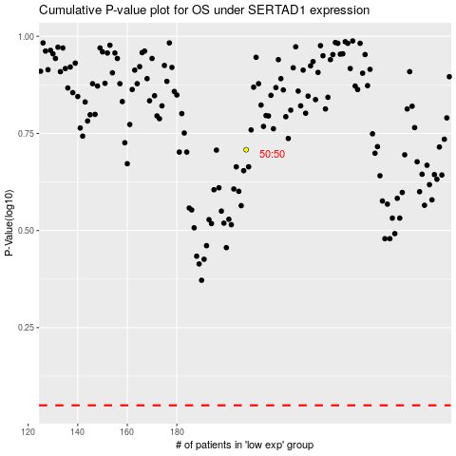

 |  |  |  |  |  | cases_OS | p_OS | rank | exp
 |  |  |  |  |  |  | cases_RFS | p_RFS | rank | exp

