SERTAD2 _multivariate
Reported by Tex Li-Hsing Chi. tex@gate.sinica.edu.tw 2019-08-16

Table 2. The clinicopathological features of HNSCC cohort and SERTAD2 expression. (Chi square test)
Cutoff at -0.14 (50.0%)
 |  | SERTAD2 expression |  | SERTAD2 expression |  | (Optimised)
 | Features | Low | (%) | High | (%) | Case no | P-value | Remark | Matthews
Gender | Female | 151 | 36.4 | 155 | 37.3 | 415 | 0.8007 | 0 | 0
2 | Male | 56 | 13.5 | 53 | 12.8
Age at diagnosis | <=65y | 133 | 32 | 141 | 34 | 415 | 0.5111 | 0 | 0
4 | >65y | 74 | 17.8 | 67 | 16.1
Clinical T Status | T1+T2 | 86 | 20.7 | 63 | 15.2 | 415 | 0.0221 | 1 | 0
6 | T3+T4 | 121 | 29.2 | 145 | 34.9
Clinical N Status | N0 | 113 | 27.2 | 103 | 24.8 | 415 | 0.3495 | 1 | 0
8 | N1-3 | 94 | 22.7 | 105 | 25.3
Clinical M Status | M0 | 205 | 49.4 | 207 | 49.9 | 415 | 0.6232 | 0 | 0
10 | M1 | 2 | 0.5 | 1 | 0.2
Clinical Stage | Stage I+II | 62 | 14.9 | 40 | 9.6 | 415 | 0.0154 | 1 | 0
12 | Stage III+IV | 145 | 34.9 | 168 | 40.5
Surgical Margin status | Negative | 157 | 37.8 | 161 | 38.8 | 415 | 0.729 | 0 | 0
14 | Positive | 50 | 12 | 47 | 11.3
Tobacco Exposure | Low | 80 | 19.3 | 81 | 19.5 | 415 | 1 | 0 | 0
16 | High | 127 | 30.6 | 127 | 30.6

Table 3. Univariate/Multivariate Cox's proportional hazards regression analyses on OS time of SERTAD2 gene expression in HNSCC

 |  | Univariate |  |  |  | Multivariate
 | Features | HR | CI95%(L) | CI95%(H) | P-value | HR | CI95%(L) | CI95%(H) | P-value
1 | Female | 1 |  |  |  | 1
Gender | Male | 1.157 | 0.843 | 1.587 | 0.367 | 1.194 | 0.854 | 1.671 | 0.3
11 | <=65y | 1 |  |  |  | 1
Age at diagnosis | >65y | 1.329 | 0.99 | 1.784 | 0.058 | 1.385 | 1.018 | 1.884 | 0.038
12 | T1+T2 | 1 |  |  |  | 1
Clinical T Status | T3+T4 | 1.409 | 1.028 | 1.931 | 0.033 | 2.21 | 1.169 | 4.18 | 0.015
13 | N0 | 1 |  |  |  | 1
Clinical N Status | N1-3 | 1.185 | 0.89 | 1.577 | 0.246 | 1.239 | 0.868 | 1.769 | 0.238
14 | M0 | 1 |  |  |  | 1
Clinical M Status | M1 | 4.097 | 1.009 | 16.644 | 0.049 | 9.304 | 2.028 | 42.677 | 0.004
15 | Stage I+II | 1 |  |  |  | 1
Clinical Stage | Stage III+IV | 1.245 | 0.882 | 1.759 | 0.213 | 0.509 | 0.237 | 1.094 | 0.084
16 | Negative | 1 |  |  |  | 1
Surgical Margin status | Positive | 1.591 | 1.155 | 2.191 | 0.004 | 1.666 | 1.205 | 2.302 | 0.002
17 | Low | 1 |  |  |  | 1
Tobacco Exposure | High | 1.364 | 1.008 | 1.844 | 0.044 | 1.447 | 1.05 | 1.995 | 0.024
18 | Low | 1 |  |  |  | 1
RNAseq(z-score) | High | 0.898 | 0.674 | 1.196 | 0.462 | 0.932 | 0.696 | 1.248 | 0.637

Table 4. Univariate/Multivariate Cox's proportional hazards regression analyses on RFS time of SERTAD2 gene expression in HNSCC

 |  | Univariate |  |  |  | Multivariate
 | Features | HR | CI95%(L) | CI95%(H) | P-value | HR | CI95%(L) | CI95%(H) | P-value
1 | Female | 1 |  |  |  | 1
Gender | Male | 1.157 | 0.843 | 1.587 | 0.367 | 1.194 | 0.854 | 1.671 | 0.3
11 | <=65y | 1 |  |  |  | 1
Age at diagnosis | >65y | 1.329 | 0.99 | 1.784 | 0.058 | 1.385 | 1.018 | 1.884 | 0.038
12 | T1+T2 | 1 |  |  |  | 1
Clinical T Status | T3+T4 | 1.409 | 1.028 | 1.931 | 0.033 | 2.21 | 1.169 | 4.18 | 0.015
13 | N0 | 1 |  |  |  | 1
Clinical N Status | N1-3 | 1.185 | 0.89 | 1.577 | 0.246 | 1.239 | 0.868 | 1.769 | 0.238
14 | M0 | 1 |  |  |  | 1
Clinical M Status | M1 | 4.097 | 1.009 | 16.644 | 0.049 | 9.304 | 2.028 | 42.677 | 0.004
15 | Stage I+II | 1 |  |  |  | 1
Clinical Stage | Stage III+IV | 1.245 | 0.882 | 1.759 | 0.213 | 0.509 | 0.237 | 1.094 | 0.084
16 | Negative | 1 |  |  |  | 1
Surgical Margin status | Positive | 1.591 | 1.155 | 2.191 | 0.004 | 1.666 | 1.205 | 2.302 | 0.002
17 | Low | 1 |  |  |  | 1
Tobacco Exposure | High | 1.364 | 1.008 | 1.844 | 0.044 | 1.447 | 1.05 | 1.995 | 0.024
18 | Low | 1 |  |  |  | 1
RNAseq(z-score) | High | 0.898 | 0.674 | 1.196 | 0.462 | 0.932 | 0.696 | 1.248 | 0.637

Kaplan-Meier survival estimate: Cutoff at -0.14 (50.0%)



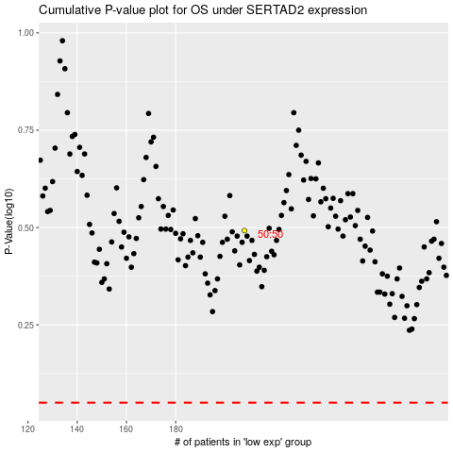

 |  |  |  |  |  | cases_OS | p_OS | rank | exp
 |  |  |  |  |  |  | cases_RFS | p_RFS | rank | exp

