SERTAD4 _multivariate
Reported by Tex Li-Hsing Chi. tex@gate.sinica.edu.tw 2019-08-16

Table 2. The clinicopathological features of HNSCC cohort and SERTAD4 expression. (Chi square test)
Cutoff at -0.4 (49.8%)
 |  | SERTAD4 expression |  | SERTAD4 expression |  | (Optimised)
 | Features | Low | (%) | High | (%) | Case no | P-value | Remark | Matthews
Gender | Female | 151 | 36.4 | 155 | 37.3 | 415 | 0.8007 | 0 | 0
2 | Male | 56 | 13.5 | 53 | 12.8
Age at diagnosis | <=65y | 134 | 32.3 | 140 | 33.7 | 415 | 0.6529 | 0 | 0
4 | >65y | 73 | 17.6 | 68 | 16.4
Clinical T Status | T1+T2 | 69 | 16.6 | 80 | 19.3 | 415 | 0.3239 | 0 | 0
6 | T3+T4 | 138 | 33.3 | 128 | 30.8
Clinical N Status | N0 | 102 | 24.6 | 114 | 27.5 | 415 | 0.3031 | 0 | 0
8 | N1-3 | 105 | 25.3 | 94 | 22.7
Clinical M Status | M0 | 205 | 49.4 | 207 | 49.9 | 415 | 0.6232 | 0 | 0
10 | M1 | 2 | 0.5 | 1 | 0.2
Clinical Stage | Stage I+II | 44 | 10.6 | 58 | 14 | 415 | 0.1459 | 0 | 0
12 | Stage III+IV | 163 | 39.3 | 150 | 36.1
Surgical Margin status | Negative | 154 | 37.1 | 164 | 39.5 | 415 | 0.2984 | 0 | 0
14 | Positive | 53 | 12.8 | 44 | 10.6
Tobacco Exposure | Low | 86 | 20.7 | 75 | 18.1 | 415 | 0.2687 | 0 | 0
16 | High | 121 | 29.2 | 133 | 32

Table 3. Univariate/Multivariate Cox's proportional hazards regression analyses on OS time of SERTAD4 gene expression in HNSCC

 |  | Univariate |  |  |  | Multivariate
 | Features | HR | CI95%(L) | CI95%(H) | P-value | HR | CI95%(L) | CI95%(H) | P-value
1 | Female | 1 |  |  |  | 1
Gender | Male | 1.157 | 0.843 | 1.587 | 0.367 | 1.215 | 0.869 | 1.697 | 0.254
11 | <=65y | 1 |  |  |  | 1
Age at diagnosis | >65y | 1.329 | 0.99 | 1.784 | 0.058 | 1.411 | 1.037 | 1.92 | 0.028
12 | T1+T2 | 1 |  |  |  | 1
Clinical T Status | T3+T4 | 1.409 | 1.028 | 1.931 | 0.033 | 2.22 | 1.173 | 4.201 | 0.014
13 | N0 | 1 |  |  |  | 1
Clinical N Status | N1-3 | 1.185 | 0.89 | 1.577 | 0.246 | 1.244 | 0.872 | 1.776 | 0.228
14 | M0 | 1 |  |  |  | 1
Clinical M Status | M1 | 4.097 | 1.009 | 16.644 | 0.049 | 9.924 | 2.157 | 45.669 | 0.003
15 | Stage I+II | 1 |  |  |  | 1
Clinical Stage | Stage III+IV | 1.245 | 0.882 | 1.759 | 0.213 | 0.505 | 0.235 | 1.084 | 0.08
16 | Negative | 1 |  |  |  | 1
Surgical Margin status | Positive | 1.591 | 1.155 | 2.191 | 0.004 | 1.702 | 1.229 | 2.356 | 0.001
17 | Low | 1 |  |  |  | 1
Tobacco Exposure | High | 1.364 | 1.008 | 1.844 | 0.044 | 1.428 | 1.035 | 1.97 | 0.03
18 | Low | 1 |  |  |  | 1
RNAseq(z-score) | High | 1.076 | 0.807 | 1.434 | 0.618 | 1.162 | 0.865 | 1.56 | 0.318

Table 4. Univariate/Multivariate Cox's proportional hazards regression analyses on RFS time of SERTAD4 gene expression in HNSCC

 |  | Univariate |  |  |  | Multivariate
 | Features | HR | CI95%(L) | CI95%(H) | P-value | HR | CI95%(L) | CI95%(H) | P-value
1 | Female | 1 |  |  |  | 1
Gender | Male | 1.157 | 0.843 | 1.587 | 0.367 | 1.215 | 0.869 | 1.697 | 0.254
11 | <=65y | 1 |  |  |  | 1
Age at diagnosis | >65y | 1.329 | 0.99 | 1.784 | 0.058 | 1.411 | 1.037 | 1.92 | 0.028
12 | T1+T2 | 1 |  |  |  | 1
Clinical T Status | T3+T4 | 1.409 | 1.028 | 1.931 | 0.033 | 2.22 | 1.173 | 4.201 | 0.014
13 | N0 | 1 |  |  |  | 1
Clinical N Status | N1-3 | 1.185 | 0.89 | 1.577 | 0.246 | 1.244 | 0.872 | 1.776 | 0.228
14 | M0 | 1 |  |  |  | 1
Clinical M Status | M1 | 4.097 | 1.009 | 16.644 | 0.049 | 9.924 | 2.157 | 45.669 | 0.003
15 | Stage I+II | 1 |  |  |  | 1
Clinical Stage | Stage III+IV | 1.245 | 0.882 | 1.759 | 0.213 | 0.505 | 0.235 | 1.084 | 0.08
16 | Negative | 1 |  |  |  | 1
Surgical Margin status | Positive | 1.591 | 1.155 | 2.191 | 0.004 | 1.702 | 1.229 | 2.356 | 0.001
17 | Low | 1 |  |  |  | 1
Tobacco Exposure | High | 1.364 | 1.008 | 1.844 | 0.044 | 1.428 | 1.035 | 1.97 | 0.03
18 | Low | 1 |  |  |  | 1
RNAseq(z-score) | High | 1.076 | 0.807 | 1.434 | 0.618 | 1.162 | 0.865 | 1.56 | 0.318

Kaplan-Meier survival estimate: Cutoff at -0.4 (49.8%)



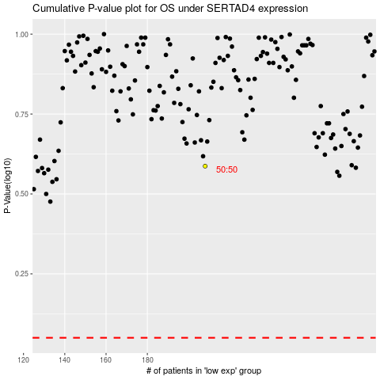

 |  |  |  |  |  | cases_OS | p_OS | rank | exp
 |  |  |  |  |  |  | cases_RFS | p_RFS | rank | exp

