SESN2 _multivariate
Reported by Tex Li-Hsing Chi. tex@gate.sinica.edu.tw 2019-08-16

Table 2. The clinicopathological features of HNSCC cohort and SESN2 expression. (Chi square test)
Cutoff at -0.177 (50.0%)
 |  | SESN2 expression |  | SESN2 expression |  | (Optimised)
 | Features | Low | (%) | High | (%) | Case no | P-value | Remark | Matthews
Gender | Female | 162 | 39 | 144 | 34.7 | 415 | 0.0479 | 1 | 0
2 | Male | 45 | 10.8 | 64 | 15.4
Age at diagnosis | <=65y | 148 | 35.7 | 126 | 30.4 | 415 | 0.0248 | 1 | 0
4 | >65y | 59 | 14.2 | 82 | 19.8
Clinical T Status | T1+T2 | 69 | 16.6 | 80 | 19.3 | 415 | 0.3239 | 0 | 0
6 | T3+T4 | 138 | 33.3 | 128 | 30.8
Clinical N Status | N0 | 105 | 25.3 | 111 | 26.7 | 415 | 0.6598 | 0 | 0
8 | N1-3 | 102 | 24.6 | 97 | 23.4
Clinical M Status | M0 | 207 | 49.9 | 205 | 49.4 | 415 | 0.2482 | 0 | 0
10 | M1 | 0 | 0 | 3 | 0.7
Clinical Stage | Stage I+II | 47 | 11.3 | 55 | 13.3 | 415 | 0.4413 | 0 | 0
12 | Stage III+IV | 160 | 38.6 | 153 | 36.9
Surgical Margin status | Negative | 164 | 39.5 | 154 | 37.1 | 415 | 0.2462 | 0 | 0
14 | Positive | 43 | 10.4 | 54 | 13
Tobacco Exposure | Low | 62 | 14.9 | 99 | 23.9 | 415 | 3e-04 | 1 | 0
16 | High | 145 | 34.9 | 109 | 26.3

Table 3. Univariate/Multivariate Cox's proportional hazards regression analyses on OS time of SESN2 gene expression in HNSCC

 |  | Univariate |  |  |  | Multivariate
 | Features | HR | CI95%(L) | CI95%(H) | P-value | HR | CI95%(L) | CI95%(H) | P-value
1 | Female | 1 |  |  |  | 1
Gender | Male | 1.157 | 0.843 | 1.587 | 0.367 | 1.195 | 0.855 | 1.671 | 0.297
11 | <=65y | 1 |  |  |  | 1
Age at diagnosis | >65y | 1.329 | 0.99 | 1.784 | 0.058 | 1.392 | 1.024 | 1.893 | 0.035
12 | T1+T2 | 1 |  |  |  | 1
Clinical T Status | T3+T4 | 1.409 | 1.028 | 1.931 | 0.033 | 2.229 | 1.177 | 4.222 | 0.014
13 | N0 | 1 |  |  |  | 1
Clinical N Status | N1-3 | 1.185 | 0.89 | 1.577 | 0.246 | 1.244 | 0.872 | 1.774 | 0.229
14 | M0 | 1 |  |  |  | 1
Clinical M Status | M1 | 4.097 | 1.009 | 16.644 | 0.049 | 9.112 | 1.979 | 41.967 | 0.005
15 | Stage I+II | 1 |  |  |  | 1
Clinical Stage | Stage III+IV | 1.245 | 0.882 | 1.759 | 0.213 | 0.501 | 0.233 | 1.076 | 0.076
16 | Negative | 1 |  |  |  | 1
Surgical Margin status | Positive | 1.591 | 1.155 | 2.191 | 0.004 | 1.659 | 1.199 | 2.295 | 0.002
17 | Low | 1 |  |  |  | 1
Tobacco Exposure | High | 1.364 | 1.008 | 1.844 | 0.044 | 1.47 | 1.063 | 2.032 | 0.02
18 | Low | 1 |  |  |  | 1
RNAseq(z-score) | High | 1.065 | 0.799 | 1.419 | 0.666 | 1.081 | 0.803 | 1.455 | 0.606

Table 4. Univariate/Multivariate Cox's proportional hazards regression analyses on RFS time of SESN2 gene expression in HNSCC

 |  | Univariate |  |  |  | Multivariate
 | Features | HR | CI95%(L) | CI95%(H) | P-value | HR | CI95%(L) | CI95%(H) | P-value
1 | Female | 1 |  |  |  | 1
Gender | Male | 1.157 | 0.843 | 1.587 | 0.367 | 1.195 | 0.855 | 1.671 | 0.297
11 | <=65y | 1 |  |  |  | 1
Age at diagnosis | >65y | 1.329 | 0.99 | 1.784 | 0.058 | 1.392 | 1.024 | 1.893 | 0.035
12 | T1+T2 | 1 |  |  |  | 1
Clinical T Status | T3+T4 | 1.409 | 1.028 | 1.931 | 0.033 | 2.229 | 1.177 | 4.222 | 0.014
13 | N0 | 1 |  |  |  | 1
Clinical N Status | N1-3 | 1.185 | 0.89 | 1.577 | 0.246 | 1.244 | 0.872 | 1.774 | 0.229
14 | M0 | 1 |  |  |  | 1
Clinical M Status | M1 | 4.097 | 1.009 | 16.644 | 0.049 | 9.112 | 1.979 | 41.967 | 0.005
15 | Stage I+II | 1 |  |  |  | 1
Clinical Stage | Stage III+IV | 1.245 | 0.882 | 1.759 | 0.213 | 0.501 | 0.233 | 1.076 | 0.076
16 | Negative | 1 |  |  |  | 1
Surgical Margin status | Positive | 1.591 | 1.155 | 2.191 | 0.004 | 1.659 | 1.199 | 2.295 | 0.002
17 | Low | 1 |  |  |  | 1
Tobacco Exposure | High | 1.364 | 1.008 | 1.844 | 0.044 | 1.47 | 1.063 | 2.032 | 0.02
18 | Low | 1 |  |  |  | 1
RNAseq(z-score) | High | 1.065 | 0.799 | 1.419 | 0.666 | 1.081 | 0.803 | 1.455 | 0.606

Kaplan-Meier survival estimate: Cutoff at -0.177 (50.0%)

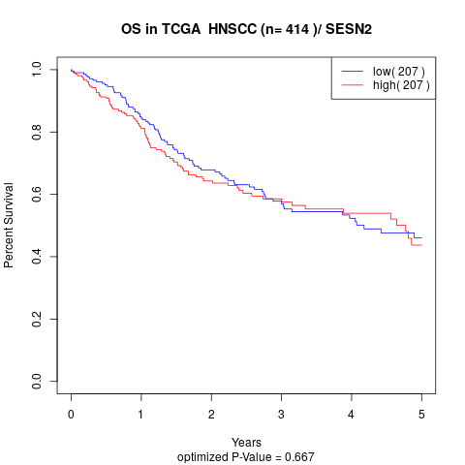

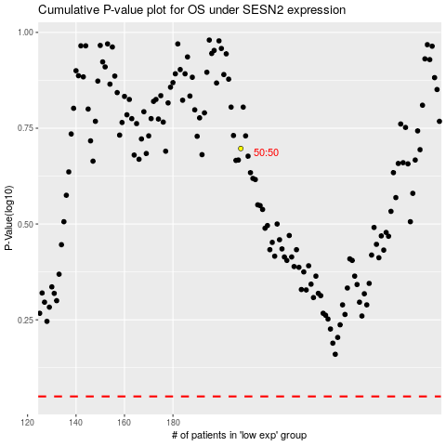

 |  |  |  |  |  | cases_OS | p_OS | rank | exp
 |  |  |  |  |  |  | cases_RFS | p_RFS | rank | exp

