SETBP1 _multivariate
Reported by Tex Li-Hsing Chi. tex@gate.sinica.edu.tw 2019-08-16

Table 2. The clinicopathological features of HNSCC cohort and SETBP1 expression. (Chi square test)
Cutoff at -0.163 (49.8%)
 |  | SETBP1 expression |  | SETBP1 expression |  | (Optimised)
 | Features | Low | (%) | High | (%) | Case no | P-value | Remark | Matthews
Gender | Female | 148 | 35.7 | 158 | 38.1 | 415 | 0.3567 | 0 | 0
2 | Male | 59 | 14.2 | 50 | 12
Age at diagnosis | <=65y | 140 | 33.7 | 134 | 32.3 | 415 | 0.5574 | 0 | 0
4 | >65y | 67 | 16.1 | 74 | 17.8
Clinical T Status | T1+T2 | 70 | 16.9 | 79 | 19 | 415 | 0.4343 | 0 | 0
6 | T3+T4 | 137 | 33 | 129 | 31.1
Clinical N Status | N0 | 103 | 24.8 | 113 | 27.2 | 415 | 0.4047 | 0 | 0
8 | N1-3 | 104 | 25.1 | 95 | 22.9
Clinical M Status | M0 | 205 | 49.4 | 207 | 49.9 | 415 | 0.6232 | 0 | 0
10 | M1 | 2 | 0.5 | 1 | 0.2
Clinical Stage | Stage I+II | 47 | 11.3 | 55 | 13.3 | 415 | 0.4413 | 0 | 0
12 | Stage III+IV | 160 | 38.6 | 153 | 36.9
Surgical Margin status | Negative | 154 | 37.1 | 164 | 39.5 | 415 | 0.2984 | 0 | 0
14 | Positive | 53 | 12.8 | 44 | 10.6
Tobacco Exposure | Low | 78 | 18.8 | 83 | 20 | 415 | 0.6873 | 0 | 0
16 | High | 129 | 31.1 | 125 | 30.1

Table 3. Univariate/Multivariate Cox's proportional hazards regression analyses on OS time of SETBP1 gene expression in HNSCC

 |  | Univariate |  |  |  | Multivariate
 | Features | HR | CI95%(L) | CI95%(H) | P-value | HR | CI95%(L) | CI95%(H) | P-value
1 | Female | 1 |  |  |  | 1
Gender | Male | 1.157 | 0.843 | 1.587 | 0.367 | 1.202 | 0.859 | 1.68 | 0.283
11 | <=65y | 1 |  |  |  | 1
Age at diagnosis | >65y | 1.329 | 0.99 | 1.784 | 0.058 | 1.392 | 1.024 | 1.892 | 0.035
12 | T1+T2 | 1 |  |  |  | 1
Clinical T Status | T3+T4 | 1.409 | 1.028 | 1.931 | 0.033 | 2.203 | 1.164 | 4.169 | 0.015
13 | N0 | 1 |  |  |  | 1
Clinical N Status | N1-3 | 1.185 | 0.89 | 1.577 | 0.246 | 1.241 | 0.868 | 1.773 | 0.236
14 | M0 | 1 |  |  |  | 1
Clinical M Status | M1 | 4.097 | 1.009 | 16.644 | 0.049 | 9.408 | 2.05 | 43.175 | 0.004
15 | Stage I+II | 1 |  |  |  | 1
Clinical Stage | Stage III+IV | 1.245 | 0.882 | 1.759 | 0.213 | 0.505 | 0.235 | 1.084 | 0.079
16 | Negative | 1 |  |  |  | 1
Surgical Margin status | Positive | 1.591 | 1.155 | 2.191 | 0.004 | 1.672 | 1.209 | 2.312 | 0.002
17 | Low | 1 |  |  |  | 1
Tobacco Exposure | High | 1.364 | 1.008 | 1.844 | 0.044 | 1.453 | 1.054 | 2.003 | 0.023
18 | Low | 1 |  |  |  | 1
RNAseq(z-score) | High | 0.923 | 0.691 | 1.233 | 0.588 | 1.001 | 0.745 | 1.344 | 0.997

Table 4. Univariate/Multivariate Cox's proportional hazards regression analyses on RFS time of SETBP1 gene expression in HNSCC

 |  | Univariate |  |  |  | Multivariate
 | Features | HR | CI95%(L) | CI95%(H) | P-value | HR | CI95%(L) | CI95%(H) | P-value
1 | Female | 1 |  |  |  | 1
Gender | Male | 1.157 | 0.843 | 1.587 | 0.367 | 1.202 | 0.859 | 1.68 | 0.283
11 | <=65y | 1 |  |  |  | 1
Age at diagnosis | >65y | 1.329 | 0.99 | 1.784 | 0.058 | 1.392 | 1.024 | 1.892 | 0.035
12 | T1+T2 | 1 |  |  |  | 1
Clinical T Status | T3+T4 | 1.409 | 1.028 | 1.931 | 0.033 | 2.203 | 1.164 | 4.169 | 0.015
13 | N0 | 1 |  |  |  | 1
Clinical N Status | N1-3 | 1.185 | 0.89 | 1.577 | 0.246 | 1.241 | 0.868 | 1.773 | 0.236
14 | M0 | 1 |  |  |  | 1
Clinical M Status | M1 | 4.097 | 1.009 | 16.644 | 0.049 | 9.408 | 2.05 | 43.175 | 0.004
15 | Stage I+II | 1 |  |  |  | 1
Clinical Stage | Stage III+IV | 1.245 | 0.882 | 1.759 | 0.213 | 0.505 | 0.235 | 1.084 | 0.079
16 | Negative | 1 |  |  |  | 1
Surgical Margin status | Positive | 1.591 | 1.155 | 2.191 | 0.004 | 1.672 | 1.209 | 2.312 | 0.002
17 | Low | 1 |  |  |  | 1
Tobacco Exposure | High | 1.364 | 1.008 | 1.844 | 0.044 | 1.453 | 1.054 | 2.003 | 0.023
18 | Low | 1 |  |  |  | 1
RNAseq(z-score) | High | 0.923 | 0.691 | 1.233 | 0.588 | 1.001 | 0.745 | 1.344 | 0.997

Kaplan-Meier survival estimate: Cutoff at -0.163 (49.8%)



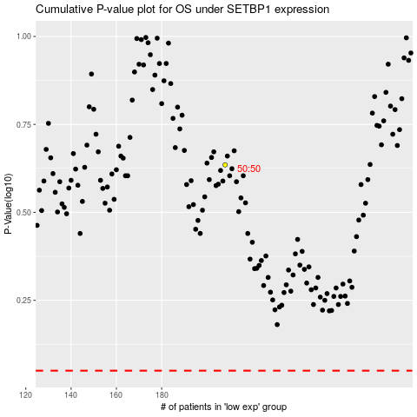

 |  |  |  |  |  | cases_OS | p_OS | rank | exp
 |  |  |  |  |  |  | cases_RFS | p_RFS | rank | exp

