SETD1A _multivariate
Reported by Tex Li-Hsing Chi. tex@gate.sinica.edu.tw 2019-08-16

Table 2. The clinicopathological features of HNSCC cohort and SETD1A expression. (Chi square test)
Cutoff at -0.018 (49.8%)
 |  | SETD1A expression |  | SETD1A expression |  | (Optimised)
 | Features | Low | (%) | High | (%) | Case no | P-value | Remark | Matthews
Gender | Female | 137 | 33 | 169 | 40.7 | 415 | 7e-04 | 1 | 0
2 | Male | 70 | 16.9 | 39 | 9.4
Age at diagnosis | <=65y | 127 | 30.6 | 147 | 35.4 | 415 | 0.0573 | 0 | 0
4 | >65y | 80 | 19.3 | 61 | 14.7
Clinical T Status | T1+T2 | 83 | 20 | 66 | 15.9 | 415 | 0.0941 | 0 | 0
6 | T3+T4 | 124 | 29.9 | 142 | 34.2
Clinical N Status | N0 | 110 | 26.5 | 106 | 25.5 | 415 | 0.7294 | 0 | 0
8 | N1-3 | 97 | 23.4 | 102 | 24.6
Clinical M Status | M0 | 206 | 49.6 | 206 | 49.6 | 415 | 1 | 0 | 0
10 | M1 | 1 | 0.2 | 2 | 0.5
Clinical Stage | Stage I+II | 59 | 14.2 | 43 | 10.4 | 415 | 0.0822 | 0 | 0
12 | Stage III+IV | 148 | 35.7 | 165 | 39.8
Surgical Margin status | Negative | 157 | 37.8 | 161 | 38.8 | 415 | 0.729 | 0 | 0
14 | Positive | 50 | 12 | 47 | 11.3
Tobacco Exposure | Low | 86 | 20.7 | 75 | 18.1 | 415 | 0.2687 | 0 | 0
16 | High | 121 | 29.2 | 133 | 32

Table 3. Univariate/Multivariate Cox's proportional hazards regression analyses on OS time of SETD1A gene expression in HNSCC

 |  | Univariate |  |  |  | Multivariate
 | Features | HR | CI95%(L) | CI95%(H) | P-value | HR | CI95%(L) | CI95%(H) | P-value
1 | Female | 1 |  |  |  | 1
Gender | Male | 1.157 | 0.843 | 1.587 | 0.367 | 1.167 | 0.83 | 1.64 | 0.374
11 | <=65y | 1 |  |  |  | 1
Age at diagnosis | >65y | 1.329 | 0.99 | 1.784 | 0.058 | 1.383 | 1.017 | 1.879 | 0.039
12 | T1+T2 | 1 |  |  |  | 1
Clinical T Status | T3+T4 | 1.409 | 1.028 | 1.931 | 0.033 | 2.217 | 1.173 | 4.191 | 0.014
13 | N0 | 1 |  |  |  | 1
Clinical N Status | N1-3 | 1.185 | 0.89 | 1.577 | 0.246 | 1.234 | 0.866 | 1.761 | 0.245
14 | M0 | 1 |  |  |  | 1
Clinical M Status | M1 | 4.097 | 1.009 | 16.644 | 0.049 | 9.71 | 2.115 | 44.57 | 0.003
15 | Stage I+II | 1 |  |  |  | 1
Clinical Stage | Stage III+IV | 1.245 | 0.882 | 1.759 | 0.213 | 0.517 | 0.24 | 1.111 | 0.091
16 | Negative | 1 |  |  |  | 1
Surgical Margin status | Positive | 1.591 | 1.155 | 2.191 | 0.004 | 1.663 | 1.204 | 2.298 | 0.002
17 | Low | 1 |  |  |  | 1
Tobacco Exposure | High | 1.364 | 1.008 | 1.844 | 0.044 | 1.441 | 1.045 | 1.986 | 0.026
18 | Low | 1 |  |  |  | 1
RNAseq(z-score) | High | 0.88 | 0.659 | 1.174 | 0.385 | 0.875 | 0.647 | 1.182 | 0.383

Table 4. Univariate/Multivariate Cox's proportional hazards regression analyses on RFS time of SETD1A gene expression in HNSCC

 |  | Univariate |  |  |  | Multivariate
 | Features | HR | CI95%(L) | CI95%(H) | P-value | HR | CI95%(L) | CI95%(H) | P-value
1 | Female | 1 |  |  |  | 1
Gender | Male | 1.157 | 0.843 | 1.587 | 0.367 | 1.167 | 0.83 | 1.64 | 0.374
11 | <=65y | 1 |  |  |  | 1
Age at diagnosis | >65y | 1.329 | 0.99 | 1.784 | 0.058 | 1.383 | 1.017 | 1.879 | 0.039
12 | T1+T2 | 1 |  |  |  | 1
Clinical T Status | T3+T4 | 1.409 | 1.028 | 1.931 | 0.033 | 2.217 | 1.173 | 4.191 | 0.014
13 | N0 | 1 |  |  |  | 1
Clinical N Status | N1-3 | 1.185 | 0.89 | 1.577 | 0.246 | 1.234 | 0.866 | 1.761 | 0.245
14 | M0 | 1 |  |  |  | 1
Clinical M Status | M1 | 4.097 | 1.009 | 16.644 | 0.049 | 9.71 | 2.115 | 44.57 | 0.003
15 | Stage I+II | 1 |  |  |  | 1
Clinical Stage | Stage III+IV | 1.245 | 0.882 | 1.759 | 0.213 | 0.517 | 0.24 | 1.111 | 0.091
16 | Negative | 1 |  |  |  | 1
Surgical Margin status | Positive | 1.591 | 1.155 | 2.191 | 0.004 | 1.663 | 1.204 | 2.298 | 0.002
17 | Low | 1 |  |  |  | 1
Tobacco Exposure | High | 1.364 | 1.008 | 1.844 | 0.044 | 1.441 | 1.045 | 1.986 | 0.026
18 | Low | 1 |  |  |  | 1
RNAseq(z-score) | High | 0.88 | 0.659 | 1.174 | 0.385 | 0.875 | 0.647 | 1.182 | 0.383

Kaplan-Meier survival estimate: Cutoff at -0.018 (49.8%)



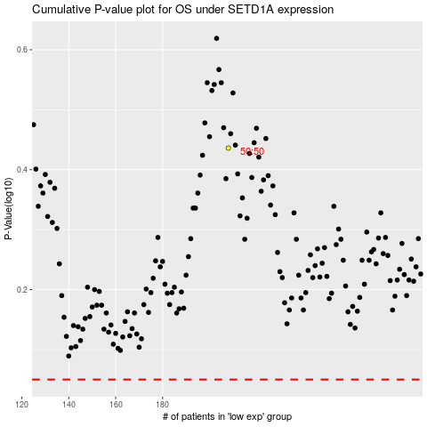

 |  |  |  |  |  | cases_OS | p_OS | rank | exp
 |  |  |  |  |  |  | cases_RFS | p_RFS | rank | exp

