SETD5 _multivariate
Reported by Tex Li-Hsing Chi. tex@gate.sinica.edu.tw 2019-08-16

Table 2. The clinicopathological features of HNSCC cohort and SETD5 expression. (Chi square test)
Cutoff at -0.091 (52.4%)
 |  | SETD5 expression |  | SETD5 expression |  | (Optimised)
 | Features | Low | (%) | High | (%) | Case no | P-value | Remark | Matthews
Gender | Female | 164 | 39.5 | 142 | 34.2 | 415 | 0.5379 | 0 | 0
2 | Male | 54 | 13 | 55 | 13.3
Age at diagnosis | <=65y | 146 | 35.2 | 128 | 30.8 | 415 | 0.7449 | 0 | 0
4 | >65y | 72 | 17.3 | 69 | 16.6
Clinical T Status | T1+T2 | 78 | 18.8 | 71 | 17.1 | 415 | 1 | 0 | 0
6 | T3+T4 | 140 | 33.7 | 126 | 30.4
Clinical N Status | N0 | 114 | 27.5 | 102 | 24.6 | 415 | 0.9945 | 0 | 0
8 | N1-3 | 104 | 25.1 | 95 | 22.9
Clinical M Status | M0 | 215 | 51.8 | 197 | 47.5 | 415 | 0.2501 | 0 | 0
10 | M1 | 3 | 0.7 | 0 | 0
Clinical Stage | Stage I+II | 53 | 12.8 | 49 | 11.8 | 415 | 0.9853 | 0 | 0
12 | Stage III+IV | 165 | 39.8 | 148 | 35.7
Surgical Margin status | Negative | 173 | 41.7 | 145 | 34.9 | 415 | 0.2013 | 0 | 0
14 | Positive | 45 | 10.8 | 52 | 12.5
Tobacco Exposure | Low | 77 | 18.6 | 84 | 20.2 | 415 | 0.1316 | 0 | 0
16 | High | 141 | 34 | 113 | 27.2

Table 3. Univariate/Multivariate Cox's proportional hazards regression analyses on OS time of SETD5 gene expression in HNSCC

 |  | Univariate |  |  |  | Multivariate
 | Features | HR | CI95%(L) | CI95%(H) | P-value | HR | CI95%(L) | CI95%(H) | P-value
1 | Female | 1 |  |  |  | 1
Gender | Male | 1.157 | 0.843 | 1.587 | 0.367 | 1.202 | 0.86 | 1.68 | 0.282
11 | <=65y | 1 |  |  |  | 1
Age at diagnosis | >65y | 1.329 | 0.99 | 1.784 | 0.058 | 1.396 | 1.028 | 1.897 | 0.033
12 | T1+T2 | 1 |  |  |  | 1
Clinical T Status | T3+T4 | 1.409 | 1.028 | 1.931 | 0.033 | 2.179 | 1.153 | 4.117 | 0.016
13 | N0 | 1 |  |  |  | 1
Clinical N Status | N1-3 | 1.185 | 0.89 | 1.577 | 0.246 | 1.224 | 0.858 | 1.746 | 0.266
14 | M0 | 1 |  |  |  | 1
Clinical M Status | M1 | 4.097 | 1.009 | 16.644 | 0.049 | 8.317 | 1.805 | 38.317 | 0.007
15 | Stage I+II | 1 |  |  |  | 1
Clinical Stage | Stage III+IV | 1.245 | 0.882 | 1.759 | 0.213 | 0.514 | 0.239 | 1.104 | 0.088
16 | Negative | 1 |  |  |  | 1
Surgical Margin status | Positive | 1.591 | 1.155 | 2.191 | 0.004 | 1.656 | 1.199 | 2.286 | 0.002
17 | Low | 1 |  |  |  | 1
Tobacco Exposure | High | 1.364 | 1.008 | 1.844 | 0.044 | 1.427 | 1.035 | 1.968 | 0.03
18 | Low | 1 |  |  |  | 1
RNAseq(z-score) | High | 0.734 | 0.549 | 0.98 | 0.036 | 0.773 | 0.577 | 1.035 | 0.084

Table 4. Univariate/Multivariate Cox's proportional hazards regression analyses on RFS time of SETD5 gene expression in HNSCC

 |  | Univariate |  |  |  | Multivariate
 | Features | HR | CI95%(L) | CI95%(H) | P-value | HR | CI95%(L) | CI95%(H) | P-value
1 | Female | 1 |  |  |  | 1
Gender | Male | 1.157 | 0.843 | 1.587 | 0.367 | 1.202 | 0.86 | 1.68 | 0.282
11 | <=65y | 1 |  |  |  | 1
Age at diagnosis | >65y | 1.329 | 0.99 | 1.784 | 0.058 | 1.396 | 1.028 | 1.897 | 0.033
12 | T1+T2 | 1 |  |  |  | 1
Clinical T Status | T3+T4 | 1.409 | 1.028 | 1.931 | 0.033 | 2.179 | 1.153 | 4.117 | 0.016
13 | N0 | 1 |  |  |  | 1
Clinical N Status | N1-3 | 1.185 | 0.89 | 1.577 | 0.246 | 1.224 | 0.858 | 1.746 | 0.266
14 | M0 | 1 |  |  |  | 1
Clinical M Status | M1 | 4.097 | 1.009 | 16.644 | 0.049 | 8.317 | 1.805 | 38.317 | 0.007
15 | Stage I+II | 1 |  |  |  | 1
Clinical Stage | Stage III+IV | 1.245 | 0.882 | 1.759 | 0.213 | 0.514 | 0.239 | 1.104 | 0.088
16 | Negative | 1 |  |  |  | 1
Surgical Margin status | Positive | 1.591 | 1.155 | 2.191 | 0.004 | 1.656 | 1.199 | 2.286 | 0.002
17 | Low | 1 |  |  |  | 1
Tobacco Exposure | High | 1.364 | 1.008 | 1.844 | 0.044 | 1.427 | 1.035 | 1.968 | 0.03
18 | Low | 1 |  |  |  | 1
RNAseq(z-score) | High | 0.734 | 0.549 | 0.98 | 0.036 | 0.773 | 0.577 | 1.035 | 0.084

Kaplan-Meier survival estimate: Cutoff at -0.091 (52.4%)



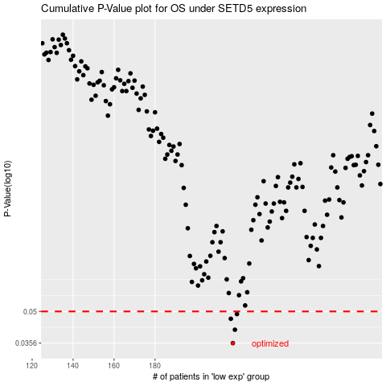

 |  |  |  |  |  | cases_OS | p_OS | rank | exp
 |  |  |  |  |  | 218 | 0.0356 | 330 | -0.090999619716
 |  |  |  |  |  | 219 | 0.0411 | 167 | -0.082027859998
 |  |  |  |  |  | 217 | 0.0462 | 125 | -0.094781562805
 |  |  |  |  |  | 220 | 0.0486 | 129 | -0.079980505022
 |  |  |  |  |  |  | cases_RFS | p_RFS | rank | exp
 |  |  |  |  |  |  | 217 | 0.0356 | 125 | -0.094781562805
 |  |  |  |  |  |  | 218 | 0.0411 | 330 | -0.090999619716
 |  |  |  |  |  |  | 216 | 0.0462 | 67 | -0.094921462577
 |  |  |  |  |  |  | 219 | 0.0486 | 167 | -0.082027859998

