SETD7 _multivariate
Reported by Tex Li-Hsing Chi. tex@gate.sinica.edu.tw 2019-08-16

Table 2. The clinicopathological features of HNSCC cohort and SETD7 expression. (Chi square test)
Cutoff at -0.126 (49.8%)
 |  | SETD7 expression |  | SETD7 expression |  | (Optimised)
 | Features | Low | (%) | High | (%) | Case no | P-value | Remark | Matthews
Gender | Female | 151 | 36.4 | 155 | 37.3 | 415 | 0.8007 | 0 | 0
2 | Male | 56 | 13.5 | 53 | 12.8
Age at diagnosis | <=65y | 142 | 34.2 | 132 | 31.8 | 415 | 0.3167 | 0 | 0
4 | >65y | 65 | 15.7 | 76 | 18.3
Clinical T Status | T1+T2 | 79 | 19 | 70 | 16.9 | 415 | 0.3924 | 0 | 0
6 | T3+T4 | 128 | 30.8 | 138 | 33.3
Clinical N Status | N0 | 102 | 24.6 | 114 | 27.5 | 415 | 0.3031 | 0 | 0
8 | N1-3 | 105 | 25.3 | 94 | 22.7
Clinical M Status | M0 | 204 | 49.2 | 208 | 50.1 | 415 | 0.1232 | 0 | 0
10 | M1 | 3 | 0.7 | 0 | 0
Clinical Stage | Stage I+II | 51 | 12.3 | 51 | 12.3 | 415 | 1 | 0 | 0
12 | Stage III+IV | 156 | 37.6 | 157 | 37.8
Surgical Margin status | Negative | 155 | 37.3 | 163 | 39.3 | 415 | 0.4187 | 0 | 0
14 | Positive | 52 | 12.5 | 45 | 10.8
Tobacco Exposure | Low | 83 | 20 | 78 | 18.8 | 415 | 0.6152 | 0 | 0
16 | High | 124 | 29.9 | 130 | 31.3

Table 3. Univariate/Multivariate Cox's proportional hazards regression analyses on OS time of SETD7 gene expression in HNSCC

 |  | Univariate |  |  |  | Multivariate
 | Features | HR | CI95%(L) | CI95%(H) | P-value | HR | CI95%(L) | CI95%(H) | P-value
1 | Female | 1 |  |  |  | 1
Gender | Male | 1.157 | 0.843 | 1.587 | 0.367 | 1.215 | 0.87 | 1.699 | 0.253
11 | <=65y | 1 |  |  |  | 1
Age at diagnosis | >65y | 1.329 | 0.99 | 1.784 | 0.058 | 1.389 | 1.021 | 1.889 | 0.036
12 | T1+T2 | 1 |  |  |  | 1
Clinical T Status | T3+T4 | 1.409 | 1.028 | 1.931 | 0.033 | 2.185 | 1.156 | 4.129 | 0.016
13 | N0 | 1 |  |  |  | 1
Clinical N Status | N1-3 | 1.185 | 0.89 | 1.577 | 0.246 | 1.256 | 0.88 | 1.793 | 0.209
14 | M0 | 1 |  |  |  | 1
Clinical M Status | M1 | 4.097 | 1.009 | 16.644 | 0.049 | 10.214 | 2.213 | 47.137 | 0.003
15 | Stage I+II | 1 |  |  |  | 1
Clinical Stage | Stage III+IV | 1.245 | 0.882 | 1.759 | 0.213 | 0.508 | 0.237 | 1.09 | 0.082
16 | Negative | 1 |  |  |  | 1
Surgical Margin status | Positive | 1.591 | 1.155 | 2.191 | 0.004 | 1.678 | 1.214 | 2.32 | 0.002
17 | Low | 1 |  |  |  | 1
Tobacco Exposure | High | 1.364 | 1.008 | 1.844 | 0.044 | 1.467 | 1.063 | 2.023 | 0.02
18 | Low | 1 |  |  |  | 1
RNAseq(z-score) | High | 1.147 | 0.859 | 1.532 | 0.352 | 1.193 | 0.889 | 1.6 | 0.24

Table 4. Univariate/Multivariate Cox's proportional hazards regression analyses on RFS time of SETD7 gene expression in HNSCC

 |  | Univariate |  |  |  | Multivariate
 | Features | HR | CI95%(L) | CI95%(H) | P-value | HR | CI95%(L) | CI95%(H) | P-value
1 | Female | 1 |  |  |  | 1
Gender | Male | 1.157 | 0.843 | 1.587 | 0.367 | 1.215 | 0.87 | 1.699 | 0.253
11 | <=65y | 1 |  |  |  | 1
Age at diagnosis | >65y | 1.329 | 0.99 | 1.784 | 0.058 | 1.389 | 1.021 | 1.889 | 0.036
12 | T1+T2 | 1 |  |  |  | 1
Clinical T Status | T3+T4 | 1.409 | 1.028 | 1.931 | 0.033 | 2.185 | 1.156 | 4.129 | 0.016
13 | N0 | 1 |  |  |  | 1
Clinical N Status | N1-3 | 1.185 | 0.89 | 1.577 | 0.246 | 1.256 | 0.88 | 1.793 | 0.209
14 | M0 | 1 |  |  |  | 1
Clinical M Status | M1 | 4.097 | 1.009 | 16.644 | 0.049 | 10.214 | 2.213 | 47.137 | 0.003
15 | Stage I+II | 1 |  |  |  | 1
Clinical Stage | Stage III+IV | 1.245 | 0.882 | 1.759 | 0.213 | 0.508 | 0.237 | 1.09 | 0.082
16 | Negative | 1 |  |  |  | 1
Surgical Margin status | Positive | 1.591 | 1.155 | 2.191 | 0.004 | 1.678 | 1.214 | 2.32 | 0.002
17 | Low | 1 |  |  |  | 1
Tobacco Exposure | High | 1.364 | 1.008 | 1.844 | 0.044 | 1.467 | 1.063 | 2.023 | 0.02
18 | Low | 1 |  |  |  | 1
RNAseq(z-score) | High | 1.147 | 0.859 | 1.532 | 0.352 | 1.193 | 0.889 | 1.6 | 0.24

Kaplan-Meier survival estimate: Cutoff at -0.126 (49.8%)



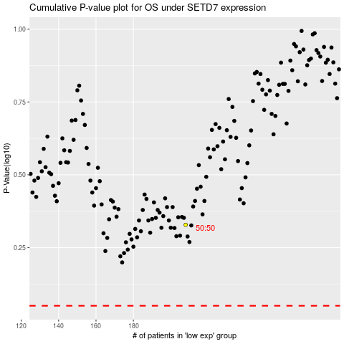

 |  |  |  |  |  | cases_OS | p_OS | rank | exp
 |  |  |  |  |  |  | cases_RFS | p_RFS | rank | exp

