SETDB1 _multivariate
Reported by Tex Li-Hsing Chi. tex@gate.sinica.edu.tw 2019-08-16

Table 2. The clinicopathological features of HNSCC cohort and SETDB1 expression. (Chi square test)
Cutoff at -0.182 (49.8%)
 |  | SETDB1 expression |  | SETDB1 expression |  | (Optimised)
 | Features | Low | (%) | High | (%) | Case no | P-value | Remark | Matthews
Gender | Female | 150 | 36.1 | 156 | 37.6 | 415 | 0.6344 | 0 | 0
2 | Male | 57 | 13.7 | 52 | 12.5
Age at diagnosis | <=65y | 139 | 33.5 | 135 | 32.5 | 415 | 0.7044 | 0 | 0
4 | >65y | 68 | 16.4 | 73 | 17.6
Clinical T Status | T1+T2 | 69 | 16.6 | 80 | 19.3 | 415 | 0.3239 | 0 | 0
6 | T3+T4 | 138 | 33.3 | 128 | 30.8
Clinical N Status | N0 | 105 | 25.3 | 111 | 26.7 | 415 | 0.6598 | 0 | 0
8 | N1-3 | 102 | 24.6 | 97 | 23.4
Clinical M Status | M0 | 206 | 49.6 | 206 | 49.6 | 415 | 1 | 0 | 0
10 | M1 | 1 | 0.2 | 2 | 0.5
Clinical Stage | Stage I+II | 53 | 12.8 | 49 | 11.8 | 415 | 0.7113 | 0 | 0
12 | Stage III+IV | 154 | 37.1 | 159 | 38.3
Surgical Margin status | Negative | 164 | 39.5 | 154 | 37.1 | 415 | 0.2462 | 0 | 0
14 | Positive | 43 | 10.4 | 54 | 13
Tobacco Exposure | Low | 72 | 17.3 | 89 | 21.4 | 415 | 0.1071 | 0 | 0
16 | High | 135 | 32.5 | 119 | 28.7

Table 3. Univariate/Multivariate Cox's proportional hazards regression analyses on OS time of SETDB1 gene expression in HNSCC

 |  | Univariate |  |  |  | Multivariate
 | Features | HR | CI95%(L) | CI95%(H) | P-value | HR | CI95%(L) | CI95%(H) | P-value
1 | Female | 1 |  |  |  | 1
Gender | Male | 1.157 | 0.843 | 1.587 | 0.367 | 1.196 | 0.855 | 1.673 | 0.296
11 | <=65y | 1 |  |  |  | 1
Age at diagnosis | >65y | 1.329 | 0.99 | 1.784 | 0.058 | 1.392 | 1.024 | 1.893 | 0.035
12 | T1+T2 | 1 |  |  |  | 1
Clinical T Status | T3+T4 | 1.409 | 1.028 | 1.931 | 0.033 | 2.183 | 1.151 | 4.141 | 0.017
13 | N0 | 1 |  |  |  | 1
Clinical N Status | N1-3 | 1.185 | 0.89 | 1.577 | 0.246 | 1.235 | 0.864 | 1.765 | 0.246
14 | M0 | 1 |  |  |  | 1
Clinical M Status | M1 | 4.097 | 1.009 | 16.644 | 0.049 | 9.377 | 2.046 | 42.986 | 0.004
15 | Stage I+II | 1 |  |  |  | 1
Clinical Stage | Stage III+IV | 1.245 | 0.882 | 1.759 | 0.213 | 0.51 | 0.237 | 1.101 | 0.086
16 | Negative | 1 |  |  |  | 1
Surgical Margin status | Positive | 1.591 | 1.155 | 2.191 | 0.004 | 1.673 | 1.211 | 2.312 | 0.002
17 | Low | 1 |  |  |  | 1
Tobacco Exposure | High | 1.364 | 1.008 | 1.844 | 0.044 | 1.443 | 1.043 | 1.996 | 0.027
18 | Low | 1 |  |  |  | 1
RNAseq(z-score) | High | 0.892 | 0.67 | 1.189 | 0.436 | 0.96 | 0.715 | 1.29 | 0.788

Table 4. Univariate/Multivariate Cox's proportional hazards regression analyses on RFS time of SETDB1 gene expression in HNSCC

 |  | Univariate |  |  |  | Multivariate
 | Features | HR | CI95%(L) | CI95%(H) | P-value | HR | CI95%(L) | CI95%(H) | P-value
1 | Female | 1 |  |  |  | 1
Gender | Male | 1.157 | 0.843 | 1.587 | 0.367 | 1.196 | 0.855 | 1.673 | 0.296
11 | <=65y | 1 |  |  |  | 1
Age at diagnosis | >65y | 1.329 | 0.99 | 1.784 | 0.058 | 1.392 | 1.024 | 1.893 | 0.035
12 | T1+T2 | 1 |  |  |  | 1
Clinical T Status | T3+T4 | 1.409 | 1.028 | 1.931 | 0.033 | 2.183 | 1.151 | 4.141 | 0.017
13 | N0 | 1 |  |  |  | 1
Clinical N Status | N1-3 | 1.185 | 0.89 | 1.577 | 0.246 | 1.235 | 0.864 | 1.765 | 0.246
14 | M0 | 1 |  |  |  | 1
Clinical M Status | M1 | 4.097 | 1.009 | 16.644 | 0.049 | 9.377 | 2.046 | 42.986 | 0.004
15 | Stage I+II | 1 |  |  |  | 1
Clinical Stage | Stage III+IV | 1.245 | 0.882 | 1.759 | 0.213 | 0.51 | 0.237 | 1.101 | 0.086
16 | Negative | 1 |  |  |  | 1
Surgical Margin status | Positive | 1.591 | 1.155 | 2.191 | 0.004 | 1.673 | 1.211 | 2.312 | 0.002
17 | Low | 1 |  |  |  | 1
Tobacco Exposure | High | 1.364 | 1.008 | 1.844 | 0.044 | 1.443 | 1.043 | 1.996 | 0.027
18 | Low | 1 |  |  |  | 1
RNAseq(z-score) | High | 0.892 | 0.67 | 1.189 | 0.436 | 0.96 | 0.715 | 1.29 | 0.788

Kaplan-Meier survival estimate: Cutoff at -0.182 (49.8%)



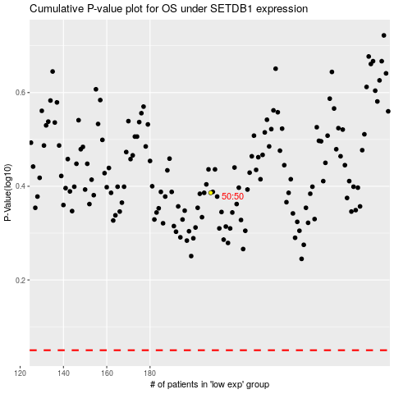

 |  |  |  |  |  | cases_OS | p_OS | rank | exp
 |  |  |  |  |  |  | cases_RFS | p_RFS | rank | exp

