SETX _multivariate
Reported by Tex Li-Hsing Chi. tex@gate.sinica.edu.tw 2019-08-16

Table 2. The clinicopathological features of HNSCC cohort and SETX expression. (Chi square test)
Cutoff at -0.087 (49.8%)
 |  | SETX expression |  | SETX expression |  | (Optimised)
 | Features | Low | (%) | High | (%) | Case no | P-value | Remark | Matthews
Gender | Female | 153 | 36.9 | 153 | 36.9 | 415 | 1 | 0 | 0
2 | Male | 54 | 13 | 55 | 13.3
Age at diagnosis | <=65y | 144 | 34.7 | 130 | 31.3 | 415 | 0.1568 | 0 | 0
4 | >65y | 63 | 15.2 | 78 | 18.8
Clinical T Status | T1+T2 | 78 | 18.8 | 71 | 17.1 | 415 | 0.5152 | 0 | 0
6 | T3+T4 | 129 | 31.1 | 137 | 33
Clinical N Status | N0 | 105 | 25.3 | 111 | 26.7 | 415 | 0.6598 | 0 | 0
8 | N1-3 | 102 | 24.6 | 97 | 23.4
Clinical M Status | M0 | 205 | 49.4 | 207 | 49.9 | 415 | 0.6232 | 0 | 0
10 | M1 | 2 | 0.5 | 1 | 0.2
Clinical Stage | Stage I+II | 52 | 12.5 | 50 | 12 | 415 | 0.8871 | 0 | 0
12 | Stage III+IV | 155 | 37.3 | 158 | 38.1
Surgical Margin status | Negative | 154 | 37.1 | 164 | 39.5 | 415 | 0.2984 | 0 | 0
14 | Positive | 53 | 12.8 | 44 | 10.6
Tobacco Exposure | Low | 86 | 20.7 | 75 | 18.1 | 415 | 0.2687 | 0 | 0
16 | High | 121 | 29.2 | 133 | 32

Table 3. Univariate/Multivariate Cox's proportional hazards regression analyses on OS time of SETX gene expression in HNSCC

 |  | Univariate |  |  |  | Multivariate
 | Features | HR | CI95%(L) | CI95%(H) | P-value | HR | CI95%(L) | CI95%(H) | P-value
1 | Female | 1 |  |  |  | 1
Gender | Male | 1.157 | 0.843 | 1.587 | 0.367 | 1.214 | 0.869 | 1.695 | 0.256
11 | <=65y | 1 |  |  |  | 1
Age at diagnosis | >65y | 1.329 | 0.99 | 1.784 | 0.058 | 1.368 | 1.005 | 1.863 | 0.046
12 | T1+T2 | 1 |  |  |  | 1
Clinical T Status | T3+T4 | 1.409 | 1.028 | 1.931 | 0.033 | 2.19 | 1.157 | 4.143 | 0.016
13 | N0 | 1 |  |  |  | 1
Clinical N Status | N1-3 | 1.185 | 0.89 | 1.577 | 0.246 | 1.249 | 0.875 | 1.783 | 0.221
14 | M0 | 1 |  |  |  | 1
Clinical M Status | M1 | 4.097 | 1.009 | 16.644 | 0.049 | 9.956 | 2.167 | 45.75 | 0.003
15 | Stage I+II | 1 |  |  |  | 1
Clinical Stage | Stage III+IV | 1.245 | 0.882 | 1.759 | 0.213 | 0.502 | 0.234 | 1.079 | 0.077
16 | Negative | 1 |  |  |  | 1
Surgical Margin status | Positive | 1.591 | 1.155 | 2.191 | 0.004 | 1.701 | 1.229 | 2.354 | 0.001
17 | Low | 1 |  |  |  | 1
Tobacco Exposure | High | 1.364 | 1.008 | 1.844 | 0.044 | 1.455 | 1.056 | 2.005 | 0.022
18 | Low | 1 |  |  |  | 1
RNAseq(z-score) | High | 1.186 | 0.889 | 1.582 | 0.245 | 1.218 | 0.909 | 1.631 | 0.187

Table 4. Univariate/Multivariate Cox's proportional hazards regression analyses on RFS time of SETX gene expression in HNSCC

 |  | Univariate |  |  |  | Multivariate
 | Features | HR | CI95%(L) | CI95%(H) | P-value | HR | CI95%(L) | CI95%(H) | P-value
1 | Female | 1 |  |  |  | 1
Gender | Male | 1.157 | 0.843 | 1.587 | 0.367 | 1.214 | 0.869 | 1.695 | 0.256
11 | <=65y | 1 |  |  |  | 1
Age at diagnosis | >65y | 1.329 | 0.99 | 1.784 | 0.058 | 1.368 | 1.005 | 1.863 | 0.046
12 | T1+T2 | 1 |  |  |  | 1
Clinical T Status | T3+T4 | 1.409 | 1.028 | 1.931 | 0.033 | 2.19 | 1.157 | 4.143 | 0.016
13 | N0 | 1 |  |  |  | 1
Clinical N Status | N1-3 | 1.185 | 0.89 | 1.577 | 0.246 | 1.249 | 0.875 | 1.783 | 0.221
14 | M0 | 1 |  |  |  | 1
Clinical M Status | M1 | 4.097 | 1.009 | 16.644 | 0.049 | 9.956 | 2.167 | 45.75 | 0.003
15 | Stage I+II | 1 |  |  |  | 1
Clinical Stage | Stage III+IV | 1.245 | 0.882 | 1.759 | 0.213 | 0.502 | 0.234 | 1.079 | 0.077
16 | Negative | 1 |  |  |  | 1
Surgical Margin status | Positive | 1.591 | 1.155 | 2.191 | 0.004 | 1.701 | 1.229 | 2.354 | 0.001
17 | Low | 1 |  |  |  | 1
Tobacco Exposure | High | 1.364 | 1.008 | 1.844 | 0.044 | 1.455 | 1.056 | 2.005 | 0.022
18 | Low | 1 |  |  |  | 1
RNAseq(z-score) | High | 1.186 | 0.889 | 1.582 | 0.245 | 1.218 | 0.909 | 1.631 | 0.187

Kaplan-Meier survival estimate: Cutoff at -0.087 (49.8%)



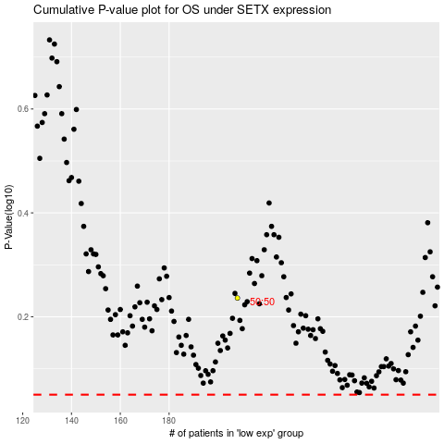

 |  |  |  |  |  | cases_OS | p_OS | rank | exp
 |  |  |  |  |  |  | cases_RFS | p_RFS | rank | exp

