SEZ6L2 _multivariate
Reported by Tex Li-Hsing Chi. tex@gate.sinica.edu.tw 2019-08-16

Table 2. The clinicopathological features of HNSCC cohort and SEZ6L2 expression. (Chi square test)
Cutoff at -0.326 (49.8%)
 |  | SEZ6L2 expression |  | SEZ6L2 expression |  | (Optimised)
 | Features | Low | (%) | High | (%) | Case no | P-value | Remark | Matthews
Gender | Female | 145 | 34.9 | 161 | 38.8 | 415 | 0.1116 | 0 | 0
2 | Male | 62 | 14.9 | 47 | 11.3
Age at diagnosis | <=65y | 133 | 32 | 141 | 34 | 415 | 0.5111 | 0 | 0
4 | >65y | 74 | 17.8 | 67 | 16.1
Clinical T Status | T1+T2 | 79 | 19 | 70 | 16.9 | 415 | 0.3924 | 0 | 0
6 | T3+T4 | 128 | 30.8 | 138 | 33.3
Clinical N Status | N0 | 111 | 26.7 | 105 | 25.3 | 415 | 0.5875 | 0 | 0
8 | N1-3 | 96 | 23.1 | 103 | 24.8
Clinical M Status | M0 | 206 | 49.6 | 206 | 49.6 | 415 | 1 | 0 | 0
10 | M1 | 1 | 0.2 | 2 | 0.5
Clinical Stage | Stage I+II | 59 | 14.2 | 43 | 10.4 | 415 | 0.0822 | 0 | 0
12 | Stage III+IV | 148 | 35.7 | 165 | 39.8
Surgical Margin status | Negative | 164 | 39.5 | 154 | 37.1 | 415 | 0.2462 | 0 | 0
14 | Positive | 43 | 10.4 | 54 | 13
Tobacco Exposure | Low | 92 | 22.2 | 69 | 16.6 | 415 | 0.0206 | 1 | 0
16 | High | 115 | 27.7 | 139 | 33.5

Table 3. Univariate/Multivariate Cox's proportional hazards regression analyses on OS time of SEZ6L2 gene expression in HNSCC

 |  | Univariate |  |  |  | Multivariate
 | Features | HR | CI95%(L) | CI95%(H) | P-value | HR | CI95%(L) | CI95%(H) | P-value
1 | Female | 1 |  |  |  | 1
Gender | Male | 1.157 | 0.843 | 1.587 | 0.367 | 1.21 | 0.866 | 1.689 | 0.264
11 | <=65y | 1 |  |  |  | 1
Age at diagnosis | >65y | 1.329 | 0.99 | 1.784 | 0.058 | 1.403 | 1.031 | 1.91 | 0.031
12 | T1+T2 | 1 |  |  |  | 1
Clinical T Status | T3+T4 | 1.409 | 1.028 | 1.931 | 0.033 | 2.231 | 1.179 | 4.222 | 0.014
13 | N0 | 1 |  |  |  | 1
Clinical N Status | N1-3 | 1.185 | 0.89 | 1.577 | 0.246 | 1.244 | 0.872 | 1.776 | 0.229
14 | M0 | 1 |  |  |  | 1
Clinical M Status | M1 | 4.097 | 1.009 | 16.644 | 0.049 | 9.212 | 2.008 | 42.272 | 0.004
15 | Stage I+II | 1 |  |  |  | 1
Clinical Stage | Stage III+IV | 1.245 | 0.882 | 1.759 | 0.213 | 0.49 | 0.228 | 1.055 | 0.068
16 | Negative | 1 |  |  |  | 1
Surgical Margin status | Positive | 1.591 | 1.155 | 2.191 | 0.004 | 1.666 | 1.205 | 2.302 | 0.002
17 | Low | 1 |  |  |  | 1
Tobacco Exposure | High | 1.364 | 1.008 | 1.844 | 0.044 | 1.448 | 1.051 | 1.996 | 0.024
18 | Low | 1 |  |  |  | 1
RNAseq(z-score) | High | 1.161 | 0.87 | 1.55 | 0.311 | 1.144 | 0.854 | 1.533 | 0.367

Table 4. Univariate/Multivariate Cox's proportional hazards regression analyses on RFS time of SEZ6L2 gene expression in HNSCC

 |  | Univariate |  |  |  | Multivariate
 | Features | HR | CI95%(L) | CI95%(H) | P-value | HR | CI95%(L) | CI95%(H) | P-value
1 | Female | 1 |  |  |  | 1
Gender | Male | 1.157 | 0.843 | 1.587 | 0.367 | 1.21 | 0.866 | 1.689 | 0.264
11 | <=65y | 1 |  |  |  | 1
Age at diagnosis | >65y | 1.329 | 0.99 | 1.784 | 0.058 | 1.403 | 1.031 | 1.91 | 0.031
12 | T1+T2 | 1 |  |  |  | 1
Clinical T Status | T3+T4 | 1.409 | 1.028 | 1.931 | 0.033 | 2.231 | 1.179 | 4.222 | 0.014
13 | N0 | 1 |  |  |  | 1
Clinical N Status | N1-3 | 1.185 | 0.89 | 1.577 | 0.246 | 1.244 | 0.872 | 1.776 | 0.229
14 | M0 | 1 |  |  |  | 1
Clinical M Status | M1 | 4.097 | 1.009 | 16.644 | 0.049 | 9.212 | 2.008 | 42.272 | 0.004
15 | Stage I+II | 1 |  |  |  | 1
Clinical Stage | Stage III+IV | 1.245 | 0.882 | 1.759 | 0.213 | 0.49 | 0.228 | 1.055 | 0.068
16 | Negative | 1 |  |  |  | 1
Surgical Margin status | Positive | 1.591 | 1.155 | 2.191 | 0.004 | 1.666 | 1.205 | 2.302 | 0.002
17 | Low | 1 |  |  |  | 1
Tobacco Exposure | High | 1.364 | 1.008 | 1.844 | 0.044 | 1.448 | 1.051 | 1.996 | 0.024
18 | Low | 1 |  |  |  | 1
RNAseq(z-score) | High | 1.161 | 0.87 | 1.55 | 0.311 | 1.144 | 0.854 | 1.533 | 0.367

Kaplan-Meier survival estimate: Cutoff at -0.326 (49.8%)



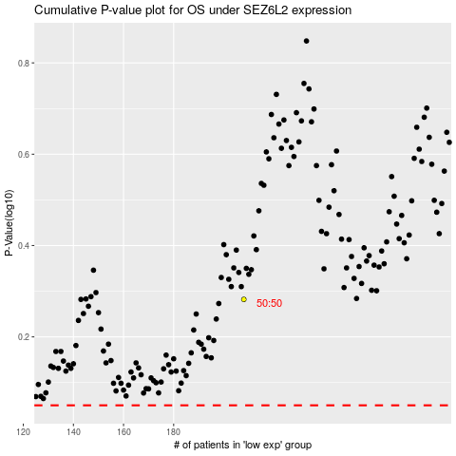

 |  |  |  |  |  | cases_OS | p_OS | rank | exp
 |  |  |  |  |  |  | cases_RFS | p_RFS | rank | exp

