SF1 _multivariate
Reported by Tex Li-Hsing Chi. tex@gate.sinica.edu.tw 2019-08-16

Table 2. The clinicopathological features of HNSCC cohort and SF1 expression. (Chi square test)
Cutoff at 0.047 (52.9%)
 |  | SF1 expression |  | SF1 expression |  | (Optimised)
 | Features | Low | (%) | High | (%) | Case no | P-value | Remark | Matthews
Gender | Female | 158 | 38.1 | 148 | 35.7 | 415 | 0.4061 | 0 | 0
2 | Male | 62 | 14.9 | 47 | 11.3
Age at diagnosis | <=65y | 148 | 35.7 | 126 | 30.4 | 415 | 0.6408 | 0 | 0
4 | >65y | 72 | 17.3 | 69 | 16.6
Clinical T Status | T1+T2 | 81 | 19.5 | 68 | 16.4 | 415 | 0.7566 | 0 | 0
6 | T3+T4 | 139 | 33.5 | 127 | 30.6
Clinical N Status | N0 | 117 | 28.2 | 99 | 23.9 | 415 | 0.6946 | 0 | 0
8 | N1-3 | 103 | 24.8 | 96 | 23.1
Clinical M Status | M0 | 219 | 52.8 | 193 | 46.5 | 415 | 0.6028 | 0 | 0
10 | M1 | 1 | 0.2 | 2 | 0.5
Clinical Stage | Stage I+II | 56 | 13.5 | 46 | 11.1 | 415 | 0.7443 | 0 | 0
12 | Stage III+IV | 164 | 39.5 | 149 | 35.9
Surgical Margin status | Negative | 167 | 40.2 | 151 | 36.4 | 415 | 0.7288 | 0 | 0
14 | Positive | 53 | 12.8 | 44 | 10.6
Tobacco Exposure | Low | 95 | 22.9 | 66 | 15.9 | 415 | 0.0556 | 0 | 0
16 | High | 125 | 30.1 | 129 | 31.1

Table 3. Univariate/Multivariate Cox's proportional hazards regression analyses on OS time of SF1 gene expression in HNSCC

 |  | Univariate |  |  |  | Multivariate
 | Features | HR | CI95%(L) | CI95%(H) | P-value | HR | CI95%(L) | CI95%(H) | P-value
1 | Female | 1 |  |  |  | 1
Gender | Male | 1.157 | 0.843 | 1.587 | 0.367 | 1.236 | 0.884 | 1.729 | 0.215
11 | <=65y | 1 |  |  |  | 1
Age at diagnosis | >65y | 1.329 | 0.99 | 1.784 | 0.058 | 1.376 | 1.011 | 1.872 | 0.042
12 | T1+T2 | 1 |  |  |  | 1
Clinical T Status | T3+T4 | 1.409 | 1.028 | 1.931 | 0.033 | 2.146 | 1.135 | 4.058 | 0.019
13 | N0 | 1 |  |  |  | 1
Clinical N Status | N1-3 | 1.185 | 0.89 | 1.577 | 0.246 | 1.236 | 0.866 | 1.765 | 0.243
14 | M0 | 1 |  |  |  | 1
Clinical M Status | M1 | 4.097 | 1.009 | 16.644 | 0.049 | 9.036 | 1.971 | 41.428 | 0.005
15 | Stage I+II | 1 |  |  |  | 1
Clinical Stage | Stage III+IV | 1.245 | 0.882 | 1.759 | 0.213 | 0.508 | 0.236 | 1.092 | 0.083
16 | Negative | 1 |  |  |  | 1
Surgical Margin status | Positive | 1.591 | 1.155 | 2.191 | 0.004 | 1.672 | 1.211 | 2.31 | 0.002
17 | Low | 1 |  |  |  | 1
Tobacco Exposure | High | 1.364 | 1.008 | 1.844 | 0.044 | 1.439 | 1.043 | 1.985 | 0.027
18 | Low | 1 |  |  |  | 1
RNAseq(z-score) | High | 1.344 | 1.009 | 1.792 | 0.044 | 1.313 | 0.982 | 1.756 | 0.066

Table 4. Univariate/Multivariate Cox's proportional hazards regression analyses on RFS time of SF1 gene expression in HNSCC

 |  | Univariate |  |  |  | Multivariate
 | Features | HR | CI95%(L) | CI95%(H) | P-value | HR | CI95%(L) | CI95%(H) | P-value
1 | Female | 1 |  |  |  | 1
Gender | Male | 1.157 | 0.843 | 1.587 | 0.367 | 1.236 | 0.884 | 1.729 | 0.215
11 | <=65y | 1 |  |  |  | 1
Age at diagnosis | >65y | 1.329 | 0.99 | 1.784 | 0.058 | 1.376 | 1.011 | 1.872 | 0.042
12 | T1+T2 | 1 |  |  |  | 1
Clinical T Status | T3+T4 | 1.409 | 1.028 | 1.931 | 0.033 | 2.146 | 1.135 | 4.058 | 0.019
13 | N0 | 1 |  |  |  | 1
Clinical N Status | N1-3 | 1.185 | 0.89 | 1.577 | 0.246 | 1.236 | 0.866 | 1.765 | 0.243
14 | M0 | 1 |  |  |  | 1
Clinical M Status | M1 | 4.097 | 1.009 | 16.644 | 0.049 | 9.036 | 1.971 | 41.428 | 0.005
15 | Stage I+II | 1 |  |  |  | 1
Clinical Stage | Stage III+IV | 1.245 | 0.882 | 1.759 | 0.213 | 0.508 | 0.236 | 1.092 | 0.083
16 | Negative | 1 |  |  |  | 1
Surgical Margin status | Positive | 1.591 | 1.155 | 2.191 | 0.004 | 1.672 | 1.211 | 2.31 | 0.002
17 | Low | 1 |  |  |  | 1
Tobacco Exposure | High | 1.364 | 1.008 | 1.844 | 0.044 | 1.439 | 1.043 | 1.985 | 0.027
18 | Low | 1 |  |  |  | 1
RNAseq(z-score) | High | 1.344 | 1.009 | 1.792 | 0.044 | 1.313 | 0.982 | 1.756 | 0.066

Kaplan-Meier survival estimate: Cutoff at 0.047 (52.9%)

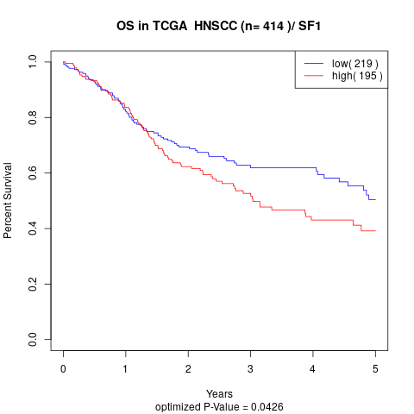

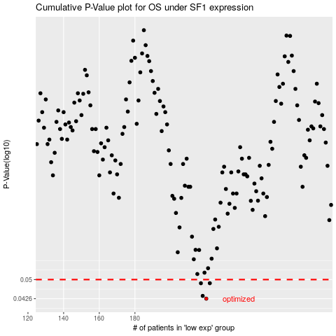

 |  |  |  |  |  | cases_OS | p_OS | rank | exp
 |  |  |  |  |  | 220 | 0.0426 | 385 | 0.046893240715
 |  |  |  |  |  | 218 | 0.0436 | 248 | 0.039025629692
 |  |  |  |  |  | 217 | 0.0485 | 388 | 0.036665336417
 |  |  |  |  |  | 222 | 0.0485 | 410 | 0.052667520721
 |  |  |  |  |  |  | cases_RFS | p_RFS | rank | exp
 |  |  |  |  |  |  | 219 | 0.0426 | 112 | 0.042486070647
 |  |  |  |  |  |  | 217 | 0.0436 | 388 | 0.036665336417
 |  |  |  |  |  |  | 221 | 0.0485 | 104 | 0.049552097084
 |  |  |  |  |  |  | 216 | 0.0485 | 396 | 0.031253120235

