SF3A1 _multivariate
Reported by Tex Li-Hsing Chi. tex@gate.sinica.edu.tw 2019-08-16

Table 2. The clinicopathological features of HNSCC cohort and SF3A1 expression. (Chi square test)
Cutoff at 0.008 (49.8%)
 |  | SF3A1 expression |  | SF3A1 expression |  | (Optimised)
 | Features | Low | (%) | High | (%) | Case no | P-value | Remark | Matthews
Gender | Female | 151 | 36.4 | 155 | 37.3 | 415 | 0.8007 | 0 | 0
2 | Male | 56 | 13.5 | 53 | 12.8
Age at diagnosis | <=65y | 134 | 32.3 | 140 | 33.7 | 415 | 0.6529 | 0 | 0
4 | >65y | 73 | 17.6 | 68 | 16.4
Clinical T Status | T1+T2 | 70 | 16.9 | 79 | 19 | 415 | 0.4343 | 0 | 0
6 | T3+T4 | 137 | 33 | 129 | 31.1
Clinical N Status | N0 | 118 | 28.4 | 98 | 23.6 | 415 | 0.0551 | 1 | 0
8 | N1-3 | 89 | 21.4 | 110 | 26.5
Clinical M Status | M0 | 206 | 49.6 | 206 | 49.6 | 415 | 1 | 0 | 0
10 | M1 | 1 | 0.2 | 2 | 0.5
Clinical Stage | Stage I+II | 54 | 13 | 48 | 11.6 | 415 | 0.5498 | 0 | 0
12 | Stage III+IV | 153 | 36.9 | 160 | 38.6
Surgical Margin status | Negative | 153 | 36.9 | 165 | 39.8 | 415 | 0.2036 | 0 | 0
14 | Positive | 54 | 13 | 43 | 10.4
Tobacco Exposure | Low | 81 | 19.5 | 80 | 19.3 | 415 | 0.9199 | 0 | 0
16 | High | 126 | 30.4 | 128 | 30.8

Table 3. Univariate/Multivariate Cox's proportional hazards regression analyses on OS time of SF3A1 gene expression in HNSCC

 |  | Univariate |  |  |  | Multivariate
 | Features | HR | CI95%(L) | CI95%(H) | P-value | HR | CI95%(L) | CI95%(H) | P-value
1 | Female | 1 |  |  |  | 1
Gender | Male | 1.157 | 0.843 | 1.587 | 0.367 | 1.218 | 0.872 | 1.7 | 0.247
11 | <=65y | 1 |  |  |  | 1
Age at diagnosis | >65y | 1.329 | 0.99 | 1.784 | 0.058 | 1.406 | 1.033 | 1.913 | 0.03
12 | T1+T2 | 1 |  |  |  | 1
Clinical T Status | T3+T4 | 1.409 | 1.028 | 1.931 | 0.033 | 2.275 | 1.202 | 4.307 | 0.012
13 | N0 | 1 |  |  |  | 1
Clinical N Status | N1-3 | 1.185 | 0.89 | 1.577 | 0.246 | 1.238 | 0.867 | 1.766 | 0.24
14 | M0 | 1 |  |  |  | 1
Clinical M Status | M1 | 4.097 | 1.009 | 16.644 | 0.049 | 9.579 | 2.089 | 43.916 | 0.004
15 | Stage I+II | 1 |  |  |  | 1
Clinical Stage | Stage III+IV | 1.245 | 0.882 | 1.759 | 0.213 | 0.479 | 0.222 | 1.032 | 0.06
16 | Negative | 1 |  |  |  | 1
Surgical Margin status | Positive | 1.591 | 1.155 | 2.191 | 0.004 | 1.701 | 1.23 | 2.353 | 0.001
17 | Low | 1 |  |  |  | 1
Tobacco Exposure | High | 1.364 | 1.008 | 1.844 | 0.044 | 1.471 | 1.067 | 2.026 | 0.018
18 | Low | 1 |  |  |  | 1
RNAseq(z-score) | High | 1.122 | 0.84 | 1.498 | 0.437 | 1.225 | 0.912 | 1.646 | 0.177

Table 4. Univariate/Multivariate Cox's proportional hazards regression analyses on RFS time of SF3A1 gene expression in HNSCC

 |  | Univariate |  |  |  | Multivariate
 | Features | HR | CI95%(L) | CI95%(H) | P-value | HR | CI95%(L) | CI95%(H) | P-value
1 | Female | 1 |  |  |  | 1
Gender | Male | 1.157 | 0.843 | 1.587 | 0.367 | 1.218 | 0.872 | 1.7 | 0.247
11 | <=65y | 1 |  |  |  | 1
Age at diagnosis | >65y | 1.329 | 0.99 | 1.784 | 0.058 | 1.406 | 1.033 | 1.913 | 0.03
12 | T1+T2 | 1 |  |  |  | 1
Clinical T Status | T3+T4 | 1.409 | 1.028 | 1.931 | 0.033 | 2.275 | 1.202 | 4.307 | 0.012
13 | N0 | 1 |  |  |  | 1
Clinical N Status | N1-3 | 1.185 | 0.89 | 1.577 | 0.246 | 1.238 | 0.867 | 1.766 | 0.24
14 | M0 | 1 |  |  |  | 1
Clinical M Status | M1 | 4.097 | 1.009 | 16.644 | 0.049 | 9.579 | 2.089 | 43.916 | 0.004
15 | Stage I+II | 1 |  |  |  | 1
Clinical Stage | Stage III+IV | 1.245 | 0.882 | 1.759 | 0.213 | 0.479 | 0.222 | 1.032 | 0.06
16 | Negative | 1 |  |  |  | 1
Surgical Margin status | Positive | 1.591 | 1.155 | 2.191 | 0.004 | 1.701 | 1.23 | 2.353 | 0.001
17 | Low | 1 |  |  |  | 1
Tobacco Exposure | High | 1.364 | 1.008 | 1.844 | 0.044 | 1.471 | 1.067 | 2.026 | 0.018
18 | Low | 1 |  |  |  | 1
RNAseq(z-score) | High | 1.122 | 0.84 | 1.498 | 0.437 | 1.225 | 0.912 | 1.646 | 0.177

Kaplan-Meier survival estimate: Cutoff at 0.008 (49.8%)



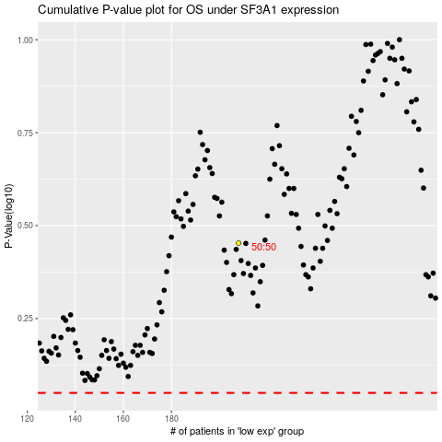

 |  |  |  |  |  | cases_OS | p_OS | rank | exp
 |  |  |  |  |  |  | cases_RFS | p_RFS | rank | exp

