SF3A2 _multivariate
Reported by Tex Li-Hsing Chi. tex@gate.sinica.edu.tw 2019-08-16

Table 2. The clinicopathological features of HNSCC cohort and SF3A2 expression. (Chi square test)
Cutoff at -0.125 (49.8%)
 |  | SF3A2 expression |  | SF3A2 expression |  | (Optimised)
 | Features | Low | (%) | High | (%) | Case no | P-value | Remark | Matthews
Gender | Female | 152 | 36.6 | 154 | 37.1 | 415 | 0.9766 | 0 | 0
2 | Male | 55 | 13.3 | 54 | 13
Age at diagnosis | <=65y | 144 | 34.7 | 130 | 31.3 | 415 | 0.1568 | 0 | 0
4 | >65y | 63 | 15.2 | 78 | 18.8
Clinical T Status | T1+T2 | 68 | 16.4 | 81 | 19.5 | 415 | 0.2336 | 0 | 0
6 | T3+T4 | 139 | 33.5 | 127 | 30.6
Clinical N Status | N0 | 105 | 25.3 | 111 | 26.7 | 415 | 0.6598 | 0 | 0
8 | N1-3 | 102 | 24.6 | 97 | 23.4
Clinical M Status | M0 | 206 | 49.6 | 206 | 49.6 | 415 | 1 | 0 | 0
10 | M1 | 1 | 0.2 | 2 | 0.5
Clinical Stage | Stage I+II | 47 | 11.3 | 55 | 13.3 | 415 | 0.4413 | 0 | 0
12 | Stage III+IV | 160 | 38.6 | 153 | 36.9
Surgical Margin status | Negative | 162 | 39 | 156 | 37.6 | 415 | 0.4867 | 0 | 0
14 | Positive | 45 | 10.8 | 52 | 12.5
Tobacco Exposure | Low | 74 | 17.8 | 87 | 21 | 415 | 0.227 | 0 | 0
16 | High | 133 | 32 | 121 | 29.2

Table 3. Univariate/Multivariate Cox's proportional hazards regression analyses on OS time of SF3A2 gene expression in HNSCC

 |  | Univariate |  |  |  | Multivariate
 | Features | HR | CI95%(L) | CI95%(H) | P-value | HR | CI95%(L) | CI95%(H) | P-value
1 | Female | 1 |  |  |  | 1
Gender | Male | 1.157 | 0.843 | 1.587 | 0.367 | 1.205 | 0.862 | 1.684 | 0.274
11 | <=65y | 1 |  |  |  | 1
Age at diagnosis | >65y | 1.329 | 0.99 | 1.784 | 0.058 | 1.387 | 1.02 | 1.885 | 0.037
12 | T1+T2 | 1 |  |  |  | 1
Clinical T Status | T3+T4 | 1.409 | 1.028 | 1.931 | 0.033 | 2.209 | 1.168 | 4.177 | 0.015
13 | N0 | 1 |  |  |  | 1
Clinical N Status | N1-3 | 1.185 | 0.89 | 1.577 | 0.246 | 1.228 | 0.859 | 1.756 | 0.261
14 | M0 | 1 |  |  |  | 1
Clinical M Status | M1 | 4.097 | 1.009 | 16.644 | 0.049 | 9.39 | 2.048 | 43.047 | 0.004
15 | Stage I+II | 1 |  |  |  | 1
Clinical Stage | Stage III+IV | 1.245 | 0.882 | 1.759 | 0.213 | 0.507 | 0.236 | 1.087 | 0.081
16 | Negative | 1 |  |  |  | 1
Surgical Margin status | Positive | 1.591 | 1.155 | 2.191 | 0.004 | 1.664 | 1.204 | 2.301 | 0.002
17 | Low | 1 |  |  |  | 1
Tobacco Exposure | High | 1.364 | 1.008 | 1.844 | 0.044 | 1.464 | 1.06 | 2.02 | 0.02
18 | Low | 1 |  |  |  | 1
RNAseq(z-score) | High | 1.076 | 0.808 | 1.432 | 0.618 | 1.076 | 0.804 | 1.439 | 0.623

Table 4. Univariate/Multivariate Cox's proportional hazards regression analyses on RFS time of SF3A2 gene expression in HNSCC

 |  | Univariate |  |  |  | Multivariate
 | Features | HR | CI95%(L) | CI95%(H) | P-value | HR | CI95%(L) | CI95%(H) | P-value
1 | Female | 1 |  |  |  | 1
Gender | Male | 1.157 | 0.843 | 1.587 | 0.367 | 1.205 | 0.862 | 1.684 | 0.274
11 | <=65y | 1 |  |  |  | 1
Age at diagnosis | >65y | 1.329 | 0.99 | 1.784 | 0.058 | 1.387 | 1.02 | 1.885 | 0.037
12 | T1+T2 | 1 |  |  |  | 1
Clinical T Status | T3+T4 | 1.409 | 1.028 | 1.931 | 0.033 | 2.209 | 1.168 | 4.177 | 0.015
13 | N0 | 1 |  |  |  | 1
Clinical N Status | N1-3 | 1.185 | 0.89 | 1.577 | 0.246 | 1.228 | 0.859 | 1.756 | 0.261
14 | M0 | 1 |  |  |  | 1
Clinical M Status | M1 | 4.097 | 1.009 | 16.644 | 0.049 | 9.39 | 2.048 | 43.047 | 0.004
15 | Stage I+II | 1 |  |  |  | 1
Clinical Stage | Stage III+IV | 1.245 | 0.882 | 1.759 | 0.213 | 0.507 | 0.236 | 1.087 | 0.081
16 | Negative | 1 |  |  |  | 1
Surgical Margin status | Positive | 1.591 | 1.155 | 2.191 | 0.004 | 1.664 | 1.204 | 2.301 | 0.002
17 | Low | 1 |  |  |  | 1
Tobacco Exposure | High | 1.364 | 1.008 | 1.844 | 0.044 | 1.464 | 1.06 | 2.02 | 0.02
18 | Low | 1 |  |  |  | 1
RNAseq(z-score) | High | 1.076 | 0.808 | 1.432 | 0.618 | 1.076 | 0.804 | 1.439 | 0.623

Kaplan-Meier survival estimate: Cutoff at -0.125 (49.8%)



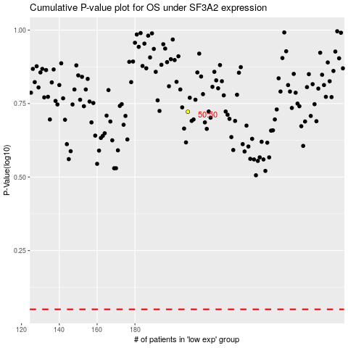

 |  |  |  |  |  | cases_OS | p_OS | rank | exp
 |  |  |  |  |  |  | cases_RFS | p_RFS | rank | exp

