SF3A3 _multivariate
Reported by Tex Li-Hsing Chi. tex@gate.sinica.edu.tw 2019-08-16

Table 2. The clinicopathological features of HNSCC cohort and SF3A3 expression. (Chi square test)
Cutoff at -0.161 (49.8%)
 |  | SF3A3 expression |  | SF3A3 expression |  | (Optimised)
 | Features | Low | (%) | High | (%) | Case no | P-value | Remark | Matthews
Gender | Female | 146 | 35.2 | 160 | 38.6 | 415 | 0.1714 | 0 | 0
2 | Male | 61 | 14.7 | 48 | 11.6
Age at diagnosis | <=65y | 125 | 30.1 | 149 | 35.9 | 415 | 0.0206 | 1 | 0
4 | >65y | 82 | 19.8 | 59 | 14.2
Clinical T Status | T1+T2 | 66 | 15.9 | 83 | 20 | 415 | 0.1095 | 0 | 0
6 | T3+T4 | 141 | 34 | 125 | 30.1
Clinical N Status | N0 | 125 | 30.1 | 91 | 21.9 | 415 | 0.001 | 1 | 0
8 | N1-3 | 82 | 19.8 | 117 | 28.2
Clinical M Status | M0 | 207 | 49.9 | 205 | 49.4 | 415 | 0.2482 | 0 | 0
10 | M1 | 0 | 0 | 3 | 0.7
Clinical Stage | Stage I+II | 54 | 13 | 48 | 11.6 | 415 | 0.5498 | 0 | 0
12 | Stage III+IV | 153 | 36.9 | 160 | 38.6
Surgical Margin status | Negative | 161 | 38.8 | 157 | 37.8 | 415 | 0.6429 | 0 | 0
14 | Positive | 46 | 11.1 | 51 | 12.3
Tobacco Exposure | Low | 81 | 19.5 | 80 | 19.3 | 415 | 0.9199 | 0 | 0
16 | High | 126 | 30.4 | 128 | 30.8

Table 3. Univariate/Multivariate Cox's proportional hazards regression analyses on OS time of SF3A3 gene expression in HNSCC

 |  | Univariate |  |  |  | Multivariate
 | Features | HR | CI95%(L) | CI95%(H) | P-value | HR | CI95%(L) | CI95%(H) | P-value
1 | Female | 1 |  |  |  | 1
Gender | Male | 1.157 | 0.843 | 1.587 | 0.367 | 1.205 | 0.863 | 1.684 | 0.274
11 | <=65y | 1 |  |  |  | 1
Age at diagnosis | >65y | 1.329 | 0.99 | 1.784 | 0.058 | 1.389 | 1.021 | 1.888 | 0.036
12 | T1+T2 | 1 |  |  |  | 1
Clinical T Status | T3+T4 | 1.409 | 1.028 | 1.931 | 0.033 | 2.18 | 1.15 | 4.13 | 0.017
13 | N0 | 1 |  |  |  | 1
Clinical N Status | N1-3 | 1.185 | 0.89 | 1.577 | 0.246 | 1.254 | 0.875 | 1.795 | 0.217
14 | M0 | 1 |  |  |  | 1
Clinical M Status | M1 | 4.097 | 1.009 | 16.644 | 0.049 | 9.582 | 2.084 | 44.05 | 0.004
15 | Stage I+II | 1 |  |  |  | 1
Clinical Stage | Stage III+IV | 1.245 | 0.882 | 1.759 | 0.213 | 0.506 | 0.236 | 1.087 | 0.081
16 | Negative | 1 |  |  |  | 1
Surgical Margin status | Positive | 1.591 | 1.155 | 2.191 | 0.004 | 1.678 | 1.213 | 2.32 | 0.002
17 | Low | 1 |  |  |  | 1
Tobacco Exposure | High | 1.364 | 1.008 | 1.844 | 0.044 | 1.454 | 1.055 | 2.004 | 0.022
18 | Low | 1 |  |  |  | 1
RNAseq(z-score) | High | 0.955 | 0.717 | 1.272 | 0.753 | 0.943 | 0.702 | 1.266 | 0.694

Table 4. Univariate/Multivariate Cox's proportional hazards regression analyses on RFS time of SF3A3 gene expression in HNSCC

 |  | Univariate |  |  |  | Multivariate
 | Features | HR | CI95%(L) | CI95%(H) | P-value | HR | CI95%(L) | CI95%(H) | P-value
1 | Female | 1 |  |  |  | 1
Gender | Male | 1.157 | 0.843 | 1.587 | 0.367 | 1.205 | 0.863 | 1.684 | 0.274
11 | <=65y | 1 |  |  |  | 1
Age at diagnosis | >65y | 1.329 | 0.99 | 1.784 | 0.058 | 1.389 | 1.021 | 1.888 | 0.036
12 | T1+T2 | 1 |  |  |  | 1
Clinical T Status | T3+T4 | 1.409 | 1.028 | 1.931 | 0.033 | 2.18 | 1.15 | 4.13 | 0.017
13 | N0 | 1 |  |  |  | 1
Clinical N Status | N1-3 | 1.185 | 0.89 | 1.577 | 0.246 | 1.254 | 0.875 | 1.795 | 0.217
14 | M0 | 1 |  |  |  | 1
Clinical M Status | M1 | 4.097 | 1.009 | 16.644 | 0.049 | 9.582 | 2.084 | 44.05 | 0.004
15 | Stage I+II | 1 |  |  |  | 1
Clinical Stage | Stage III+IV | 1.245 | 0.882 | 1.759 | 0.213 | 0.506 | 0.236 | 1.087 | 0.081
16 | Negative | 1 |  |  |  | 1
Surgical Margin status | Positive | 1.591 | 1.155 | 2.191 | 0.004 | 1.678 | 1.213 | 2.32 | 0.002
17 | Low | 1 |  |  |  | 1
Tobacco Exposure | High | 1.364 | 1.008 | 1.844 | 0.044 | 1.454 | 1.055 | 2.004 | 0.022
18 | Low | 1 |  |  |  | 1
RNAseq(z-score) | High | 0.955 | 0.717 | 1.272 | 0.753 | 0.943 | 0.702 | 1.266 | 0.694

Kaplan-Meier survival estimate: Cutoff at -0.161 (49.8%)



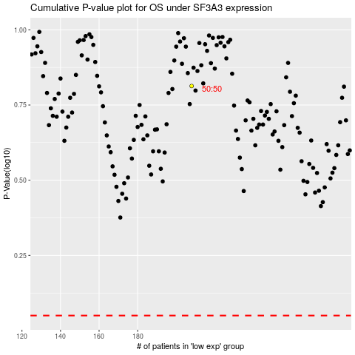

 |  |  |  |  |  | cases_OS | p_OS | rank | exp
 |  |  |  |  |  |  | cases_RFS | p_RFS | rank | exp

