SF3B4 _multivariate
Reported by Tex Li-Hsing Chi. tex@gate.sinica.edu.tw 2019-08-16

Table 2. The clinicopathological features of HNSCC cohort and SF3B4 expression. (Chi square test)
Cutoff at -0.144 (49.8%)
 |  | SF3B4 expression |  | SF3B4 expression |  | (Optimised)
 | Features | Low | (%) | High | (%) | Case no | P-value | Remark | Matthews
Gender | Female | 148 | 35.7 | 158 | 38.1 | 415 | 0.3567 | 0 | 0
2 | Male | 59 | 14.2 | 50 | 12
Age at diagnosis | <=65y | 140 | 33.7 | 134 | 32.3 | 415 | 0.5574 | 0 | 0
4 | >65y | 67 | 16.1 | 74 | 17.8
Clinical T Status | T1+T2 | 71 | 17.1 | 78 | 18.8 | 415 | 0.5638 | 0 | 0
6 | T3+T4 | 136 | 32.8 | 130 | 31.3
Clinical N Status | N0 | 110 | 26.5 | 106 | 25.5 | 415 | 0.7294 | 0 | 0
8 | N1-3 | 97 | 23.4 | 102 | 24.6
Clinical M Status | M0 | 206 | 49.6 | 206 | 49.6 | 415 | 1 | 0 | 0
10 | M1 | 1 | 0.2 | 2 | 0.5
Clinical Stage | Stage I+II | 53 | 12.8 | 49 | 11.8 | 415 | 0.7113 | 0 | 0
12 | Stage III+IV | 154 | 37.1 | 159 | 38.3
Surgical Margin status | Negative | 161 | 38.8 | 157 | 37.8 | 415 | 0.6429 | 0 | 0
14 | Positive | 46 | 11.1 | 51 | 12.3
Tobacco Exposure | Low | 83 | 20 | 78 | 18.8 | 415 | 0.6152 | 0 | 0
16 | High | 124 | 29.9 | 130 | 31.3

Table 3. Univariate/Multivariate Cox's proportional hazards regression analyses on OS time of SF3B4 gene expression in HNSCC

 |  | Univariate |  |  |  | Multivariate
 | Features | HR | CI95%(L) | CI95%(H) | P-value | HR | CI95%(L) | CI95%(H) | P-value
1 | Female | 1 |  |  |  | 1
Gender | Male | 1.157 | 0.843 | 1.587 | 0.367 | 1.201 | 0.86 | 1.678 | 0.283
11 | <=65y | 1 |  |  |  | 1
Age at diagnosis | >65y | 1.329 | 0.99 | 1.784 | 0.058 | 1.392 | 1.024 | 1.892 | 0.035
12 | T1+T2 | 1 |  |  |  | 1
Clinical T Status | T3+T4 | 1.409 | 1.028 | 1.931 | 0.033 | 2.218 | 1.171 | 4.2 | 0.014
13 | N0 | 1 |  |  |  | 1
Clinical N Status | N1-3 | 1.185 | 0.89 | 1.577 | 0.246 | 1.245 | 0.872 | 1.778 | 0.228
14 | M0 | 1 |  |  |  | 1
Clinical M Status | M1 | 4.097 | 1.009 | 16.644 | 0.049 | 9.316 | 2.03 | 42.752 | 0.004
15 | Stage I+II | 1 |  |  |  | 1
Clinical Stage | Stage III+IV | 1.245 | 0.882 | 1.759 | 0.213 | 0.499 | 0.232 | 1.074 | 0.075
16 | Negative | 1 |  |  |  | 1
Surgical Margin status | Positive | 1.591 | 1.155 | 2.191 | 0.004 | 1.664 | 1.203 | 2.302 | 0.002
17 | Low | 1 |  |  |  | 1
Tobacco Exposure | High | 1.364 | 1.008 | 1.844 | 0.044 | 1.444 | 1.046 | 1.994 | 0.025
18 | Low | 1 |  |  |  | 1
RNAseq(z-score) | High | 1.123 | 0.842 | 1.498 | 0.43 | 1.052 | 0.785 | 1.41 | 0.733

Table 4. Univariate/Multivariate Cox's proportional hazards regression analyses on RFS time of SF3B4 gene expression in HNSCC

 |  | Univariate |  |  |  | Multivariate
 | Features | HR | CI95%(L) | CI95%(H) | P-value | HR | CI95%(L) | CI95%(H) | P-value
1 | Female | 1 |  |  |  | 1
Gender | Male | 1.157 | 0.843 | 1.587 | 0.367 | 1.201 | 0.86 | 1.678 | 0.283
11 | <=65y | 1 |  |  |  | 1
Age at diagnosis | >65y | 1.329 | 0.99 | 1.784 | 0.058 | 1.392 | 1.024 | 1.892 | 0.035
12 | T1+T2 | 1 |  |  |  | 1
Clinical T Status | T3+T4 | 1.409 | 1.028 | 1.931 | 0.033 | 2.218 | 1.171 | 4.2 | 0.014
13 | N0 | 1 |  |  |  | 1
Clinical N Status | N1-3 | 1.185 | 0.89 | 1.577 | 0.246 | 1.245 | 0.872 | 1.778 | 0.228
14 | M0 | 1 |  |  |  | 1
Clinical M Status | M1 | 4.097 | 1.009 | 16.644 | 0.049 | 9.316 | 2.03 | 42.752 | 0.004
15 | Stage I+II | 1 |  |  |  | 1
Clinical Stage | Stage III+IV | 1.245 | 0.882 | 1.759 | 0.213 | 0.499 | 0.232 | 1.074 | 0.075
16 | Negative | 1 |  |  |  | 1
Surgical Margin status | Positive | 1.591 | 1.155 | 2.191 | 0.004 | 1.664 | 1.203 | 2.302 | 0.002
17 | Low | 1 |  |  |  | 1
Tobacco Exposure | High | 1.364 | 1.008 | 1.844 | 0.044 | 1.444 | 1.046 | 1.994 | 0.025
18 | Low | 1 |  |  |  | 1
RNAseq(z-score) | High | 1.123 | 0.842 | 1.498 | 0.43 | 1.052 | 0.785 | 1.41 | 0.733

Kaplan-Meier survival estimate: Cutoff at -0.144 (49.8%)



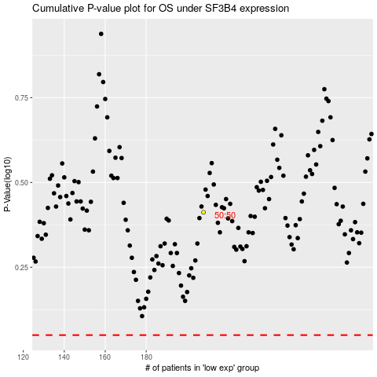

 |  |  |  |  |  | cases_OS | p_OS | rank | exp
 |  |  |  |  |  |  | cases_RFS | p_RFS | rank | exp

