SF3B5 _multivariate
Reported by Tex Li-Hsing Chi. tex@gate.sinica.edu.tw 2019-08-16

Table 2. The clinicopathological features of HNSCC cohort and SF3B5 expression. (Chi square test)
Cutoff at -0.143 (58.9%)
 |  | SF3B5 expression |  | SF3B5 expression |  | (Optimised)
 | Features | Low | (%) | High | (%) | Case no | P-value | Remark | Matthews
Gender | Female | 175 | 42.2 | 131 | 31.6 | 415 | 0.2427 | 0 | 0
2 | Male | 70 | 16.9 | 39 | 9.4
Age at diagnosis | <=65y | 166 | 40 | 108 | 26 | 415 | 0.4304 | 0 | 0
4 | >65y | 79 | 19 | 62 | 14.9
Clinical T Status | T1+T2 | 88 | 21.2 | 61 | 14.7 | 415 | 1 | 0 | 0
6 | T3+T4 | 157 | 37.8 | 109 | 26.3
Clinical N Status | N0 | 126 | 30.4 | 90 | 21.7 | 415 | 0.8388 | 0 | 0
8 | N1-3 | 119 | 28.7 | 80 | 19.3
Clinical M Status | M0 | 244 | 58.8 | 168 | 40.5 | 415 | 0.5703 | 0 | 0
10 | M1 | 1 | 0.2 | 2 | 0.5
Clinical Stage | Stage I+II | 61 | 14.7 | 41 | 9.9 | 415 | 0.9477 | 0 | 0
12 | Stage III+IV | 184 | 44.3 | 129 | 31.1
Surgical Margin status | Negative | 194 | 46.7 | 124 | 29.9 | 415 | 0.1573 | 0 | 0
14 | Positive | 51 | 12.3 | 46 | 11.1
Tobacco Exposure | Low | 93 | 22.4 | 68 | 16.4 | 415 | 0.6833 | 0 | 0
16 | High | 152 | 36.6 | 102 | 24.6

Table 3. Univariate/Multivariate Cox's proportional hazards regression analyses on OS time of SF3B5 gene expression in HNSCC

 |  | Univariate |  |  |  | Multivariate
 | Features | HR | CI95%(L) | CI95%(H) | P-value | HR | CI95%(L) | CI95%(H) | P-value
1 | Female | 1 |  |  |  | 1
Gender | Male | 1.157 | 0.843 | 1.587 | 0.367 | 1.204 | 0.861 | 1.684 | 0.278
11 | <=65y | 1 |  |  |  | 1
Age at diagnosis | >65y | 1.329 | 0.99 | 1.784 | 0.058 | 1.369 | 1.007 | 1.862 | 0.045
12 | T1+T2 | 1 |  |  |  | 1
Clinical T Status | T3+T4 | 1.409 | 1.028 | 1.931 | 0.033 | 2.246 | 1.187 | 4.248 | 0.013
13 | N0 | 1 |  |  |  | 1
Clinical N Status | N1-3 | 1.185 | 0.89 | 1.577 | 0.246 | 1.238 | 0.867 | 1.766 | 0.24
14 | M0 | 1 |  |  |  | 1
Clinical M Status | M1 | 4.097 | 1.009 | 16.644 | 0.049 | 8.663 | 1.882 | 39.87 | 0.006
15 | Stage I+II | 1 |  |  |  | 1
Clinical Stage | Stage III+IV | 1.245 | 0.882 | 1.759 | 0.213 | 0.497 | 0.232 | 1.068 | 0.073
16 | Negative | 1 |  |  |  | 1
Surgical Margin status | Positive | 1.591 | 1.155 | 2.191 | 0.004 | 1.649 | 1.193 | 2.28 | 0.002
17 | Low | 1 |  |  |  | 1
Tobacco Exposure | High | 1.364 | 1.008 | 1.844 | 0.044 | 1.428 | 1.036 | 1.969 | 0.03
18 | Low | 1 |  |  |  | 1
RNAseq(z-score) | High | 1.353 | 1.013 | 1.806 | 0.04 | 1.272 | 0.949 | 1.704 | 0.107

Table 4. Univariate/Multivariate Cox's proportional hazards regression analyses on RFS time of SF3B5 gene expression in HNSCC

 |  | Univariate |  |  |  | Multivariate
 | Features | HR | CI95%(L) | CI95%(H) | P-value | HR | CI95%(L) | CI95%(H) | P-value
1 | Female | 1 |  |  |  | 1
Gender | Male | 1.157 | 0.843 | 1.587 | 0.367 | 1.204 | 0.861 | 1.684 | 0.278
11 | <=65y | 1 |  |  |  | 1
Age at diagnosis | >65y | 1.329 | 0.99 | 1.784 | 0.058 | 1.369 | 1.007 | 1.862 | 0.045
12 | T1+T2 | 1 |  |  |  | 1
Clinical T Status | T3+T4 | 1.409 | 1.028 | 1.931 | 0.033 | 2.246 | 1.187 | 4.248 | 0.013
13 | N0 | 1 |  |  |  | 1
Clinical N Status | N1-3 | 1.185 | 0.89 | 1.577 | 0.246 | 1.238 | 0.867 | 1.766 | 0.24
14 | M0 | 1 |  |  |  | 1
Clinical M Status | M1 | 4.097 | 1.009 | 16.644 | 0.049 | 8.663 | 1.882 | 39.87 | 0.006
15 | Stage I+II | 1 |  |  |  | 1
Clinical Stage | Stage III+IV | 1.245 | 0.882 | 1.759 | 0.213 | 0.497 | 0.232 | 1.068 | 0.073
16 | Negative | 1 |  |  |  | 1
Surgical Margin status | Positive | 1.591 | 1.155 | 2.191 | 0.004 | 1.649 | 1.193 | 2.28 | 0.002
17 | Low | 1 |  |  |  | 1
Tobacco Exposure | High | 1.364 | 1.008 | 1.844 | 0.044 | 1.428 | 1.036 | 1.969 | 0.03
18 | Low | 1 |  |  |  | 1
RNAseq(z-score) | High | 1.353 | 1.013 | 1.806 | 0.04 | 1.272 | 0.949 | 1.704 | 0.107

Kaplan-Meier survival estimate: Cutoff at -0.143 (58.9%)



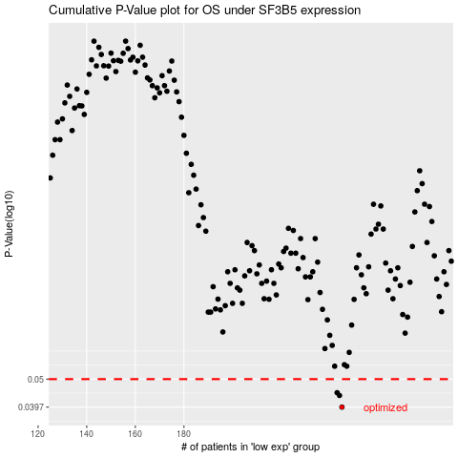

 |  |  |  |  |  | cases_OS | p_OS | rank | exp
 |  |  |  |  |  | 245 | 0.0397 | 241 | -0.1430625279
 |  |  |  |  |  | 244 | 0.0437 | 22 | -0.14491559096
 |  |  |  |  |  | 243 | 0.0447 | 172 | -0.1464795859
 |  |  |  |  |  |  | cases_RFS | p_RFS | rank | exp
 |  |  |  |  |  |  | 244 | 0.0397 | 22 | -0.14491559096
 |  |  |  |  |  |  | 243 | 0.0437 | 172 | -0.1464795859
 |  |  |  |  |  |  | 242 | 0.0447 | 126 | -0.14859230339

