SFMBT1 _multivariate
Reported by Tex Li-Hsing Chi. tex@gate.sinica.edu.tw 2019-08-16

Table 2. The clinicopathological features of HNSCC cohort and SFMBT1 expression. (Chi square test)
Cutoff at -0.333 (49.8%)
 |  | SFMBT1 expression |  | SFMBT1 expression |  | (Optimised)
 | Features | Low | (%) | High | (%) | Case no | P-value | Remark | Matthews
Gender | Female | 149 | 35.9 | 157 | 37.8 | 415 | 0.4848 | 0 | 0
2 | Male | 58 | 14 | 51 | 12.3
Age at diagnosis | <=65y | 134 | 32.3 | 140 | 33.7 | 415 | 0.6529 | 0 | 0
4 | >65y | 73 | 17.6 | 68 | 16.4
Clinical T Status | T1+T2 | 78 | 18.8 | 71 | 17.1 | 415 | 0.5152 | 0 | 0
6 | T3+T4 | 129 | 31.1 | 137 | 33
Clinical N Status | N0 | 105 | 25.3 | 111 | 26.7 | 415 | 0.6598 | 0 | 0
8 | N1-3 | 102 | 24.6 | 97 | 23.4
Clinical M Status | M0 | 204 | 49.2 | 208 | 50.1 | 415 | 0.1232 | 0 | 0
10 | M1 | 3 | 0.7 | 0 | 0
Clinical Stage | Stage I+II | 57 | 13.7 | 45 | 10.8 | 415 | 0.1998 | 0 | 0
12 | Stage III+IV | 150 | 36.1 | 163 | 39.3
Surgical Margin status | Negative | 160 | 38.6 | 158 | 38.1 | 415 | 0.8167 | 0 | 0
14 | Positive | 47 | 11.3 | 50 | 12
Tobacco Exposure | Low | 79 | 19 | 82 | 19.8 | 415 | 0.8405 | 0 | 0
16 | High | 128 | 30.8 | 126 | 30.4

Table 3. Univariate/Multivariate Cox's proportional hazards regression analyses on OS time of SFMBT1 gene expression in HNSCC

 |  | Univariate |  |  |  | Multivariate
 | Features | HR | CI95%(L) | CI95%(H) | P-value | HR | CI95%(L) | CI95%(H) | P-value
1 | Female | 1 |  |  |  | 1
Gender | Male | 1.157 | 0.843 | 1.587 | 0.367 | 1.2 | 0.86 | 1.675 | 0.283
11 | <=65y | 1 |  |  |  | 1
Age at diagnosis | >65y | 1.329 | 0.99 | 1.784 | 0.058 | 1.41 | 1.036 | 1.918 | 0.029
12 | T1+T2 | 1 |  |  |  | 1
Clinical T Status | T3+T4 | 1.409 | 1.028 | 1.931 | 0.033 | 2.293 | 1.209 | 4.349 | 0.011
13 | N0 | 1 |  |  |  | 1
Clinical N Status | N1-3 | 1.185 | 0.89 | 1.577 | 0.246 | 1.282 | 0.895 | 1.835 | 0.176
14 | M0 | 1 |  |  |  | 1
Clinical M Status | M1 | 4.097 | 1.009 | 16.644 | 0.049 | 10.74 | 2.311 | 49.905 | 0.002
15 | Stage I+II | 1 |  |  |  | 1
Clinical Stage | Stage III+IV | 1.245 | 0.882 | 1.759 | 0.213 | 0.474 | 0.22 | 1.024 | 0.058
16 | Negative | 1 |  |  |  | 1
Surgical Margin status | Positive | 1.591 | 1.155 | 2.191 | 0.004 | 1.679 | 1.215 | 2.319 | 0.002
17 | Low | 1 |  |  |  | 1
Tobacco Exposure | High | 1.364 | 1.008 | 1.844 | 0.044 | 1.459 | 1.06 | 2.007 | 0.02
18 | Low | 1 |  |  |  | 1
RNAseq(z-score) | High | 1.108 | 0.832 | 1.477 | 0.483 | 1.219 | 0.909 | 1.633 | 0.186

Table 4. Univariate/Multivariate Cox's proportional hazards regression analyses on RFS time of SFMBT1 gene expression in HNSCC

 |  | Univariate |  |  |  | Multivariate
 | Features | HR | CI95%(L) | CI95%(H) | P-value | HR | CI95%(L) | CI95%(H) | P-value
1 | Female | 1 |  |  |  | 1
Gender | Male | 1.157 | 0.843 | 1.587 | 0.367 | 1.2 | 0.86 | 1.675 | 0.283
11 | <=65y | 1 |  |  |  | 1
Age at diagnosis | >65y | 1.329 | 0.99 | 1.784 | 0.058 | 1.41 | 1.036 | 1.918 | 0.029
12 | T1+T2 | 1 |  |  |  | 1
Clinical T Status | T3+T4 | 1.409 | 1.028 | 1.931 | 0.033 | 2.293 | 1.209 | 4.349 | 0.011
13 | N0 | 1 |  |  |  | 1
Clinical N Status | N1-3 | 1.185 | 0.89 | 1.577 | 0.246 | 1.282 | 0.895 | 1.835 | 0.176
14 | M0 | 1 |  |  |  | 1
Clinical M Status | M1 | 4.097 | 1.009 | 16.644 | 0.049 | 10.74 | 2.311 | 49.905 | 0.002
15 | Stage I+II | 1 |  |  |  | 1
Clinical Stage | Stage III+IV | 1.245 | 0.882 | 1.759 | 0.213 | 0.474 | 0.22 | 1.024 | 0.058
16 | Negative | 1 |  |  |  | 1
Surgical Margin status | Positive | 1.591 | 1.155 | 2.191 | 0.004 | 1.679 | 1.215 | 2.319 | 0.002
17 | Low | 1 |  |  |  | 1
Tobacco Exposure | High | 1.364 | 1.008 | 1.844 | 0.044 | 1.459 | 1.06 | 2.007 | 0.02
18 | Low | 1 |  |  |  | 1
RNAseq(z-score) | High | 1.108 | 0.832 | 1.477 | 0.483 | 1.219 | 0.909 | 1.633 | 0.186

Kaplan-Meier survival estimate: Cutoff at -0.333 (49.8%)



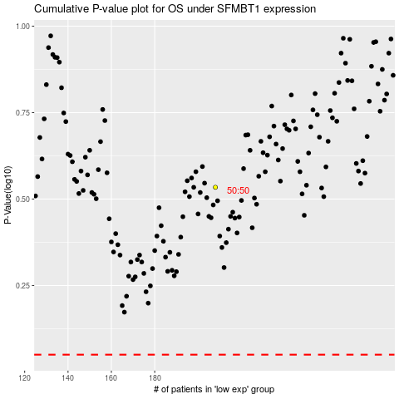

 |  |  |  |  |  | cases_OS | p_OS | rank | exp
 |  |  |  |  |  |  | cases_RFS | p_RFS | rank | exp

