SFPQ _multivariate
Reported by Tex Li-Hsing Chi. tex@gate.sinica.edu.tw 2019-08-16

Table 2. The clinicopathological features of HNSCC cohort and SFPQ expression. (Chi square test)
Cutoff at -0.059 (49.8%)
 |  | SFPQ expression |  | SFPQ expression |  | (Optimised)
 | Features | Low | (%) | High | (%) | Case no | P-value | Remark | Matthews
Gender | Female | 144 | 34.7 | 162 | 39 | 415 | 0.0697 | 0 | 0
2 | Male | 63 | 15.2 | 46 | 11.1
Age at diagnosis | <=65y | 130 | 31.3 | 144 | 34.7 | 415 | 0.2009 | 0 | 0
4 | >65y | 77 | 18.6 | 64 | 15.4
Clinical T Status | T1+T2 | 71 | 17.1 | 78 | 18.8 | 415 | 0.5638 | 0 | 0
6 | T3+T4 | 136 | 32.8 | 130 | 31.3
Clinical N Status | N0 | 114 | 27.5 | 102 | 24.6 | 415 | 0.2576 | 1 | 0
8 | N1-3 | 93 | 22.4 | 106 | 25.5
Clinical M Status | M0 | 207 | 49.9 | 205 | 49.4 | 415 | 0.2482 | 0 | 0
10 | M1 | 0 | 0 | 3 | 0.7
Clinical Stage | Stage I+II | 53 | 12.8 | 49 | 11.8 | 415 | 0.7113 | 0 | 0
12 | Stage III+IV | 154 | 37.1 | 159 | 38.3
Surgical Margin status | Negative | 160 | 38.6 | 158 | 38.1 | 415 | 0.8167 | 0 | 0
14 | Positive | 47 | 11.3 | 50 | 12
Tobacco Exposure | Low | 91 | 21.9 | 70 | 16.9 | 415 | 0.0346 | 1 | 0
16 | High | 116 | 28 | 138 | 33.3

Table 3. Univariate/Multivariate Cox's proportional hazards regression analyses on OS time of SFPQ gene expression in HNSCC

 |  | Univariate |  |  |  | Multivariate
 | Features | HR | CI95%(L) | CI95%(H) | P-value | HR | CI95%(L) | CI95%(H) | P-value
1 | Female | 1 |  |  |  | 1
Gender | Male | 1.157 | 0.843 | 1.587 | 0.367 | 1.199 | 0.858 | 1.676 | 0.287
11 | <=65y | 1 |  |  |  | 1
Age at diagnosis | >65y | 1.329 | 0.99 | 1.784 | 0.058 | 1.397 | 1.026 | 1.902 | 0.034
12 | T1+T2 | 1 |  |  |  | 1
Clinical T Status | T3+T4 | 1.409 | 1.028 | 1.931 | 0.033 | 2.193 | 1.159 | 4.15 | 0.016
13 | N0 | 1 |  |  |  | 1
Clinical N Status | N1-3 | 1.185 | 0.89 | 1.577 | 0.246 | 1.242 | 0.871 | 1.772 | 0.232
14 | M0 | 1 |  |  |  | 1
Clinical M Status | M1 | 4.097 | 1.009 | 16.644 | 0.049 | 9.556 | 2.076 | 43.995 | 0.004
15 | Stage I+II | 1 |  |  |  | 1
Clinical Stage | Stage III+IV | 1.245 | 0.882 | 1.759 | 0.213 | 0.507 | 0.236 | 1.089 | 0.081
16 | Negative | 1 |  |  |  | 1
Surgical Margin status | Positive | 1.591 | 1.155 | 2.191 | 0.004 | 1.669 | 1.208 | 2.306 | 0.002
17 | Low | 1 |  |  |  | 1
Tobacco Exposure | High | 1.364 | 1.008 | 1.844 | 0.044 | 1.459 | 1.058 | 2.013 | 0.021
18 | Low | 1 |  |  |  | 1
RNAseq(z-score) | High | 0.995 | 0.747 | 1.325 | 0.974 | 0.961 | 0.718 | 1.286 | 0.787

Table 4. Univariate/Multivariate Cox's proportional hazards regression analyses on RFS time of SFPQ gene expression in HNSCC

 |  | Univariate |  |  |  | Multivariate
 | Features | HR | CI95%(L) | CI95%(H) | P-value | HR | CI95%(L) | CI95%(H) | P-value
1 | Female | 1 |  |  |  | 1
Gender | Male | 1.157 | 0.843 | 1.587 | 0.367 | 1.199 | 0.858 | 1.676 | 0.287
11 | <=65y | 1 |  |  |  | 1
Age at diagnosis | >65y | 1.329 | 0.99 | 1.784 | 0.058 | 1.397 | 1.026 | 1.902 | 0.034
12 | T1+T2 | 1 |  |  |  | 1
Clinical T Status | T3+T4 | 1.409 | 1.028 | 1.931 | 0.033 | 2.193 | 1.159 | 4.15 | 0.016
13 | N0 | 1 |  |  |  | 1
Clinical N Status | N1-3 | 1.185 | 0.89 | 1.577 | 0.246 | 1.242 | 0.871 | 1.772 | 0.232
14 | M0 | 1 |  |  |  | 1
Clinical M Status | M1 | 4.097 | 1.009 | 16.644 | 0.049 | 9.556 | 2.076 | 43.995 | 0.004
15 | Stage I+II | 1 |  |  |  | 1
Clinical Stage | Stage III+IV | 1.245 | 0.882 | 1.759 | 0.213 | 0.507 | 0.236 | 1.089 | 0.081
16 | Negative | 1 |  |  |  | 1
Surgical Margin status | Positive | 1.591 | 1.155 | 2.191 | 0.004 | 1.669 | 1.208 | 2.306 | 0.002
17 | Low | 1 |  |  |  | 1
Tobacco Exposure | High | 1.364 | 1.008 | 1.844 | 0.044 | 1.459 | 1.058 | 2.013 | 0.021
18 | Low | 1 |  |  |  | 1
RNAseq(z-score) | High | 0.995 | 0.747 | 1.325 | 0.974 | 0.961 | 0.718 | 1.286 | 0.787

Kaplan-Meier survival estimate: Cutoff at -0.059 (49.8%)



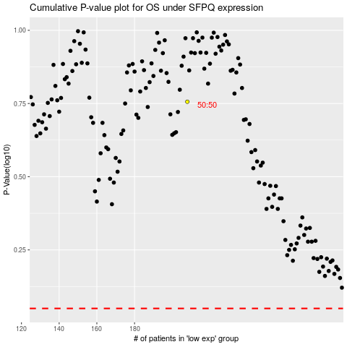

 |  |  |  |  |  | cases_OS | p_OS | rank | exp
 |  |  |  |  |  |  | cases_RFS | p_RFS | rank | exp

