SFRS1 _multivariate
Reported by Tex Li-Hsing Chi. tex@gate.sinica.edu.tw 2019-08-16

Table 2. The clinicopathological features of HNSCC cohort and SFRS1 expression. (Chi square test)
Cutoff at 0.022 (49.8%)
 |  | SFRS1 expression |  | SFRS1 expression |  | (Optimised)
 | Features | Low | (%) | High | (%) | Case no | P-value | Remark | Matthews
Gender | Female | 145 | 34.9 | 161 | 38.8 | 415 | 0.1116 | 0 | 0
2 | Male | 62 | 14.9 | 47 | 11.3
Age at diagnosis | <=65y | 130 | 31.3 | 144 | 34.7 | 415 | 0.2009 | 0 | 0
4 | >65y | 77 | 18.6 | 64 | 15.4
Clinical T Status | T1+T2 | 64 | 15.4 | 85 | 20.5 | 415 | 0.0445 | 1 | 0
6 | T3+T4 | 143 | 34.5 | 123 | 29.6
Clinical N Status | N0 | 106 | 25.5 | 110 | 26.5 | 415 | 0.8075 | 0 | 0
8 | N1-3 | 101 | 24.3 | 98 | 23.6
Clinical M Status | M0 | 206 | 49.6 | 206 | 49.6 | 415 | 1 | 0 | 0
10 | M1 | 1 | 0.2 | 2 | 0.5
Clinical Stage | Stage I+II | 43 | 10.4 | 59 | 14.2 | 415 | 0.0925 | 0 | 0
12 | Stage III+IV | 164 | 39.5 | 149 | 35.9
Surgical Margin status | Negative | 163 | 39.3 | 155 | 37.3 | 415 | 0.3537 | 0 | 0
14 | Positive | 44 | 10.6 | 53 | 12.8
Tobacco Exposure | Low | 79 | 19 | 82 | 19.8 | 415 | 0.8405 | 0 | 0
16 | High | 128 | 30.8 | 126 | 30.4

Table 3. Univariate/Multivariate Cox's proportional hazards regression analyses on OS time of SFRS1 gene expression in HNSCC

 |  | Univariate |  |  |  | Multivariate
 | Features | HR | CI95%(L) | CI95%(H) | P-value | HR | CI95%(L) | CI95%(H) | P-value
1 | Female | 1 |  |  |  | 1
Gender | Male | 1.157 | 0.843 | 1.587 | 0.367 | 1.188 | 0.849 | 1.662 | 0.315
11 | <=65y | 1 |  |  |  | 1
Age at diagnosis | >65y | 1.329 | 0.99 | 1.784 | 0.058 | 1.388 | 1.021 | 1.887 | 0.036
12 | T1+T2 | 1 |  |  |  | 1
Clinical T Status | T3+T4 | 1.409 | 1.028 | 1.931 | 0.033 | 2.168 | 1.145 | 4.106 | 0.017
13 | N0 | 1 |  |  |  | 1
Clinical N Status | N1-3 | 1.185 | 0.89 | 1.577 | 0.246 | 1.242 | 0.871 | 1.771 | 0.232
14 | M0 | 1 |  |  |  | 1
Clinical M Status | M1 | 4.097 | 1.009 | 16.644 | 0.049 | 9.334 | 2.036 | 42.786 | 0.004
15 | Stage I+II | 1 |  |  |  | 1
Clinical Stage | Stage III+IV | 1.245 | 0.882 | 1.759 | 0.213 | 0.507 | 0.236 | 1.087 | 0.081
16 | Negative | 1 |  |  |  | 1
Surgical Margin status | Positive | 1.591 | 1.155 | 2.191 | 0.004 | 1.666 | 1.206 | 2.301 | 0.002
17 | Low | 1 |  |  |  | 1
Tobacco Exposure | High | 1.364 | 1.008 | 1.844 | 0.044 | 1.45 | 1.052 | 1.997 | 0.023
18 | Low | 1 |  |  |  | 1
RNAseq(z-score) | High | 0.83 | 0.623 | 1.108 | 0.206 | 0.909 | 0.678 | 1.217 | 0.521

Table 4. Univariate/Multivariate Cox's proportional hazards regression analyses on RFS time of SFRS1 gene expression in HNSCC

 |  | Univariate |  |  |  | Multivariate
 | Features | HR | CI95%(L) | CI95%(H) | P-value | HR | CI95%(L) | CI95%(H) | P-value
1 | Female | 1 |  |  |  | 1
Gender | Male | 1.157 | 0.843 | 1.587 | 0.367 | 1.188 | 0.849 | 1.662 | 0.315
11 | <=65y | 1 |  |  |  | 1
Age at diagnosis | >65y | 1.329 | 0.99 | 1.784 | 0.058 | 1.388 | 1.021 | 1.887 | 0.036
12 | T1+T2 | 1 |  |  |  | 1
Clinical T Status | T3+T4 | 1.409 | 1.028 | 1.931 | 0.033 | 2.168 | 1.145 | 4.106 | 0.017
13 | N0 | 1 |  |  |  | 1
Clinical N Status | N1-3 | 1.185 | 0.89 | 1.577 | 0.246 | 1.242 | 0.871 | 1.771 | 0.232
14 | M0 | 1 |  |  |  | 1
Clinical M Status | M1 | 4.097 | 1.009 | 16.644 | 0.049 | 9.334 | 2.036 | 42.786 | 0.004
15 | Stage I+II | 1 |  |  |  | 1
Clinical Stage | Stage III+IV | 1.245 | 0.882 | 1.759 | 0.213 | 0.507 | 0.236 | 1.087 | 0.081
16 | Negative | 1 |  |  |  | 1
Surgical Margin status | Positive | 1.591 | 1.155 | 2.191 | 0.004 | 1.666 | 1.206 | 2.301 | 0.002
17 | Low | 1 |  |  |  | 1
Tobacco Exposure | High | 1.364 | 1.008 | 1.844 | 0.044 | 1.45 | 1.052 | 1.997 | 0.023
18 | Low | 1 |  |  |  | 1
RNAseq(z-score) | High | 0.83 | 0.623 | 1.108 | 0.206 | 0.909 | 0.678 | 1.217 | 0.521

Kaplan-Meier survival estimate: Cutoff at 0.022 (49.8%)



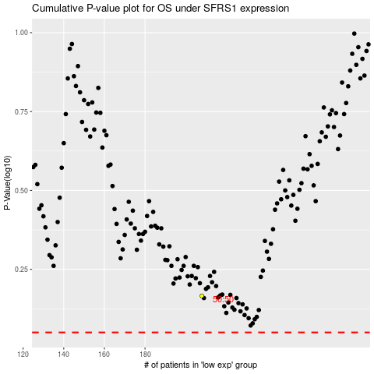

 |  |  |  |  |  | cases_OS | p_OS | rank | exp
 |  |  |  |  |  |  | cases_RFS | p_RFS | rank | exp

