SFRS13A _multivariate
Reported by Tex Li-Hsing Chi. tex@gate.sinica.edu.tw 2019-08-16

Table 2. The clinicopathological features of HNSCC cohort and SFRS13A expression. (Chi square test)
Cutoff at -0.119 (49.8%)
 |  | SFRS13A expression |  | SFRS13A expression |  | (Optimised)
 | Features | Low | (%) | High | (%) | Case no | P-value | Remark | Matthews
Gender | Female | 146 | 35.2 | 160 | 38.6 | 415 | 0.1714 | 0 | 0
2 | Male | 61 | 14.7 | 48 | 11.6
Age at diagnosis | <=65y | 132 | 31.8 | 142 | 34.2 | 415 | 0.3874 | 0 | 0
4 | >65y | 75 | 18.1 | 66 | 15.9
Clinical T Status | T1+T2 | 66 | 15.9 | 83 | 20 | 415 | 0.1095 | 0 | 0
6 | T3+T4 | 141 | 34 | 125 | 30.1
Clinical N Status | N0 | 120 | 28.9 | 96 | 23.1 | 415 | 0.0208 | 1 | 0
8 | N1-3 | 87 | 21 | 112 | 27
Clinical M Status | M0 | 206 | 49.6 | 206 | 49.6 | 415 | 1 | 0 | 0
10 | M1 | 1 | 0.2 | 2 | 0.5
Clinical Stage | Stage I+II | 48 | 11.6 | 54 | 13 | 415 | 0.5878 | 0 | 0
12 | Stage III+IV | 159 | 38.3 | 154 | 37.1
Surgical Margin status | Negative | 166 | 40 | 152 | 36.6 | 415 | 0.1042 | 0 | 0
14 | Positive | 41 | 9.9 | 56 | 13.5
Tobacco Exposure | Low | 81 | 19.5 | 80 | 19.3 | 415 | 0.9199 | 0 | 0
16 | High | 126 | 30.4 | 128 | 30.8

Table 3. Univariate/Multivariate Cox's proportional hazards regression analyses on OS time of SFRS13A gene expression in HNSCC

 |  | Univariate |  |  |  | Multivariate
 | Features | HR | CI95%(L) | CI95%(H) | P-value | HR | CI95%(L) | CI95%(H) | P-value
1 | Female | 1 |  |  |  | 1
Gender | Male | 1.157 | 0.843 | 1.587 | 0.367 | 1.189 | 0.849 | 1.663 | 0.314
11 | <=65y | 1 |  |  |  | 1
Age at diagnosis | >65y | 1.329 | 0.99 | 1.784 | 0.058 | 1.392 | 1.024 | 1.892 | 0.035
12 | T1+T2 | 1 |  |  |  | 1
Clinical T Status | T3+T4 | 1.409 | 1.028 | 1.931 | 0.033 | 2.188 | 1.157 | 4.138 | 0.016
13 | N0 | 1 |  |  |  | 1
Clinical N Status | N1-3 | 1.185 | 0.89 | 1.577 | 0.246 | 1.263 | 0.882 | 1.809 | 0.202
14 | M0 | 1 |  |  |  | 1
Clinical M Status | M1 | 4.097 | 1.009 | 16.644 | 0.049 | 9.347 | 2.039 | 42.852 | 0.004
15 | Stage I+II | 1 |  |  |  | 1
Clinical Stage | Stage III+IV | 1.245 | 0.882 | 1.759 | 0.213 | 0.501 | 0.233 | 1.075 | 0.076
16 | Negative | 1 |  |  |  | 1
Surgical Margin status | Positive | 1.591 | 1.155 | 2.191 | 0.004 | 1.683 | 1.217 | 2.326 | 0.002
17 | Low | 1 |  |  |  | 1
Tobacco Exposure | High | 1.364 | 1.008 | 1.844 | 0.044 | 1.447 | 1.049 | 1.995 | 0.024
18 | Low | 1 |  |  |  | 1
RNAseq(z-score) | High | 0.886 | 0.664 | 1.182 | 0.409 | 0.899 | 0.67 | 1.207 | 0.48

Table 4. Univariate/Multivariate Cox's proportional hazards regression analyses on RFS time of SFRS13A gene expression in HNSCC

 |  | Univariate |  |  |  | Multivariate
 | Features | HR | CI95%(L) | CI95%(H) | P-value | HR | CI95%(L) | CI95%(H) | P-value
1 | Female | 1 |  |  |  | 1
Gender | Male | 1.157 | 0.843 | 1.587 | 0.367 | 1.189 | 0.849 | 1.663 | 0.314
11 | <=65y | 1 |  |  |  | 1
Age at diagnosis | >65y | 1.329 | 0.99 | 1.784 | 0.058 | 1.392 | 1.024 | 1.892 | 0.035
12 | T1+T2 | 1 |  |  |  | 1
Clinical T Status | T3+T4 | 1.409 | 1.028 | 1.931 | 0.033 | 2.188 | 1.157 | 4.138 | 0.016
13 | N0 | 1 |  |  |  | 1
Clinical N Status | N1-3 | 1.185 | 0.89 | 1.577 | 0.246 | 1.263 | 0.882 | 1.809 | 0.202
14 | M0 | 1 |  |  |  | 1
Clinical M Status | M1 | 4.097 | 1.009 | 16.644 | 0.049 | 9.347 | 2.039 | 42.852 | 0.004
15 | Stage I+II | 1 |  |  |  | 1
Clinical Stage | Stage III+IV | 1.245 | 0.882 | 1.759 | 0.213 | 0.501 | 0.233 | 1.075 | 0.076
16 | Negative | 1 |  |  |  | 1
Surgical Margin status | Positive | 1.591 | 1.155 | 2.191 | 0.004 | 1.683 | 1.217 | 2.326 | 0.002
17 | Low | 1 |  |  |  | 1
Tobacco Exposure | High | 1.364 | 1.008 | 1.844 | 0.044 | 1.447 | 1.049 | 1.995 | 0.024
18 | Low | 1 |  |  |  | 1
RNAseq(z-score) | High | 0.886 | 0.664 | 1.182 | 0.409 | 0.899 | 0.67 | 1.207 | 0.48

Kaplan-Meier survival estimate: Cutoff at -0.119 (49.8%)



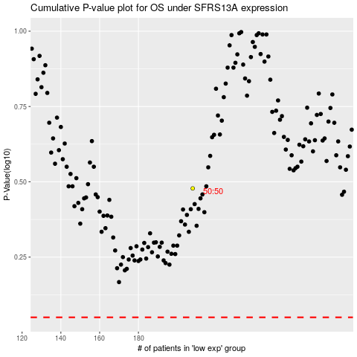

 |  |  |  |  |  | cases_OS | p_OS | rank | exp
 |  |  |  |  |  |  | cases_RFS | p_RFS | rank | exp

