SFRS16 _multivariate
Reported by Tex Li-Hsing Chi. tex@gate.sinica.edu.tw 2019-08-16

Table 2. The clinicopathological features of HNSCC cohort and SFRS16 expression. (Chi square test)
Cutoff at -0.299 (44.4%)
 |  | SFRS16 expression |  | SFRS16 expression |  | (Optimised)
 | Features | Low | (%) | High | (%) | Case no | P-value | Remark | Matthews
Gender | Female | 124 | 29.9 | 182 | 43.9 | 415 | 0.0075 | 1 | 0
2 | Male | 61 | 14.7 | 48 | 11.6
Age at diagnosis | <=65y | 124 | 29.9 | 150 | 36.1 | 415 | 0.7775 | 0 | 0
4 | >65y | 61 | 14.7 | 80 | 19.3
Clinical T Status | T1+T2 | 75 | 18.1 | 74 | 17.8 | 415 | 0.0963 | 0 | 0
6 | T3+T4 | 110 | 26.5 | 156 | 37.6
Clinical N Status | N0 | 96 | 23.1 | 120 | 28.9 | 415 | 1 | 0 | 0
8 | N1-3 | 89 | 21.4 | 110 | 26.5
Clinical M Status | M0 | 185 | 44.6 | 227 | 54.7 | 415 | 0.257 | 0 | 0
10 | M1 | 0 | 0 | 3 | 0.7
Clinical Stage | Stage I+II | 53 | 12.8 | 49 | 11.8 | 415 | 0.1068 | 0 | 0
12 | Stage III+IV | 132 | 31.8 | 181 | 43.6
Surgical Margin status | Negative | 148 | 35.7 | 170 | 41 | 415 | 0.1621 | 0 | 0
14 | Positive | 37 | 8.9 | 60 | 14.5
Tobacco Exposure | Low | 70 | 16.9 | 91 | 21.9 | 415 | 0.7615 | 0 | 0
16 | High | 115 | 27.7 | 139 | 33.5

Table 3. Univariate/Multivariate Cox's proportional hazards regression analyses on OS time of SFRS16 gene expression in HNSCC

 |  | Univariate |  |  |  | Multivariate
 | Features | HR | CI95%(L) | CI95%(H) | P-value | HR | CI95%(L) | CI95%(H) | P-value
1 | Female | 1 |  |  |  | 1
Gender | Male | 1.157 | 0.843 | 1.587 | 0.367 | 1.131 | 0.807 | 1.584 | 0.474
11 | <=65y | 1 |  |  |  | 1
Age at diagnosis | >65y | 1.329 | 0.99 | 1.784 | 0.058 | 1.423 | 1.046 | 1.937 | 0.025
12 | T1+T2 | 1 |  |  |  | 1
Clinical T Status | T3+T4 | 1.409 | 1.028 | 1.931 | 0.033 | 2.331 | 1.231 | 4.415 | 0.009
13 | N0 | 1 |  |  |  | 1
Clinical N Status | N1-3 | 1.185 | 0.89 | 1.577 | 0.246 | 1.22 | 0.856 | 1.739 | 0.272
14 | M0 | 1 |  |  |  | 1
Clinical M Status | M1 | 4.097 | 1.009 | 16.644 | 0.049 | 11.828 | 2.551 | 54.853 | 0.002
15 | Stage I+II | 1 |  |  |  | 1
Clinical Stage | Stage III+IV | 1.245 | 0.882 | 1.759 | 0.213 | 0.508 | 0.237 | 1.092 | 0.083
16 | Negative | 1 |  |  |  | 1
Surgical Margin status | Positive | 1.591 | 1.155 | 2.191 | 0.004 | 1.747 | 1.262 | 2.419 | 0.001
17 | Low | 1 |  |  |  | 1
Tobacco Exposure | High | 1.364 | 1.008 | 1.844 | 0.044 | 1.437 | 1.042 | 1.982 | 0.027
18 | Low | 1 |  |  |  | 1
RNAseq(z-score) | High | 0.746 | 0.558 | 0.996 | 0.047 | 0.676 | 0.501 | 0.912 | 0.01

Table 4. Univariate/Multivariate Cox's proportional hazards regression analyses on RFS time of SFRS16 gene expression in HNSCC

 |  | Univariate |  |  |  | Multivariate
 | Features | HR | CI95%(L) | CI95%(H) | P-value | HR | CI95%(L) | CI95%(H) | P-value
1 | Female | 1 |  |  |  | 1
Gender | Male | 1.157 | 0.843 | 1.587 | 0.367 | 1.131 | 0.807 | 1.584 | 0.474
11 | <=65y | 1 |  |  |  | 1
Age at diagnosis | >65y | 1.329 | 0.99 | 1.784 | 0.058 | 1.423 | 1.046 | 1.937 | 0.025
12 | T1+T2 | 1 |  |  |  | 1
Clinical T Status | T3+T4 | 1.409 | 1.028 | 1.931 | 0.033 | 2.331 | 1.231 | 4.415 | 0.009
13 | N0 | 1 |  |  |  | 1
Clinical N Status | N1-3 | 1.185 | 0.89 | 1.577 | 0.246 | 1.22 | 0.856 | 1.739 | 0.272
14 | M0 | 1 |  |  |  | 1
Clinical M Status | M1 | 4.097 | 1.009 | 16.644 | 0.049 | 11.828 | 2.551 | 54.853 | 0.002
15 | Stage I+II | 1 |  |  |  | 1
Clinical Stage | Stage III+IV | 1.245 | 0.882 | 1.759 | 0.213 | 0.508 | 0.237 | 1.092 | 0.083
16 | Negative | 1 |  |  |  | 1
Surgical Margin status | Positive | 1.591 | 1.155 | 2.191 | 0.004 | 1.747 | 1.262 | 2.419 | 0.001
17 | Low | 1 |  |  |  | 1
Tobacco Exposure | High | 1.364 | 1.008 | 1.844 | 0.044 | 1.437 | 1.042 | 1.982 | 0.027
18 | Low | 1 |  |  |  | 1
RNAseq(z-score) | High | 0.746 | 0.558 | 0.996 | 0.047 | 0.676 | 0.501 | 0.912 | 0.01

Kaplan-Meier survival estimate: Cutoff at -0.299 (44.4%)



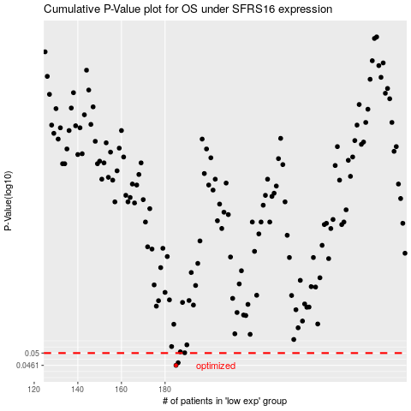

 |  |  |  |  |  | cases_OS | p_OS | rank | exp
 |  |  |  |  |  | 185 | 0.0461 | 13 | -0.2991426491
 |  |  |  |  |  | 186 | 0.0469 | 197 | -0.29433427699
 |  |  |  |  |  |  | cases_RFS | p_RFS | rank | exp
 |  |  |  |  |  |  | 184 | 0.0461 | 69 | -0.30088294845
 |  |  |  |  |  |  | 185 | 0.0469 | 13 | -0.2991426491

