SFRS2B _multivariate
Reported by Tex Li-Hsing Chi. tex@gate.sinica.edu.tw 2019-08-16

Table 2. The clinicopathological features of HNSCC cohort and SFRS2B expression. (Chi square test)
Cutoff at -0.119 (53.4%)
 |  | SFRS2B expression |  | SFRS2B expression |  | (Optimised)
 | Features | Low | (%) | High | (%) | Case no | P-value | Remark | Matthews
Gender | Female | 168 | 40.5 | 138 | 33.3 | 415 | 0.3944 | 0 | 0
2 | Male | 54 | 13 | 55 | 13.3
Age at diagnosis | <=65y | 140 | 33.7 | 134 | 32.3 | 415 | 0.2069 | 0 | 0
4 | >65y | 82 | 19.8 | 59 | 14.2
Clinical T Status | T1+T2 | 79 | 19 | 70 | 16.9 | 415 | 0.9663 | 0 | 0
6 | T3+T4 | 143 | 34.5 | 123 | 29.6
Clinical N Status | N0 | 95 | 22.9 | 121 | 29.2 | 415 | 1e-04 | 1 | 0
8 | N1-3 | 127 | 30.6 | 72 | 17.3
Clinical M Status | M0 | 220 | 53 | 192 | 46.3 | 415 | 1 | 0 | 0
10 | M1 | 2 | 0.5 | 1 | 0.2
Clinical Stage | Stage I+II | 48 | 11.6 | 54 | 13 | 415 | 0.1657 | 0 | 0
12 | Stage III+IV | 174 | 41.9 | 139 | 33.5
Surgical Margin status | Negative | 165 | 39.8 | 153 | 36.9 | 415 | 0.2469 | 0 | 0
14 | Positive | 57 | 13.7 | 40 | 9.6
Tobacco Exposure | Low | 75 | 18.1 | 86 | 20.7 | 415 | 0.0266 | 1 | 0
16 | High | 147 | 35.4 | 107 | 25.8

Table 3. Univariate/Multivariate Cox's proportional hazards regression analyses on OS time of SFRS2B gene expression in HNSCC

 |  | Univariate |  |  |  | Multivariate
 | Features | HR | CI95%(L) | CI95%(H) | P-value | HR | CI95%(L) | CI95%(H) | P-value
1 | Female | 1 |  |  |  | 1
Gender | Male | 1.157 | 0.843 | 1.587 | 0.367 | 1.216 | 0.869 | 1.702 | 0.253
11 | <=65y | 1 |  |  |  | 1
Age at diagnosis | >65y | 1.329 | 0.99 | 1.784 | 0.058 | 1.334 | 0.972 | 1.832 | 0.074
12 | T1+T2 | 1 |  |  |  | 1
Clinical T Status | T3+T4 | 1.409 | 1.028 | 1.931 | 0.033 | 2.192 | 1.159 | 4.145 | 0.016
13 | N0 | 1 |  |  |  | 1
Clinical N Status | N1-3 | 1.185 | 0.89 | 1.577 | 0.246 | 1.176 | 0.814 | 1.701 | 0.388
14 | M0 | 1 |  |  |  | 1
Clinical M Status | M1 | 4.097 | 1.009 | 16.644 | 0.049 | 9.476 | 2.067 | 43.445 | 0.004
15 | Stage I+II | 1 |  |  |  | 1
Clinical Stage | Stage III+IV | 1.245 | 0.882 | 1.759 | 0.213 | 0.514 | 0.24 | 1.105 | 0.088
16 | Negative | 1 |  |  |  | 1
Surgical Margin status | Positive | 1.591 | 1.155 | 2.191 | 0.004 | 1.65 | 1.193 | 2.283 | 0.002
17 | Low | 1 |  |  |  | 1
Tobacco Exposure | High | 1.364 | 1.008 | 1.844 | 0.044 | 1.435 | 1.04 | 1.98 | 0.028
18 | Low | 1 |  |  |  | 1
RNAseq(z-score) | High | 0.747 | 0.559 | 0.999 | 0.049 | 0.843 | 0.618 | 1.151 | 0.283

Table 4. Univariate/Multivariate Cox's proportional hazards regression analyses on RFS time of SFRS2B gene expression in HNSCC

 |  | Univariate |  |  |  | Multivariate
 | Features | HR | CI95%(L) | CI95%(H) | P-value | HR | CI95%(L) | CI95%(H) | P-value
1 | Female | 1 |  |  |  | 1
Gender | Male | 1.157 | 0.843 | 1.587 | 0.367 | 1.216 | 0.869 | 1.702 | 0.253
11 | <=65y | 1 |  |  |  | 1
Age at diagnosis | >65y | 1.329 | 0.99 | 1.784 | 0.058 | 1.334 | 0.972 | 1.832 | 0.074
12 | T1+T2 | 1 |  |  |  | 1
Clinical T Status | T3+T4 | 1.409 | 1.028 | 1.931 | 0.033 | 2.192 | 1.159 | 4.145 | 0.016
13 | N0 | 1 |  |  |  | 1
Clinical N Status | N1-3 | 1.185 | 0.89 | 1.577 | 0.246 | 1.176 | 0.814 | 1.701 | 0.388
14 | M0 | 1 |  |  |  | 1
Clinical M Status | M1 | 4.097 | 1.009 | 16.644 | 0.049 | 9.476 | 2.067 | 43.445 | 0.004
15 | Stage I+II | 1 |  |  |  | 1
Clinical Stage | Stage III+IV | 1.245 | 0.882 | 1.759 | 0.213 | 0.514 | 0.24 | 1.105 | 0.088
16 | Negative | 1 |  |  |  | 1
Surgical Margin status | Positive | 1.591 | 1.155 | 2.191 | 0.004 | 1.65 | 1.193 | 2.283 | 0.002
17 | Low | 1 |  |  |  | 1
Tobacco Exposure | High | 1.364 | 1.008 | 1.844 | 0.044 | 1.435 | 1.04 | 1.98 | 0.028
18 | Low | 1 |  |  |  | 1
RNAseq(z-score) | High | 0.747 | 0.559 | 0.999 | 0.049 | 0.843 | 0.618 | 1.151 | 0.283

Kaplan-Meier survival estimate: Cutoff at -0.119 (53.4%)



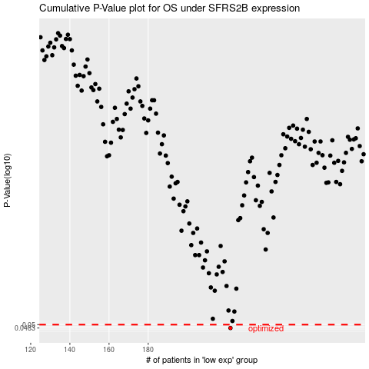

 |  |  |  |  |  | cases_OS | p_OS | rank | exp
 |  |  |  |  |  | 222 | 0.0483 | 384 | -0.11929829293
 |  |  |  |  |  |  | cases_RFS | p_RFS | rank | exp
 |  |  |  |  |  |  | 221 | 0.0483 | 76 | -0.1283531525

