SFRS3 _multivariate
Reported by Tex Li-Hsing Chi. tex@gate.sinica.edu.tw 2019-08-16

Table 2. The clinicopathological features of HNSCC cohort and SFRS3 expression. (Chi square test)
Cutoff at -0.195 (49.8%)
 |  | SFRS3 expression |  | SFRS3 expression |  | (Optimised)
 | Features | Low | (%) | High | (%) | Case no | P-value | Remark | Matthews
Gender | Female | 148 | 35.7 | 158 | 38.1 | 415 | 0.3567 | 0 | 0
2 | Male | 59 | 14.2 | 50 | 12
Age at diagnosis | <=65y | 133 | 32 | 141 | 34 | 415 | 0.5111 | 0 | 0
4 | >65y | 74 | 17.8 | 67 | 16.1
Clinical T Status | T1+T2 | 69 | 16.6 | 80 | 19.3 | 415 | 0.3239 | 0 | 0
6 | T3+T4 | 138 | 33.3 | 128 | 30.8
Clinical N Status | N0 | 109 | 26.3 | 107 | 25.8 | 415 | 0.8812 | 0 | 0
8 | N1-3 | 98 | 23.6 | 101 | 24.3
Clinical M Status | M0 | 207 | 49.9 | 205 | 49.4 | 415 | 0.2482 | 0 | 0
10 | M1 | 0 | 0 | 3 | 0.7
Clinical Stage | Stage I+II | 49 | 11.8 | 53 | 12.8 | 415 | 0.7535 | 0 | 0
12 | Stage III+IV | 158 | 38.1 | 155 | 37.3
Surgical Margin status | Negative | 170 | 41 | 148 | 35.7 | 415 | 0.0105 | 1 | 0
14 | Positive | 37 | 8.9 | 60 | 14.5
Tobacco Exposure | Low | 84 | 20.2 | 77 | 18.6 | 415 | 0.4816 | 0 | 0
16 | High | 123 | 29.6 | 131 | 31.6

Table 3. Univariate/Multivariate Cox's proportional hazards regression analyses on OS time of SFRS3 gene expression in HNSCC

 |  | Univariate |  |  |  | Multivariate
 | Features | HR | CI95%(L) | CI95%(H) | P-value | HR | CI95%(L) | CI95%(H) | P-value
1 | Female | 1 |  |  |  | 1
Gender | Male | 1.157 | 0.843 | 1.587 | 0.367 | 1.21 | 0.866 | 1.69 | 0.264
11 | <=65y | 1 |  |  |  | 1
Age at diagnosis | >65y | 1.329 | 0.99 | 1.784 | 0.058 | 1.399 | 1.028 | 1.903 | 0.033
12 | T1+T2 | 1 |  |  |  | 1
Clinical T Status | T3+T4 | 1.409 | 1.028 | 1.931 | 0.033 | 2.213 | 1.168 | 4.19 | 0.015
13 | N0 | 1 |  |  |  | 1
Clinical N Status | N1-3 | 1.185 | 0.89 | 1.577 | 0.246 | 1.256 | 0.88 | 1.792 | 0.209
14 | M0 | 1 |  |  |  | 1
Clinical M Status | M1 | 4.097 | 1.009 | 16.644 | 0.049 | 10.974 | 2.37 | 50.819 | 0.002
15 | Stage I+II | 1 |  |  |  | 1
Clinical Stage | Stage III+IV | 1.245 | 0.882 | 1.759 | 0.213 | 0.498 | 0.232 | 1.069 | 0.074
16 | Negative | 1 |  |  |  | 1
Surgical Margin status | Positive | 1.591 | 1.155 | 2.191 | 0.004 | 1.771 | 1.273 | 2.464 | 0.001
17 | Low | 1 |  |  |  | 1
Tobacco Exposure | High | 1.364 | 1.008 | 1.844 | 0.044 | 1.478 | 1.071 | 2.039 | 0.017
18 | Low | 1 |  |  |  | 1
RNAseq(z-score) | High | 0.864 | 0.649 | 1.152 | 0.319 | 0.757 | 0.564 | 1.017 | 0.065

Table 4. Univariate/Multivariate Cox's proportional hazards regression analyses on RFS time of SFRS3 gene expression in HNSCC

 |  | Univariate |  |  |  | Multivariate
 | Features | HR | CI95%(L) | CI95%(H) | P-value | HR | CI95%(L) | CI95%(H) | P-value
1 | Female | 1 |  |  |  | 1
Gender | Male | 1.157 | 0.843 | 1.587 | 0.367 | 1.21 | 0.866 | 1.69 | 0.264
11 | <=65y | 1 |  |  |  | 1
Age at diagnosis | >65y | 1.329 | 0.99 | 1.784 | 0.058 | 1.399 | 1.028 | 1.903 | 0.033
12 | T1+T2 | 1 |  |  |  | 1
Clinical T Status | T3+T4 | 1.409 | 1.028 | 1.931 | 0.033 | 2.213 | 1.168 | 4.19 | 0.015
13 | N0 | 1 |  |  |  | 1
Clinical N Status | N1-3 | 1.185 | 0.89 | 1.577 | 0.246 | 1.256 | 0.88 | 1.792 | 0.209
14 | M0 | 1 |  |  |  | 1
Clinical M Status | M1 | 4.097 | 1.009 | 16.644 | 0.049 | 10.974 | 2.37 | 50.819 | 0.002
15 | Stage I+II | 1 |  |  |  | 1
Clinical Stage | Stage III+IV | 1.245 | 0.882 | 1.759 | 0.213 | 0.498 | 0.232 | 1.069 | 0.074
16 | Negative | 1 |  |  |  | 1
Surgical Margin status | Positive | 1.591 | 1.155 | 2.191 | 0.004 | 1.771 | 1.273 | 2.464 | 0.001
17 | Low | 1 |  |  |  | 1
Tobacco Exposure | High | 1.364 | 1.008 | 1.844 | 0.044 | 1.478 | 1.071 | 2.039 | 0.017
18 | Low | 1 |  |  |  | 1
RNAseq(z-score) | High | 0.864 | 0.649 | 1.152 | 0.319 | 0.757 | 0.564 | 1.017 | 0.065

Kaplan-Meier survival estimate: Cutoff at -0.195 (49.8%)



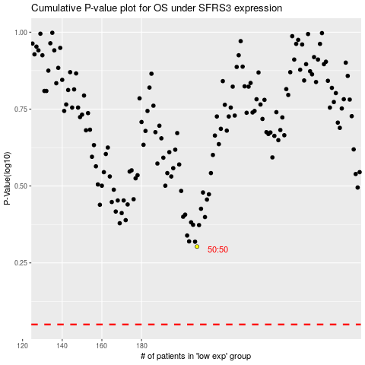

 |  |  |  |  |  | cases_OS | p_OS | rank | exp
 |  |  |  |  |  |  | cases_RFS | p_RFS | rank | exp

