SFRS7 _multivariate
Reported by Tex Li-Hsing Chi. tex@gate.sinica.edu.tw 2019-08-16

Table 2. The clinicopathological features of HNSCC cohort and SFRS7 expression. (Chi square test)
Cutoff at -0.138 (49.8%)
 |  | SFRS7 expression |  | SFRS7 expression |  | (Optimised)
 | Features | Low | (%) | High | (%) | Case no | P-value | Remark | Matthews
Gender | Female | 144 | 34.7 | 162 | 39 | 415 | 0.0697 | 0 | 0
2 | Male | 63 | 15.2 | 46 | 11.1
Age at diagnosis | <=65y | 130 | 31.3 | 144 | 34.7 | 415 | 0.2009 | 0 | 0
4 | >65y | 77 | 18.6 | 64 | 15.4
Clinical T Status | T1+T2 | 70 | 16.9 | 79 | 19 | 415 | 0.4343 | 0 | 0
6 | T3+T4 | 137 | 33 | 129 | 31.1
Clinical N Status | N0 | 119 | 28.7 | 97 | 23.4 | 415 | 0.0345 | 1 | 0
8 | N1-3 | 88 | 21.2 | 111 | 26.7
Clinical M Status | M0 | 207 | 49.9 | 205 | 49.4 | 415 | 0.2482 | 0 | 0
10 | M1 | 0 | 0 | 3 | 0.7
Clinical Stage | Stage I+II | 51 | 12.3 | 51 | 12.3 | 415 | 1 | 0 | 0
12 | Stage III+IV | 156 | 37.6 | 157 | 37.8
Surgical Margin status | Negative | 172 | 41.4 | 146 | 35.2 | 415 | 0.0025 | 1 | 0
14 | Positive | 35 | 8.4 | 62 | 14.9
Tobacco Exposure | Low | 91 | 21.9 | 70 | 16.9 | 415 | 0.0346 | 1 | 0
16 | High | 116 | 28 | 138 | 33.3

Table 3. Univariate/Multivariate Cox's proportional hazards regression analyses on OS time of SFRS7 gene expression in HNSCC

 |  | Univariate |  |  |  | Multivariate
 | Features | HR | CI95%(L) | CI95%(H) | P-value | HR | CI95%(L) | CI95%(H) | P-value
1 | Female | 1 |  |  |  | 1
Gender | Male | 1.157 | 0.843 | 1.587 | 0.367 | 1.209 | 0.864 | 1.691 | 0.267
11 | <=65y | 1 |  |  |  | 1
Age at diagnosis | >65y | 1.329 | 0.99 | 1.784 | 0.058 | 1.393 | 1.025 | 1.893 | 0.034
12 | T1+T2 | 1 |  |  |  | 1
Clinical T Status | T3+T4 | 1.409 | 1.028 | 1.931 | 0.033 | 2.197 | 1.162 | 4.152 | 0.015
13 | N0 | 1 |  |  |  | 1
Clinical N Status | N1-3 | 1.185 | 0.89 | 1.577 | 0.246 | 1.234 | 0.865 | 1.762 | 0.246
14 | M0 | 1 |  |  |  | 1
Clinical M Status | M1 | 4.097 | 1.009 | 16.644 | 0.049 | 9.075 | 1.966 | 41.895 | 0.005
15 | Stage I+II | 1 |  |  |  | 1
Clinical Stage | Stage III+IV | 1.245 | 0.882 | 1.759 | 0.213 | 0.508 | 0.237 | 1.092 | 0.083
16 | Negative | 1 |  |  |  | 1
Surgical Margin status | Positive | 1.591 | 1.155 | 2.191 | 0.004 | 1.64 | 1.175 | 2.288 | 0.004
17 | Low | 1 |  |  |  | 1
Tobacco Exposure | High | 1.364 | 1.008 | 1.844 | 0.044 | 1.446 | 1.049 | 1.993 | 0.024
18 | Low | 1 |  |  |  | 1
RNAseq(z-score) | High | 1.207 | 0.905 | 1.609 | 0.2 | 1.074 | 0.796 | 1.451 | 0.64

Table 4. Univariate/Multivariate Cox's proportional hazards regression analyses on RFS time of SFRS7 gene expression in HNSCC

 |  | Univariate |  |  |  | Multivariate
 | Features | HR | CI95%(L) | CI95%(H) | P-value | HR | CI95%(L) | CI95%(H) | P-value
1 | Female | 1 |  |  |  | 1
Gender | Male | 1.157 | 0.843 | 1.587 | 0.367 | 1.209 | 0.864 | 1.691 | 0.267
11 | <=65y | 1 |  |  |  | 1
Age at diagnosis | >65y | 1.329 | 0.99 | 1.784 | 0.058 | 1.393 | 1.025 | 1.893 | 0.034
12 | T1+T2 | 1 |  |  |  | 1
Clinical T Status | T3+T4 | 1.409 | 1.028 | 1.931 | 0.033 | 2.197 | 1.162 | 4.152 | 0.015
13 | N0 | 1 |  |  |  | 1
Clinical N Status | N1-3 | 1.185 | 0.89 | 1.577 | 0.246 | 1.234 | 0.865 | 1.762 | 0.246
14 | M0 | 1 |  |  |  | 1
Clinical M Status | M1 | 4.097 | 1.009 | 16.644 | 0.049 | 9.075 | 1.966 | 41.895 | 0.005
15 | Stage I+II | 1 |  |  |  | 1
Clinical Stage | Stage III+IV | 1.245 | 0.882 | 1.759 | 0.213 | 0.508 | 0.237 | 1.092 | 0.083
16 | Negative | 1 |  |  |  | 1
Surgical Margin status | Positive | 1.591 | 1.155 | 2.191 | 0.004 | 1.64 | 1.175 | 2.288 | 0.004
17 | Low | 1 |  |  |  | 1
Tobacco Exposure | High | 1.364 | 1.008 | 1.844 | 0.044 | 1.446 | 1.049 | 1.993 | 0.024
18 | Low | 1 |  |  |  | 1
RNAseq(z-score) | High | 1.207 | 0.905 | 1.609 | 0.2 | 1.074 | 0.796 | 1.451 | 0.64

Kaplan-Meier survival estimate: Cutoff at -0.138 (49.8%)



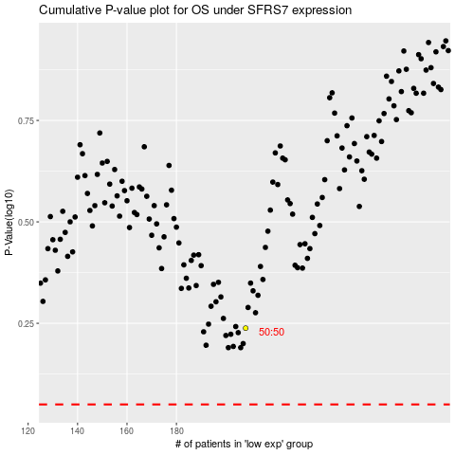

 |  |  |  |  |  | cases_OS | p_OS | rank | exp
 |  |  |  |  |  |  | cases_RFS | p_RFS | rank | exp

