SFT2D2 _multivariate
Reported by Tex Li-Hsing Chi. tex@gate.sinica.edu.tw 2019-08-16

Table 2. The clinicopathological features of HNSCC cohort and SFT2D2 expression. (Chi square test)
Cutoff at -0.363 (30.2%)
 |  | SFT2D2 expression |  | SFT2D2 expression |  | (Optimised)
 | Features | Low | (%) | High | (%) | Case no | P-value | Remark | Matthews
Gender | Female | 99 | 23.9 | 207 | 49.9 | 415 | 0.1237 | 0 | 0
2 | Male | 26 | 6.3 | 83 | 20
Age at diagnosis | <=65y | 84 | 20.2 | 190 | 45.8 | 415 | 0.8266 | 0 | 0
4 | >65y | 41 | 9.9 | 100 | 24.1
Clinical T Status | T1+T2 | 53 | 12.8 | 96 | 23.1 | 415 | 0.0892 | 0 | 0
6 | T3+T4 | 72 | 17.3 | 194 | 46.7
Clinical N Status | N0 | 70 | 16.9 | 146 | 35.2 | 415 | 0.3417 | 0 | 0
8 | N1-3 | 55 | 13.3 | 144 | 34.7
Clinical M Status | M0 | 124 | 29.9 | 288 | 69.4 | 415 | 1 | 0 | 0
10 | M1 | 1 | 0.2 | 2 | 0.5
Clinical Stage | Stage I+II | 40 | 9.6 | 62 | 14.9 | 415 | 0.0292 | 1 | 0
12 | Stage III+IV | 85 | 20.5 | 228 | 54.9
Surgical Margin status | Negative | 96 | 23.1 | 222 | 53.5 | 415 | 1 | 0 | 0
14 | Positive | 29 | 7 | 68 | 16.4
Tobacco Exposure | Low | 42 | 10.1 | 119 | 28.7 | 415 | 0.1875 | 0 | 0
16 | High | 83 | 20 | 171 | 41.2

Table 3. Univariate/Multivariate Cox's proportional hazards regression analyses on OS time of SFT2D2 gene expression in HNSCC

 |  | Univariate |  |  |  | Multivariate
 | Features | HR | CI95%(L) | CI95%(H) | P-value | HR | CI95%(L) | CI95%(H) | P-value
1 | Female | 1 |  |  |  | 1
Gender | Male | 1.157 | 0.843 | 1.587 | 0.367 | 1.214 | 0.868 | 1.699 | 0.257
11 | <=65y | 1 |  |  |  | 1
Age at diagnosis | >65y | 1.329 | 0.99 | 1.784 | 0.058 | 1.399 | 1.029 | 1.902 | 0.032
12 | T1+T2 | 1 |  |  |  | 1
Clinical T Status | T3+T4 | 1.409 | 1.028 | 1.931 | 0.033 | 2.199 | 1.162 | 4.161 | 0.015
13 | N0 | 1 |  |  |  | 1
Clinical N Status | N1-3 | 1.185 | 0.89 | 1.577 | 0.246 | 1.235 | 0.865 | 1.763 | 0.245
14 | M0 | 1 |  |  |  | 1
Clinical M Status | M1 | 4.097 | 1.009 | 16.644 | 0.049 | 9.629 | 2.101 | 44.138 | 0.004
15 | Stage I+II | 1 |  |  |  | 1
Clinical Stage | Stage III+IV | 1.245 | 0.882 | 1.759 | 0.213 | 0.535 | 0.249 | 1.151 | 0.11
16 | Negative | 1 |  |  |  | 1
Surgical Margin status | Positive | 1.591 | 1.155 | 2.191 | 0.004 | 1.687 | 1.221 | 2.33 | 0.002
17 | Low | 1 |  |  |  | 1
Tobacco Exposure | High | 1.364 | 1.008 | 1.844 | 0.044 | 1.397 | 1.011 | 1.931 | 0.043
18 | Low | 1 |  |  |  | 1
RNAseq(z-score) | High | 0.727 | 0.536 | 0.985 | 0.04 | 0.706 | 0.518 | 0.962 | 0.028

Table 4. Univariate/Multivariate Cox's proportional hazards regression analyses on RFS time of SFT2D2 gene expression in HNSCC

 |  | Univariate |  |  |  | Multivariate
 | Features | HR | CI95%(L) | CI95%(H) | P-value | HR | CI95%(L) | CI95%(H) | P-value
1 | Female | 1 |  |  |  | 1
Gender | Male | 1.157 | 0.843 | 1.587 | 0.367 | 1.214 | 0.868 | 1.699 | 0.257
11 | <=65y | 1 |  |  |  | 1
Age at diagnosis | >65y | 1.329 | 0.99 | 1.784 | 0.058 | 1.399 | 1.029 | 1.902 | 0.032
12 | T1+T2 | 1 |  |  |  | 1
Clinical T Status | T3+T4 | 1.409 | 1.028 | 1.931 | 0.033 | 2.199 | 1.162 | 4.161 | 0.015
13 | N0 | 1 |  |  |  | 1
Clinical N Status | N1-3 | 1.185 | 0.89 | 1.577 | 0.246 | 1.235 | 0.865 | 1.763 | 0.245
14 | M0 | 1 |  |  |  | 1
Clinical M Status | M1 | 4.097 | 1.009 | 16.644 | 0.049 | 9.629 | 2.101 | 44.138 | 0.004
15 | Stage I+II | 1 |  |  |  | 1
Clinical Stage | Stage III+IV | 1.245 | 0.882 | 1.759 | 0.213 | 0.535 | 0.249 | 1.151 | 0.11
16 | Negative | 1 |  |  |  | 1
Surgical Margin status | Positive | 1.591 | 1.155 | 2.191 | 0.004 | 1.687 | 1.221 | 2.33 | 0.002
17 | Low | 1 |  |  |  | 1
Tobacco Exposure | High | 1.364 | 1.008 | 1.844 | 0.044 | 1.397 | 1.011 | 1.931 | 0.043
18 | Low | 1 |  |  |  | 1
RNAseq(z-score) | High | 0.727 | 0.536 | 0.985 | 0.04 | 0.706 | 0.518 | 0.962 | 0.028

Kaplan-Meier survival estimate: Cutoff at -0.363 (30.2%)



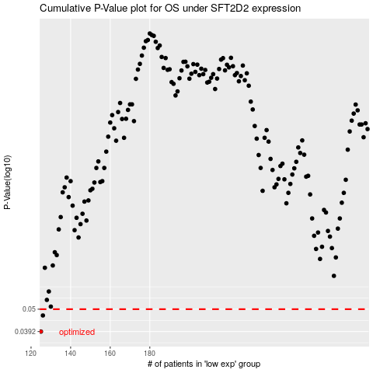

 |  |  |  |  |  | cases_OS | p_OS | rank | exp
 |  |  |  |  |  | 125 | 0.0392 | 320 | -0.36260514691
 |  |  |  |  |  | 126 | 0.0467 | 26 | -0.35876972774
 |  |  |  |  |  |  | cases_RFS | p_RFS | rank | exp
 |  |  |  |  |  |  |  | 0.0392 | 124 | -0.36307705615
 |  |  |  |  |  |  | 125 | 0.0467 | 320 | -0.36260514691

