SFTPB _multivariate
Reported by Tex Li-Hsing Chi. tex@gate.sinica.edu.tw 2019-08-16

Table 2. The clinicopathological features of HNSCC cohort and SFTPB expression. (Chi square test)
Cutoff at -0.173 (49.8%)
 |  | SFTPB expression |  | SFTPB expression |  | (Optimised)
 | Features | Low | (%) | High | (%) | Case no | P-value | Remark | Matthews
Gender | Female | 156 | 37.6 | 150 | 36.1 | 415 | 0.5222 | 0 | 0
2 | Male | 51 | 12.3 | 58 | 14
Age at diagnosis | <=65y | 142 | 34.2 | 132 | 31.8 | 415 | 0.3167 | 0 | 0
4 | >65y | 65 | 15.7 | 76 | 18.3
Clinical T Status | T1+T2 | 73 | 17.6 | 76 | 18.3 | 415 | 0.8666 | 0 | 0
6 | T3+T4 | 134 | 32.3 | 132 | 31.8
Clinical N Status | N0 | 105 | 25.3 | 111 | 26.7 | 415 | 0.6598 | 0 | 0
8 | N1-3 | 102 | 24.6 | 97 | 23.4
Clinical M Status | M0 | 205 | 49.4 | 207 | 49.9 | 415 | 0.6232 | 0 | 0
10 | M1 | 2 | 0.5 | 1 | 0.2
Clinical Stage | Stage I+II | 46 | 11.1 | 56 | 13.5 | 415 | 0.3182 | 0 | 0
12 | Stage III+IV | 161 | 38.8 | 152 | 36.6
Surgical Margin status | Negative | 154 | 37.1 | 164 | 39.5 | 415 | 0.2984 | 0 | 0
14 | Positive | 53 | 12.8 | 44 | 10.6
Tobacco Exposure | Low | 86 | 20.7 | 75 | 18.1 | 415 | 0.2687 | 0 | 0
16 | High | 121 | 29.2 | 133 | 32

Table 3. Univariate/Multivariate Cox's proportional hazards regression analyses on OS time of SFTPB gene expression in HNSCC

 |  | Univariate |  |  |  | Multivariate
 | Features | HR | CI95%(L) | CI95%(H) | P-value | HR | CI95%(L) | CI95%(H) | P-value
1 | Female | 1 |  |  |  | 1
Gender | Male | 1.157 | 0.843 | 1.587 | 0.367 | 1.197 | 0.857 | 1.673 | 0.291
11 | <=65y | 1 |  |  |  | 1
Age at diagnosis | >65y | 1.329 | 0.99 | 1.784 | 0.058 | 1.395 | 1.027 | 1.897 | 0.033
12 | T1+T2 | 1 |  |  |  | 1
Clinical T Status | T3+T4 | 1.409 | 1.028 | 1.931 | 0.033 | 2.217 | 1.172 | 4.195 | 0.014
13 | N0 | 1 |  |  |  | 1
Clinical N Status | N1-3 | 1.185 | 0.89 | 1.577 | 0.246 | 1.249 | 0.875 | 1.784 | 0.221
14 | M0 | 1 |  |  |  | 1
Clinical M Status | M1 | 4.097 | 1.009 | 16.644 | 0.049 | 9.337 | 2.037 | 42.807 | 0.004
15 | Stage I+II | 1 |  |  |  | 1
Clinical Stage | Stage III+IV | 1.245 | 0.882 | 1.759 | 0.213 | 0.499 | 0.232 | 1.073 | 0.075
16 | Negative | 1 |  |  |  | 1
Surgical Margin status | Positive | 1.591 | 1.155 | 2.191 | 0.004 | 1.662 | 1.201 | 2.298 | 0.002
17 | Low | 1 |  |  |  | 1
Tobacco Exposure | High | 1.364 | 1.008 | 1.844 | 0.044 | 1.45 | 1.053 | 1.998 | 0.023
18 | Low | 1 |  |  |  | 1
RNAseq(z-score) | High | 0.932 | 0.7 | 1.243 | 0.633 | 0.932 | 0.698 | 1.244 | 0.632

Table 4. Univariate/Multivariate Cox's proportional hazards regression analyses on RFS time of SFTPB gene expression in HNSCC

 |  | Univariate |  |  |  | Multivariate
 | Features | HR | CI95%(L) | CI95%(H) | P-value | HR | CI95%(L) | CI95%(H) | P-value
1 | Female | 1 |  |  |  | 1
Gender | Male | 1.157 | 0.843 | 1.587 | 0.367 | 1.197 | 0.857 | 1.673 | 0.291
11 | <=65y | 1 |  |  |  | 1
Age at diagnosis | >65y | 1.329 | 0.99 | 1.784 | 0.058 | 1.395 | 1.027 | 1.897 | 0.033
12 | T1+T2 | 1 |  |  |  | 1
Clinical T Status | T3+T4 | 1.409 | 1.028 | 1.931 | 0.033 | 2.217 | 1.172 | 4.195 | 0.014
13 | N0 | 1 |  |  |  | 1
Clinical N Status | N1-3 | 1.185 | 0.89 | 1.577 | 0.246 | 1.249 | 0.875 | 1.784 | 0.221
14 | M0 | 1 |  |  |  | 1
Clinical M Status | M1 | 4.097 | 1.009 | 16.644 | 0.049 | 9.337 | 2.037 | 42.807 | 0.004
15 | Stage I+II | 1 |  |  |  | 1
Clinical Stage | Stage III+IV | 1.245 | 0.882 | 1.759 | 0.213 | 0.499 | 0.232 | 1.073 | 0.075
16 | Negative | 1 |  |  |  | 1
Surgical Margin status | Positive | 1.591 | 1.155 | 2.191 | 0.004 | 1.662 | 1.201 | 2.298 | 0.002
17 | Low | 1 |  |  |  | 1
Tobacco Exposure | High | 1.364 | 1.008 | 1.844 | 0.044 | 1.45 | 1.053 | 1.998 | 0.023
18 | Low | 1 |  |  |  | 1
RNAseq(z-score) | High | 0.932 | 0.7 | 1.243 | 0.633 | 0.932 | 0.698 | 1.244 | 0.632

Kaplan-Meier survival estimate: Cutoff at -0.173 (49.8%)



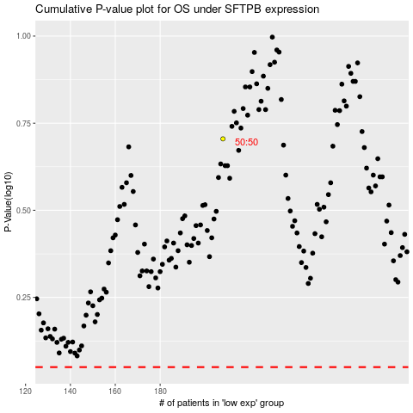

 |  |  |  |  |  | cases_OS | p_OS | rank | exp
 |  |  |  |  |  |  | cases_RFS | p_RFS | rank | exp

