SFXN4 _multivariate
Reported by Tex Li-Hsing Chi. tex@gate.sinica.edu.tw 2019-08-16

Table 2. The clinicopathological features of HNSCC cohort and SFXN4 expression. (Chi square test)
Cutoff at -0.23 (49.8%)
 |  | SFXN4 expression |  | SFXN4 expression |  | (Optimised)
 | Features | Low | (%) | High | (%) | Case no | P-value | Remark | Matthews
Gender | Female | 143 | 34.5 | 163 | 39.3 | 415 | 0.0416 | 1 | 0
2 | Male | 64 | 15.4 | 45 | 10.8
Age at diagnosis | <=65y | 142 | 34.2 | 132 | 31.8 | 415 | 0.3167 | 0 | 0
4 | >65y | 65 | 15.7 | 76 | 18.3
Clinical T Status | T1+T2 | 80 | 19.3 | 69 | 16.6 | 415 | 0.2891 | 0 | 0
6 | T3+T4 | 127 | 30.6 | 139 | 33.5
Clinical N Status | N0 | 107 | 25.8 | 109 | 26.3 | 415 | 0.9624 | 0 | 0
8 | N1-3 | 100 | 24.1 | 99 | 23.9
Clinical M Status | M0 | 207 | 49.9 | 205 | 49.4 | 415 | 0.2482 | 0 | 0
10 | M1 | 0 | 0 | 3 | 0.7
Clinical Stage | Stage I+II | 55 | 13.3 | 47 | 11.3 | 415 | 0.4087 | 0 | 0
12 | Stage III+IV | 152 | 36.6 | 161 | 38.8
Surgical Margin status | Negative | 165 | 39.8 | 153 | 36.9 | 415 | 0.1639 | 0 | 0
14 | Positive | 42 | 10.1 | 55 | 13.3
Tobacco Exposure | Low | 87 | 21 | 74 | 17.8 | 415 | 0.1911 | 0 | 0
16 | High | 120 | 28.9 | 134 | 32.3

Table 3. Univariate/Multivariate Cox's proportional hazards regression analyses on OS time of SFXN4 gene expression in HNSCC

 |  | Univariate |  |  |  | Multivariate
 | Features | HR | CI95%(L) | CI95%(H) | P-value | HR | CI95%(L) | CI95%(H) | P-value
1 | Female | 1 |  |  |  | 1
Gender | Male | 1.157 | 0.843 | 1.587 | 0.367 | 1.204 | 0.863 | 1.68 | 0.275
11 | <=65y | 1 |  |  |  | 1
Age at diagnosis | >65y | 1.329 | 0.99 | 1.784 | 0.058 | 1.402 | 1.031 | 1.907 | 0.031
12 | T1+T2 | 1 |  |  |  | 1
Clinical T Status | T3+T4 | 1.409 | 1.028 | 1.931 | 0.033 | 2.231 | 1.179 | 4.222 | 0.014
13 | N0 | 1 |  |  |  | 1
Clinical N Status | N1-3 | 1.185 | 0.89 | 1.577 | 0.246 | 1.247 | 0.874 | 1.78 | 0.224
14 | M0 | 1 |  |  |  | 1
Clinical M Status | M1 | 4.097 | 1.009 | 16.644 | 0.049 | 10.124 | 2.185 | 46.912 | 0.003
15 | Stage I+II | 1 |  |  |  | 1
Clinical Stage | Stage III+IV | 1.245 | 0.882 | 1.759 | 0.213 | 0.5 | 0.233 | 1.074 | 0.076
16 | Negative | 1 |  |  |  | 1
Surgical Margin status | Positive | 1.591 | 1.155 | 2.191 | 0.004 | 1.703 | 1.228 | 2.362 | 0.001
17 | Low | 1 |  |  |  | 1
Tobacco Exposure | High | 1.364 | 1.008 | 1.844 | 0.044 | 1.468 | 1.065 | 2.024 | 0.019
18 | Low | 1 |  |  |  | 1
RNAseq(z-score) | High | 1.024 | 0.769 | 1.364 | 0.869 | 0.886 | 0.661 | 1.187 | 0.418

Table 4. Univariate/Multivariate Cox's proportional hazards regression analyses on RFS time of SFXN4 gene expression in HNSCC

 |  | Univariate |  |  |  | Multivariate
 | Features | HR | CI95%(L) | CI95%(H) | P-value | HR | CI95%(L) | CI95%(H) | P-value
1 | Female | 1 |  |  |  | 1
Gender | Male | 1.157 | 0.843 | 1.587 | 0.367 | 1.204 | 0.863 | 1.68 | 0.275
11 | <=65y | 1 |  |  |  | 1
Age at diagnosis | >65y | 1.329 | 0.99 | 1.784 | 0.058 | 1.402 | 1.031 | 1.907 | 0.031
12 | T1+T2 | 1 |  |  |  | 1
Clinical T Status | T3+T4 | 1.409 | 1.028 | 1.931 | 0.033 | 2.231 | 1.179 | 4.222 | 0.014
13 | N0 | 1 |  |  |  | 1
Clinical N Status | N1-3 | 1.185 | 0.89 | 1.577 | 0.246 | 1.247 | 0.874 | 1.78 | 0.224
14 | M0 | 1 |  |  |  | 1
Clinical M Status | M1 | 4.097 | 1.009 | 16.644 | 0.049 | 10.124 | 2.185 | 46.912 | 0.003
15 | Stage I+II | 1 |  |  |  | 1
Clinical Stage | Stage III+IV | 1.245 | 0.882 | 1.759 | 0.213 | 0.5 | 0.233 | 1.074 | 0.076
16 | Negative | 1 |  |  |  | 1
Surgical Margin status | Positive | 1.591 | 1.155 | 2.191 | 0.004 | 1.703 | 1.228 | 2.362 | 0.001
17 | Low | 1 |  |  |  | 1
Tobacco Exposure | High | 1.364 | 1.008 | 1.844 | 0.044 | 1.468 | 1.065 | 2.024 | 0.019
18 | Low | 1 |  |  |  | 1
RNAseq(z-score) | High | 1.024 | 0.769 | 1.364 | 0.869 | 0.886 | 0.661 | 1.187 | 0.418

Kaplan-Meier survival estimate: Cutoff at -0.23 (49.8%)



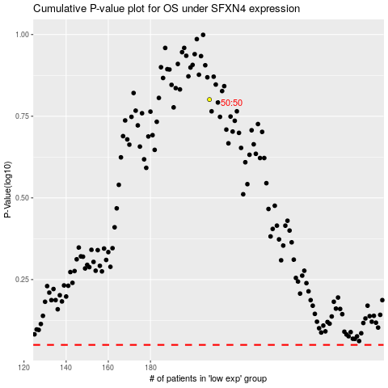

 |  |  |  |  |  | cases_OS | p_OS | rank | exp
 |  |  |  |  |  |  | cases_RFS | p_RFS | rank | exp

