SFXN5 _multivariate
Reported by Tex Li-Hsing Chi. tex@gate.sinica.edu.tw 2019-08-16

Table 2. The clinicopathological features of HNSCC cohort and SFXN5 expression. (Chi square test)
Cutoff at -0.408 (37.4%)
 |  | SFXN5 expression |  | SFXN5 expression |  | (Optimised)
 | Features | Low | (%) | High | (%) | Case no | P-value | Remark | Matthews
Gender | Female | 117 | 28.2 | 189 | 45.5 | 415 | 0.7344 | 0 | 0
2 | Male | 39 | 9.4 | 70 | 16.9
Age at diagnosis | <=65y | 100 | 24.1 | 174 | 41.9 | 415 | 0.593 | 0 | 0
4 | >65y | 56 | 13.5 | 85 | 20.5
Clinical T Status | T1+T2 | 44 | 10.6 | 105 | 25.3 | 415 | 0.015 | 1 | 0
6 | T3+T4 | 112 | 27 | 154 | 37.1
Clinical N Status | N0 | 76 | 18.3 | 140 | 33.7 | 415 | 0.3409 | 0 | 0
8 | N1-3 | 80 | 19.3 | 119 | 28.7
Clinical M Status | M0 | 155 | 37.3 | 257 | 61.9 | 415 | 1 | 0 | 0
10 | M1 | 1 | 0.2 | 2 | 0.5
Clinical Stage | Stage I+II | 32 | 7.7 | 70 | 16.9 | 415 | 0.1691 | 0 | 0
12 | Stage III+IV | 124 | 29.9 | 189 | 45.5
Surgical Margin status | Negative | 113 | 27.2 | 205 | 49.4 | 415 | 0.1214 | 0 | 0
14 | Positive | 43 | 10.4 | 54 | 13
Tobacco Exposure | Low | 54 | 13 | 107 | 25.8 | 415 | 0.1785 | 0 | 0
16 | High | 102 | 24.6 | 152 | 36.6

Table 3. Univariate/Multivariate Cox's proportional hazards regression analyses on OS time of SFXN5 gene expression in HNSCC

 |  | Univariate |  |  |  | Multivariate
 | Features | HR | CI95%(L) | CI95%(H) | P-value | HR | CI95%(L) | CI95%(H) | P-value
1 | Female | 1 |  |  |  | 1
Gender | Male | 1.157 | 0.843 | 1.587 | 0.367 | 1.242 | 0.888 | 1.738 | 0.206
11 | <=65y | 1 |  |  |  | 1
Age at diagnosis | >65y | 1.329 | 0.99 | 1.784 | 0.058 | 1.381 | 1.016 | 1.877 | 0.039
12 | T1+T2 | 1 |  |  |  | 1
Clinical T Status | T3+T4 | 1.409 | 1.028 | 1.931 | 0.033 | 2.102 | 1.111 | 3.978 | 0.022
13 | N0 | 1 |  |  |  | 1
Clinical N Status | N1-3 | 1.185 | 0.89 | 1.577 | 0.246 | 1.224 | 0.857 | 1.747 | 0.266
14 | M0 | 1 |  |  |  | 1
Clinical M Status | M1 | 4.097 | 1.009 | 16.644 | 0.049 | 9.083 | 1.98 | 41.673 | 0.005
15 | Stage I+II | 1 |  |  |  | 1
Clinical Stage | Stage III+IV | 1.245 | 0.882 | 1.759 | 0.213 | 0.528 | 0.246 | 1.134 | 0.102
16 | Negative | 1 |  |  |  | 1
Surgical Margin status | Positive | 1.591 | 1.155 | 2.191 | 0.004 | 1.634 | 1.182 | 2.259 | 0.003
17 | Low | 1 |  |  |  | 1
Tobacco Exposure | High | 1.364 | 1.008 | 1.844 | 0.044 | 1.489 | 1.079 | 2.054 | 0.015
18 | Low | 1 |  |  |  | 1
RNAseq(z-score) | High | 0.739 | 0.552 | 0.989 | 0.042 | 0.777 | 0.577 | 1.046 | 0.096

Table 4. Univariate/Multivariate Cox's proportional hazards regression analyses on RFS time of SFXN5 gene expression in HNSCC

 |  | Univariate |  |  |  | Multivariate
 | Features | HR | CI95%(L) | CI95%(H) | P-value | HR | CI95%(L) | CI95%(H) | P-value
1 | Female | 1 |  |  |  | 1
Gender | Male | 1.157 | 0.843 | 1.587 | 0.367 | 1.242 | 0.888 | 1.738 | 0.206
11 | <=65y | 1 |  |  |  | 1
Age at diagnosis | >65y | 1.329 | 0.99 | 1.784 | 0.058 | 1.381 | 1.016 | 1.877 | 0.039
12 | T1+T2 | 1 |  |  |  | 1
Clinical T Status | T3+T4 | 1.409 | 1.028 | 1.931 | 0.033 | 2.102 | 1.111 | 3.978 | 0.022
13 | N0 | 1 |  |  |  | 1
Clinical N Status | N1-3 | 1.185 | 0.89 | 1.577 | 0.246 | 1.224 | 0.857 | 1.747 | 0.266
14 | M0 | 1 |  |  |  | 1
Clinical M Status | M1 | 4.097 | 1.009 | 16.644 | 0.049 | 9.083 | 1.98 | 41.673 | 0.005
15 | Stage I+II | 1 |  |  |  | 1
Clinical Stage | Stage III+IV | 1.245 | 0.882 | 1.759 | 0.213 | 0.528 | 0.246 | 1.134 | 0.102
16 | Negative | 1 |  |  |  | 1
Surgical Margin status | Positive | 1.591 | 1.155 | 2.191 | 0.004 | 1.634 | 1.182 | 2.259 | 0.003
17 | Low | 1 |  |  |  | 1
Tobacco Exposure | High | 1.364 | 1.008 | 1.844 | 0.044 | 1.489 | 1.079 | 2.054 | 0.015
18 | Low | 1 |  |  |  | 1
RNAseq(z-score) | High | 0.739 | 0.552 | 0.989 | 0.042 | 0.777 | 0.577 | 1.046 | 0.096

Kaplan-Meier survival estimate: Cutoff at -0.408 (37.4%)



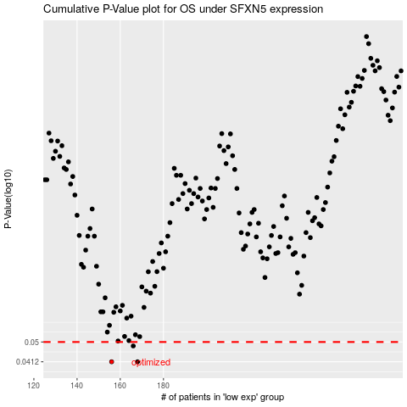

 |  |  |  |  |  | cases_OS | p_OS | rank | exp
 |  |  |  |  |  | 156 | 0.0412 | 182 | -0.40826744732
 |  |  |  |  |  | 168 | 0.0412 | 363 | -0.34837512853
 |  |  |  |  |  | 166 | 0.0481 | 8 | -0.35569987821
 |  |  |  |  |  |  | cases_RFS | p_RFS | rank | exp
 |  |  |  |  |  |  | 167 | 0.0412 | 137 | -0.35184731982
 |  |  |  |  |  |  | 155 | 0.0412 | 297 | -0.40951228513
 |  |  |  |  |  |  | 165 | 0.0481 | 38 | -0.36532113903

