SGK223 _multivariate
Reported by Tex Li-Hsing Chi. tex@gate.sinica.edu.tw 2019-08-16

Table 2. The clinicopathological features of HNSCC cohort and SGK223 expression. (Chi square test)
Cutoff at -0.079 (49.8%)
 |  | SGK223 expression |  | SGK223 expression |  | (Optimised)
 | Features | Low | (%) | High | (%) | Case no | P-value | Remark | Matthews
Gender | Female | 166 | 40 | 140 | 33.7 | 415 | 0.0041 | 1 | 0
2 | Male | 41 | 9.9 | 68 | 16.4
Age at diagnosis | <=65y | 147 | 35.4 | 127 | 30.6 | 415 | 0.0416 | 1 | 0
4 | >65y | 60 | 14.5 | 81 | 19.5
Clinical T Status | T1+T2 | 69 | 16.6 | 80 | 19.3 | 415 | 0.3239 | 0 | 0
6 | T3+T4 | 138 | 33.3 | 128 | 30.8
Clinical N Status | N0 | 98 | 23.6 | 118 | 28.4 | 415 | 0.0694 | 0 | 0
8 | N1-3 | 109 | 26.3 | 90 | 21.7
Clinical M Status | M0 | 205 | 49.4 | 207 | 49.9 | 415 | 0.6232 | 0 | 0
10 | M1 | 2 | 0.5 | 1 | 0.2
Clinical Stage | Stage I+II | 39 | 9.4 | 63 | 15.2 | 415 | 0.0095 | 1 | 0
12 | Stage III+IV | 168 | 40.5 | 145 | 34.9
Surgical Margin status | Negative | 148 | 35.7 | 170 | 41 | 415 | 0.015 | 1 | 0
14 | Positive | 59 | 14.2 | 38 | 9.2
Tobacco Exposure | Low | 75 | 18.1 | 86 | 20.7 | 415 | 0.3141 | 0 | 0
16 | High | 132 | 31.8 | 122 | 29.4

Table 3. Univariate/Multivariate Cox's proportional hazards regression analyses on OS time of SGK223 gene expression in HNSCC

 |  | Univariate |  |  |  | Multivariate
 | Features | HR | CI95%(L) | CI95%(H) | P-value | HR | CI95%(L) | CI95%(H) | P-value
1 | Female | 1 |  |  |  | 1
Gender | Male | 1.157 | 0.843 | 1.587 | 0.367 | 1.201 | 0.859 | 1.68 | 0.284
11 | <=65y | 1 |  |  |  | 1
Age at diagnosis | >65y | 1.329 | 0.99 | 1.784 | 0.058 | 1.391 | 1.022 | 1.893 | 0.036
12 | T1+T2 | 1 |  |  |  | 1
Clinical T Status | T3+T4 | 1.409 | 1.028 | 1.931 | 0.033 | 2.202 | 1.165 | 4.164 | 0.015
13 | N0 | 1 |  |  |  | 1
Clinical N Status | N1-3 | 1.185 | 0.89 | 1.577 | 0.246 | 1.241 | 0.87 | 1.771 | 0.234
14 | M0 | 1 |  |  |  | 1
Clinical M Status | M1 | 4.097 | 1.009 | 16.644 | 0.049 | 9.407 | 2.052 | 43.12 | 0.004
15 | Stage I+II | 1 |  |  |  | 1
Clinical Stage | Stage III+IV | 1.245 | 0.882 | 1.759 | 0.213 | 0.505 | 0.234 | 1.088 | 0.081
16 | Negative | 1 |  |  |  | 1
Surgical Margin status | Positive | 1.591 | 1.155 | 2.191 | 0.004 | 1.672 | 1.208 | 2.314 | 0.002
17 | Low | 1 |  |  |  | 1
Tobacco Exposure | High | 1.364 | 1.008 | 1.844 | 0.044 | 1.453 | 1.054 | 2.002 | 0.022
18 | Low | 1 |  |  |  | 1
RNAseq(z-score) | High | 0.996 | 0.748 | 1.326 | 0.976 | 1.004 | 0.746 | 1.352 | 0.977

Table 4. Univariate/Multivariate Cox's proportional hazards regression analyses on RFS time of SGK223 gene expression in HNSCC

 |  | Univariate |  |  |  | Multivariate
 | Features | HR | CI95%(L) | CI95%(H) | P-value | HR | CI95%(L) | CI95%(H) | P-value
1 | Female | 1 |  |  |  | 1
Gender | Male | 1.157 | 0.843 | 1.587 | 0.367 | 1.201 | 0.859 | 1.68 | 0.284
11 | <=65y | 1 |  |  |  | 1
Age at diagnosis | >65y | 1.329 | 0.99 | 1.784 | 0.058 | 1.391 | 1.022 | 1.893 | 0.036
12 | T1+T2 | 1 |  |  |  | 1
Clinical T Status | T3+T4 | 1.409 | 1.028 | 1.931 | 0.033 | 2.202 | 1.165 | 4.164 | 0.015
13 | N0 | 1 |  |  |  | 1
Clinical N Status | N1-3 | 1.185 | 0.89 | 1.577 | 0.246 | 1.241 | 0.87 | 1.771 | 0.234
14 | M0 | 1 |  |  |  | 1
Clinical M Status | M1 | 4.097 | 1.009 | 16.644 | 0.049 | 9.407 | 2.052 | 43.12 | 0.004
15 | Stage I+II | 1 |  |  |  | 1
Clinical Stage | Stage III+IV | 1.245 | 0.882 | 1.759 | 0.213 | 0.505 | 0.234 | 1.088 | 0.081
16 | Negative | 1 |  |  |  | 1
Surgical Margin status | Positive | 1.591 | 1.155 | 2.191 | 0.004 | 1.672 | 1.208 | 2.314 | 0.002
17 | Low | 1 |  |  |  | 1
Tobacco Exposure | High | 1.364 | 1.008 | 1.844 | 0.044 | 1.453 | 1.054 | 2.002 | 0.022
18 | Low | 1 |  |  |  | 1
RNAseq(z-score) | High | 0.996 | 0.748 | 1.326 | 0.976 | 1.004 | 0.746 | 1.352 | 0.977

Kaplan-Meier survival estimate: Cutoff at -0.079 (49.8%)



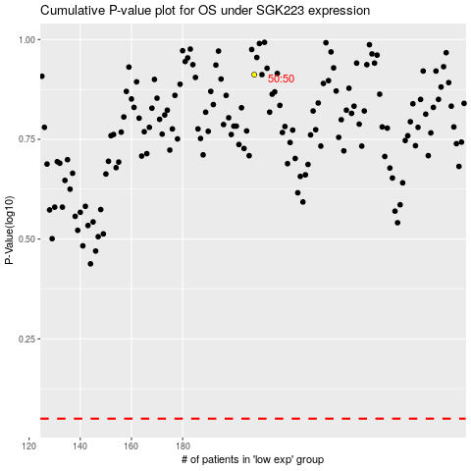

 |  |  |  |  |  | cases_OS | p_OS | rank | exp
 |  |  |  |  |  |  | cases_RFS | p_RFS | rank | exp

